Figure 1
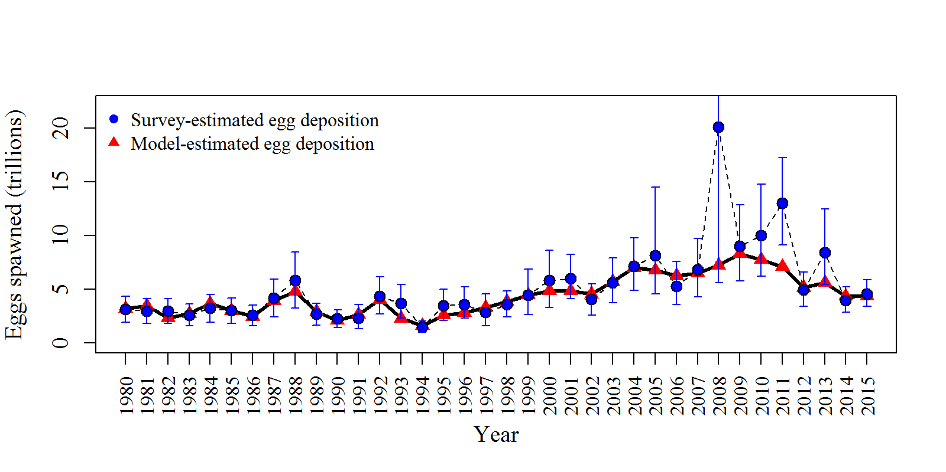
Year | tot_obs_egg | tot_est_egg
1980 | 3.15 | 3.23518
1981 | 3 | 3.47477
1982 | 2.972 | 2.33305
1983 | 2.63 | 2.7547
1984 | 3.25 | 3.68075
1985 | 3.025 | 3.02879
1986 | 2.58 | 2.47687
1987 | 4.201 | 3.97135
1988 | 5.871 | 4.80337
1989 | 2.7 | 2.92987
1990 | 2.273 | 2.12082
1991 | 2.34716 | 2.66402
1992 | 4.33512 | 4.0847
1993 | 3.71503 | 2.31117
1994 | 1.49413 | 1.62873
1995 | 3.49896 | 2.60917
1996 | 3.59277 | 2.83713
1997 | 2.8877 | 3.31138
1998 | 3.58394 | 3.89151
1999 | 4.49573 | 4.47449
2000 | 5.85134 | 4.85933
2001 | 6.02643 | 4.86799
2002 | 4.07318 | 4.57812
2003 | 5.62743 | 5.71676
2004 | 7.16901 | 7.0301
2005 | 8.13885 | 6.78082
2006 | 5.30074 | 6.26078
2007 | 6.85769 | 6.52333
2008 | 20.1484 | 7.26029
2009 | 9.00542 | 8.34172
2010 | 9.99957 | 7.78224
2011 | 13.0665 | 7.11303
2012 | 4.97979 | 5.16796
2013 | 8.43356 | 5.64602
2014 | 3.96046 | 4.36996
2015 | 4.59376 | 4.40608

Figure 2
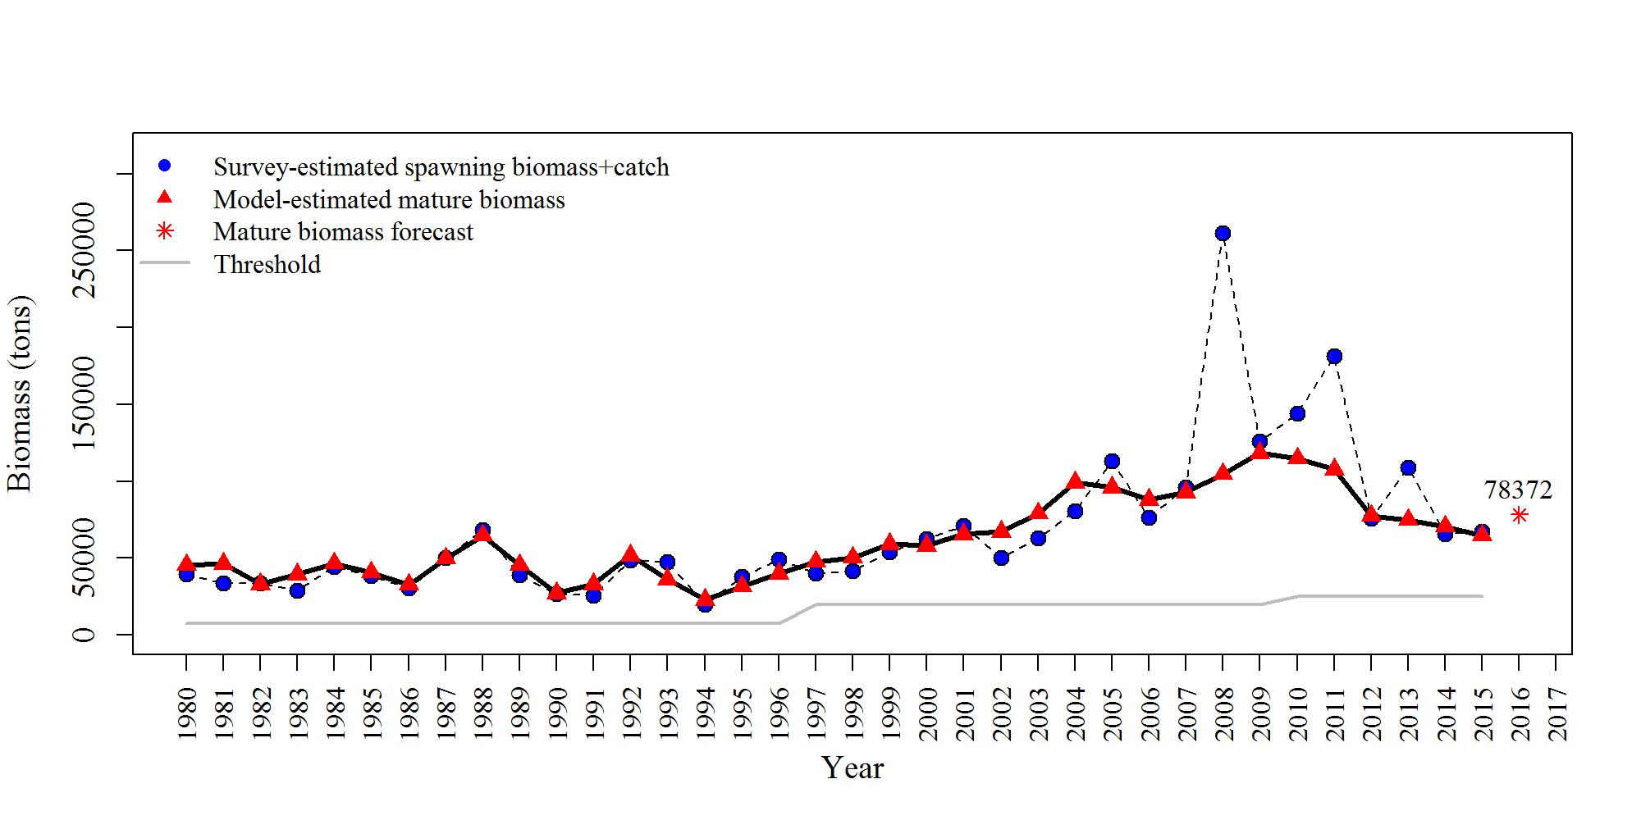
Year | tot_mat_B_tons | spawn_dep | tcb
1980 | 45504.420291 | 35000 | 4385
1981 | 46351.440728 | 30000 | 3506
1982 | 32998.302432 | 29500 | 4363
1983 | 39314.799709 | 23500 | 5450
1984 | 46542.251813 | 38500 | 5830
1985 | 40737.119425 | 31000 | 7475
1986 | 32640.821006 | 25000 | 5443
1987 | 49723.428647 | 46000 | 4216
1988 | 64646.15622 | 58500 | 9575
1989 | 45386.251901 | 27000 | 12135
1990 | 27152.93547 | 23000 | 3804
1991 | 32969.421724 | 23500 | 1908
1992 | 51718.291849 | 43351 | 5368
1993 | 36096.915717 | 37150 | 10186
1994 | 22706.29864 | 14941 | 4886.91
1995 | 31549.968033 | 34990 | 2977.9
1996 | 39766.198549 | 40827 | 8249.15
1997 | 47694.944774 | 28611 | 11254.5
1998 | 50362.331621 | 34942 | 6786.56
1999 | 59183.293282 | 44554 | 9421.46
2000 | 58120.549395 | 57988 | 4619.37
2001 | 65466.721048 | 58756 | 12060
2002 | 67013.933288 | 40366 | 9935.5
2003 | 78951.806698 | 55769 | 6956.11
2004 | 99053.771027 | 69907 | 10616.6
2005 | 95919.663132 | 101305 | 11520.3
2006 | 87836.592517 | 66111 | 10069.4
2007 | 92608.743579 | 84501 | 11762.3
2008 | 104731.80626 | 247088 | 14560.4
2009 | 118222.40349 | 110946 | 14874.5
2010 | 114863.64338 | 126230 | 17963.5
2011 | 107493.22075 | 161904 | 19539.2
2012 | 77537.75436 | 62518 | 13308.5
2013 | 74732.908574 | 103267 | 5785.72
2014 | 70568.134218 | 48561 | 17077.4
2015 | 64659.604489 | 58183 | 8855.83

Figure 3
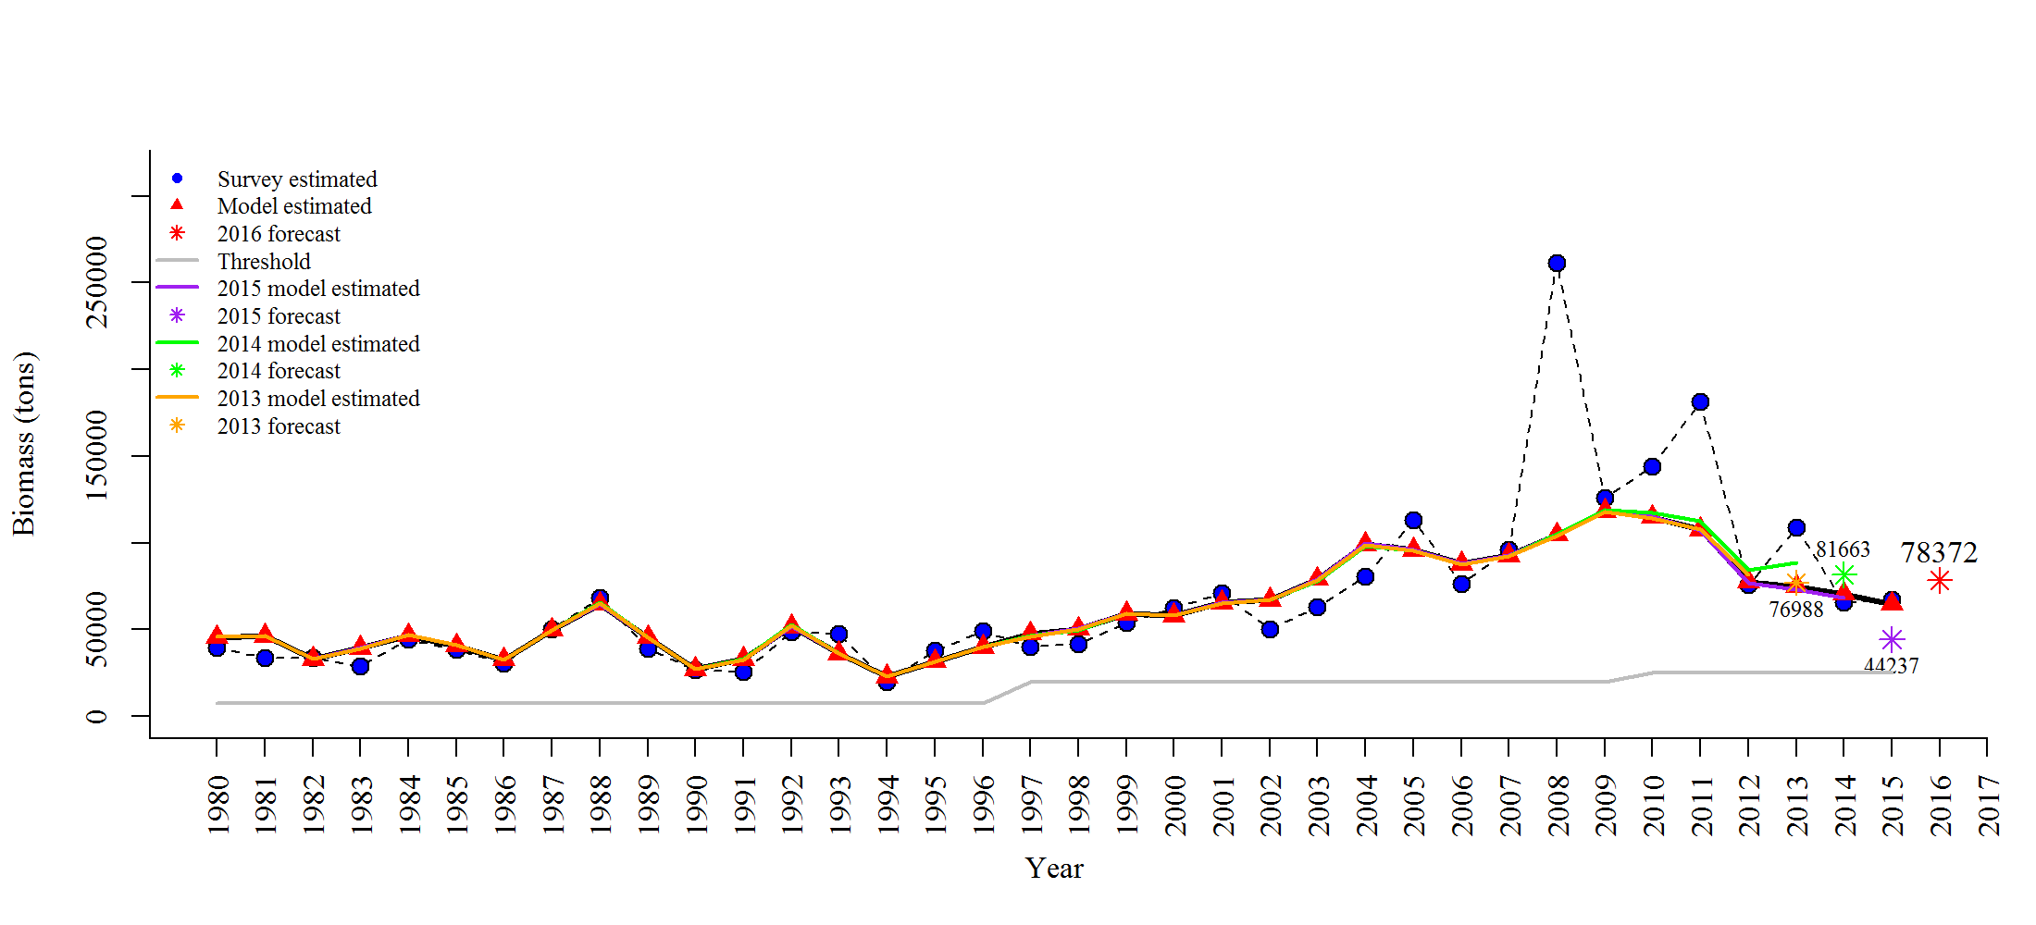
Year | tot_mat_B_tons | spawn_dep | tcb | yminusone | yminustwo | yminusthree
1980 | 45504.420291 | 35000 | 4385 | 45607.4 | 45793.9 | 45770.6
1981 | 46351.440728 | 30000 | 3506 | 46429.1 | 46510.1 | 46312.1
1982 | 32998.302432 | 29500 | 4363 | 32921.8 | 32837.8 | 32862.1
1983 | 39314.799709 | 23500 | 5450 | 39217.9 | 39167.7 | 39199.5
1984 | 46542.251813 | 38500 | 5830 | 46735.2 | 46842 | 46945.5
1985 | 40737.119425 | 31000 | 7475 | 40887.3 | 40888.4 | 40912.5
1986 | 32640.821006 | 25000 | 5443 | 32581.1 | 32570.6 | 32530.3
1987 | 49723.428647 | 46000 | 4216 | 49395.6 | 49812.9 | 49387.9
1988 | 64646.15622 | 58500 | 9575 | 64734.8 | 65430.3 | 65091.1
1989 | 45386.251901 | 27000 | 12135 | 45456.5 | 45565.6 | 45414.4
1990 | 27152.93547 | 23000 | 3804 | 27115 | 27020.5 | 27079.8
1991 | 32969.421724 | 23500 | 1908 | 32708.3 | 32893.9 | 32676.8
1992 | 51718.291849 | 43351 | 5368 | 51838.6 | 52545.3 | 52198.8
1993 | 36096.915717 | 37150 | 10186 | 36157.1 | 36350.1 | 36131.2
1994 | 22706.29864 | 14941 | 4886.91 | 22715.4 | 22673.7 | 22710.2
1995 | 31549.968033 | 34990 | 2977.9 | 31443.9 | 31567.3 | 31448.6
1996 | 39766.198549 | 40827 | 8249.15 | 39788 | 40038.3 | 39926
1997 | 47694.944774 | 28611 | 11254.5 | 46274.6 | 46303.1 | 46125.6
1998 | 50362.331621 | 34942 | 6786.56 | 50508.9 | 49691.5 | 50174.1
1999 | 59183.293282 | 44554 | 9421.46 | 59370.5 | 59053.8 | 59143
2000 | 58120.549395 | 57988 | 4619.37 | 58142.8 | 58170.3 | 57944.7
2001 | 65466.721048 | 58756 | 12060 | 65471.2 | 65339.5 | 65332.9
2002 | 67013.933288 | 40366 | 9935.5 | 67135 | 67294.3 | 67013.4
2003 | 78951.806698 | 55769 | 6956.11 | 79141.2 | 78036.9 | 78377.5
2004 | 99053.771027 | 69907 | 10616.6 | 99632.9 | 98122.1 | 98949.2
2005 | 95919.663132 | 101305 | 11520.3 | 96256.6 | 95280 | 95479.8
2006 | 87836.592517 | 66111 | 10069.4 | 87943.6 | 87551.9 | 87517.6
2007 | 92608.743579 | 84501 | 11762.3 | 92759.9 | 92547.9 | 92306.2
2008 | 104731.80626 | 247088 | 14560.4 | 105042 | 104845 | 104259
2009 | 118222.40349 | 110946 | 14874.5 | 118678 | 119147 | 117651
2010 | 114863.64338 | 126230 | 17963.5 | 114965 | 117452 | 114178
2011 | 107493.22075 | 161904 | 19539.2 | 107120 | 112391 | 107627
2012 | 77537.75436 | 62518 | 13308.5 | 76791.4 | 84512.2 | 81748.2
2013 | 74732.908574 | 103267 | 5785.72 | 73238.6 | 88438.7
2014 | 70568.134218 | 48561 | 17077.4 | 68398.5
2015 | 64659.604489 | 58183 | 8855.83

Figure 4
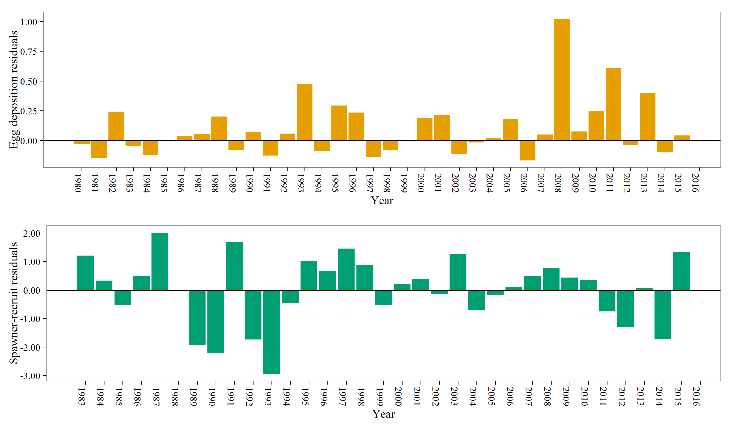
Year | res_SR | res_tot_egg
1980 | 1.20955 | -0.0266825
1981 | 0.332727 | -0.146915
1982 | -0.539386 | 0.242057
1983 | 0.472205 | -0.046323
1984 | 2.01016 | -0.124462
1985 | -0.03605 | -0.00125367
1986 | -1.93211 | 0.0407954
1987 | -2.20187 | 0.0562173
1988 | 1.6861 | 0.200708
1989 | -1.73559 | -0.081705
1990 | -2.94132 | 0.0692961
1991 | -0.451465 | -0.126631
1992 | 1.02559 | 0.0595029
1993 | 0.656661 | 0.474635
1994 | 1.4465 | -0.0862549
1995 | 0.887506 | 0.293432
1996 | -0.512596 | 0.236131
1997 | 0.204232 | -0.136906
1998 | 0.385259 | -0.0823344
1999 | -0.13482 | 0.00473593
2000 | 1.27309 | 0.18577
2001 | -0.697135 | 0.213473
2002 | -0.168872 | -0.116864
2003 | 0.112249 | -0.0157497
2004 | 0.477935 | 0.0195657
2005 | 0.760927 | 0.182551
2006 | 0.43835 | -0.166458
2007 | 0.341931 | 0.0499852
2008 | -0.753214 | 1.0207
2009 | -1.29439 | 0.0765573
2010 | 0.0565738 | 0.250698
2011 | -1.71477 | 0.608124
2012 | 1.33637 | -0.0370888
2013 | 0 | 0.401268
2014 | 0 | -0.0983946
2015 | 0 | 0.041713

Figure 5
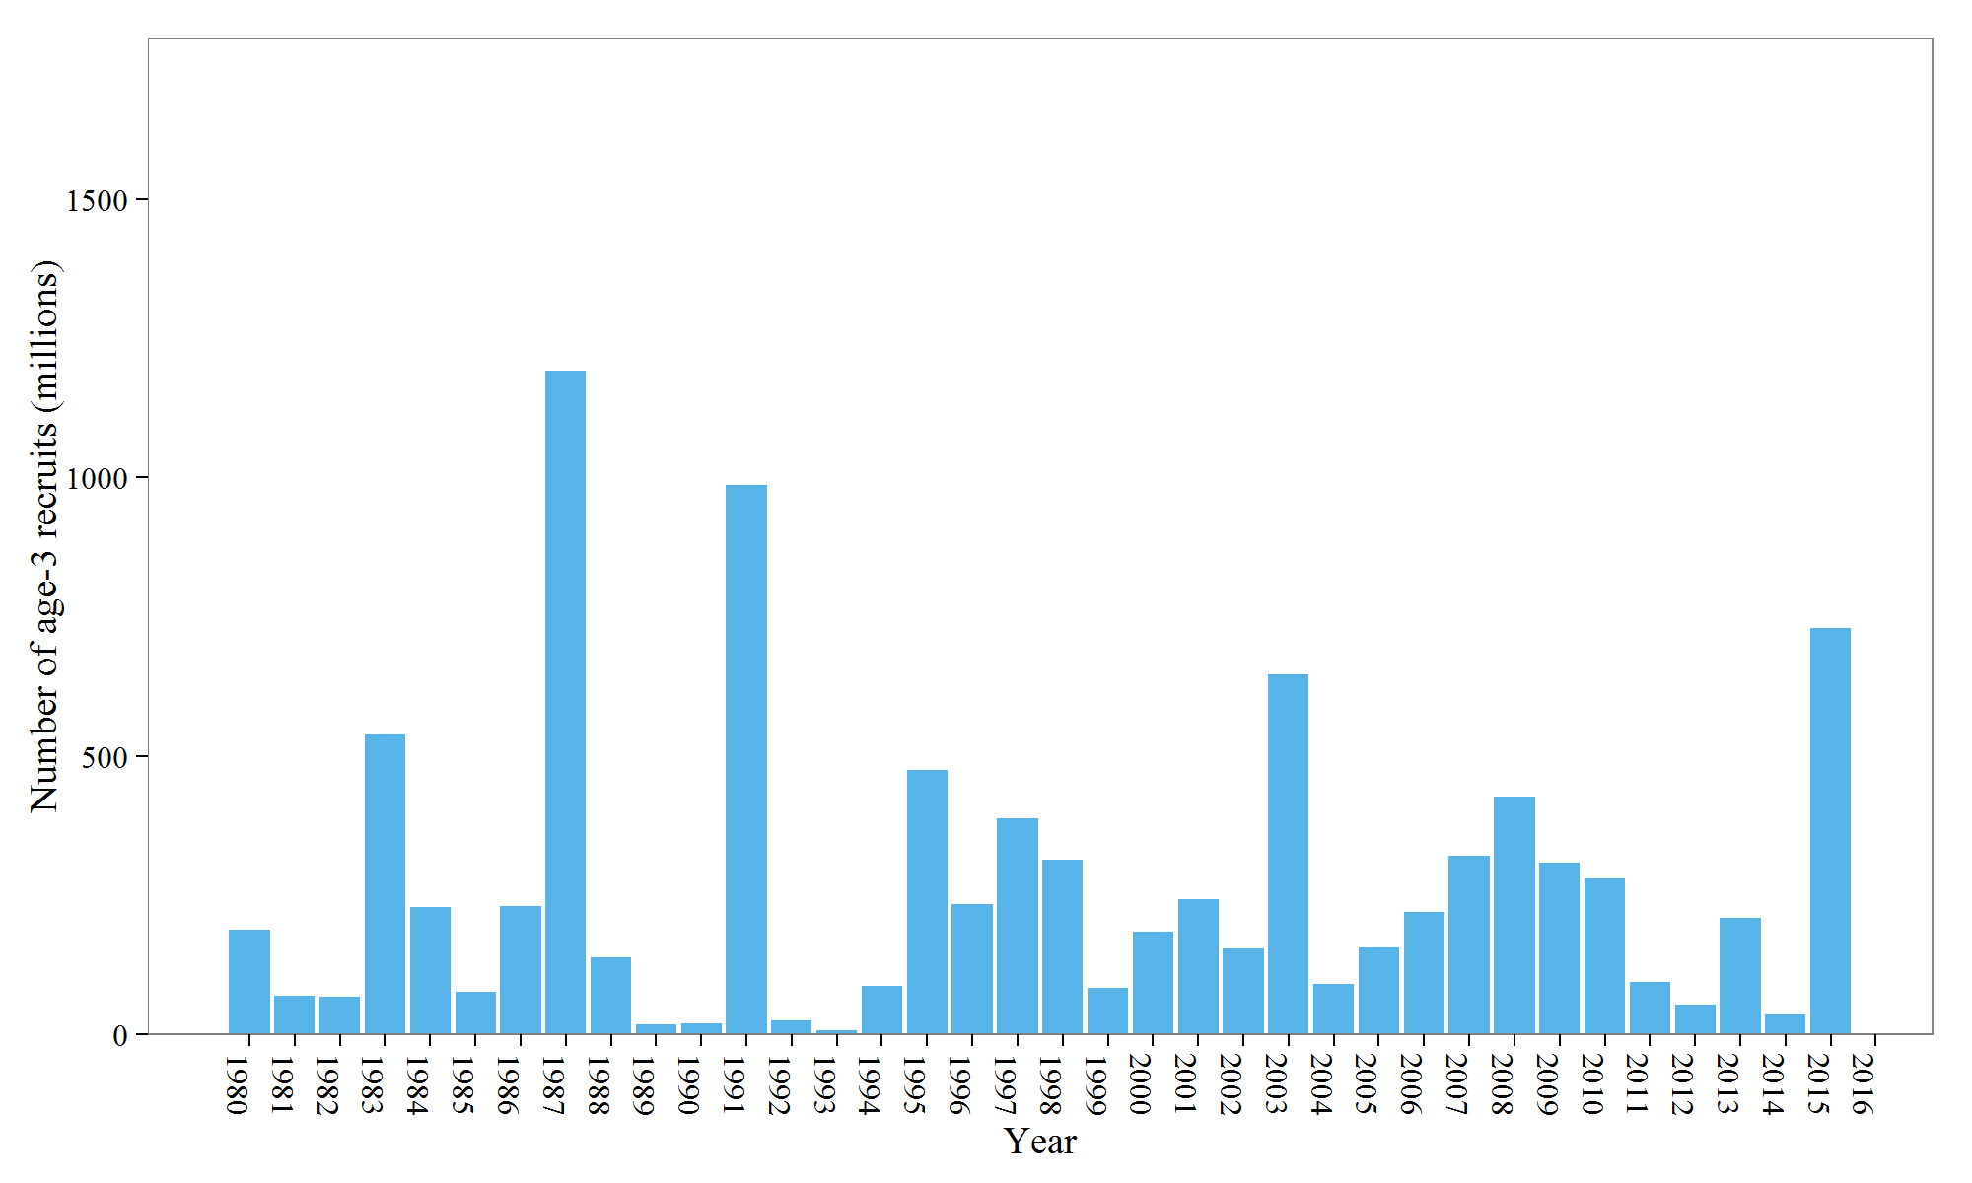
Year | init_age_3
1980 | 186.893
1981 | 69.0693
1982 | 66.3475
1983 | 538.138
1984 | 228.682
1985 | 75.3783
1986 | 230.679
1987 | 1192.14
1988 | 137.253
1989 | 18.0837
1990 | 18.6726
1991 | 986.884
1992 | 25.0804
1993 | 5.91787
1994 | 86.7951
1995 | 474.884
1996 | 232.822
1997 | 387.545
1998 | 313.543
1999 | 82.4081
2000 | 184.271
2001 | 243.052
2002 | 153.546
2003 | 646.052
2004 | 90.0161
2005 | 156.341
2006 | 219.612
2007 | 321.189
2008 | 426.344
2009 | 307.341
2010 | 279.936
2011 | 93.7033
2012 | 53.6302
2013 | 209.273
2014 | 35.8543
2015 | 729.351

Figure 6
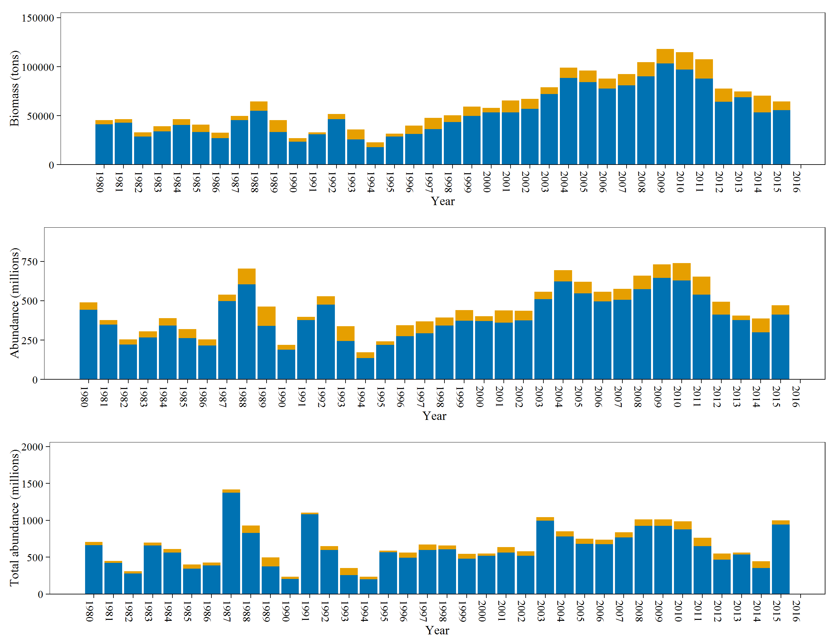
Year | tot_mat_B_tons | tot_sp_B_tons | N | tot_post_N | tot_sp_N | tot_mat_N
1980 | 45504.420291 | 41119.513217 | 707.74 | 661.266 | 443.121 | 489.595
1981 | 46351.440728 | 42845.411054 | 450.791 | 423.018 | 348.914 | 376.688
1982 | 32998.302432 | 28635.331467 | 310.539 | 277.78 | 221.533 | 254.292
1983 | 39314.799709 | 33864.833881 | 698.489 | 659.147 | 266.8 | 306.142
1984 | 46542.251813 | 40712.207059 | 609.181 | 563.144 | 342.671 | 388.708
1985 | 40737.119425 | 33262.086907 | 400.458 | 343.949 | 262.705 | 319.214
1986 | 32640.821006 | 27197.799775 | 429.227 | 388.919 | 214.592 | 254.9
1987 | 49723.428647 | 45507.506779 | 1416.64 | 1374.41 | 497.201 | 539.434
1988 | 64646.15622 | 55071.099451 | 930.644 | 829.617 | 603.756 | 704.783
1989 | 45386.251901 | 33251.284199 | 496.988 | 375.36 | 340.856 | 462.484
1990 | 27152.93547 | 23348.949492 | 235.352 | 204.91 | 188.642 | 219.084
1991 | 32969.421724 | 31061.421107 | 1105.17 | 1084.51 | 376.622 | 397.28
1992 | 51718.291849 | 46350.338411 | 651.125 | 597.915 | 474.622 | 527.831
1993 | 36096.915717 | 25910.954827 | 351.07 | 256.249 | 243.181 | 338.002
1994 | 22706.29864 | 17819.396371 | 234.717 | 198.912 | 135.851 | 171.656
1995 | 31549.968033 | 28572.058467 | 589.708 | 568.42 | 219.721 | 241.009
1996 | 39766.198549 | 31517.118984 | 560.948 | 492.378 | 275.1 | 343.67
1997 | 47694.944774 | 36440.507948 | 671.775 | 597.155 | 293.268 | 367.888
1998 | 50362.331621 | 43575.696113 | 658.256 | 607.392 | 341.701 | 392.565
1999 | 59183.293282 | 49761.789281 | 546.006 | 477.749 | 372.159 | 440.415
2000 | 58120.549395 | 53501.179479 | 548.917 | 518.042 | 371.386 | 402.262
2001 | 65466.721048 | 53406.710906 | 638.452 | 561.434 | 360.541 | 437.559
2002 | 67013.933288 | 57078.418836 | 582.066 | 520.303 | 374.944 | 436.706
2003 | 78951.806698 | 71995.745056 | 1043.18 | 997.122 | 511.086 | 557.143
2004 | 99053.771027 | 88437.134857 | 851.078 | 779.555 | 622.641 | 694.165
2005 | 95919.663132 | 84399.347428 | 751.343 | 678.523 | 546.923 | 619.744
2006 | 87836.592517 | 77767.146542 | 737.501 | 675.847 | 495.5 | 557.154
2007 | 92608.743579 | 80846.469278 | 837.036 | 767.695 | 505.46 | 574.801
2008 | 104731.80626 | 90171.410304 | 1012.29 | 926.161 | 573.947 | 660.08
2009 | 118222.40349 | 103348.2881 | 1014.24 | 927.025 | 644.321 | 731.537
2010 | 114863.64338 | 96899.953703 | 987.497 | 877.722 | 629.848 | 739.623
2011 | 107493.22075 | 87953.989285 | 763.632 | 648.629 | 539.204 | 654.208
2012 | 77537.75436 | 64229.259904 | 548.702 | 465.609 | 411.176 | 494.268
2013 | 74732.908574 | 68947.176966 | 564.653 | 534.701 | 376.433 | 406.385
2014 | 70568.134218 | 53490.707467 | 443.97 | 354.671 | 298.868 | 388.167
2015 | 64659.604489 | 55803.809608 | 1000.06 | 941.277 | 412.613 | 471.392

Figure 7
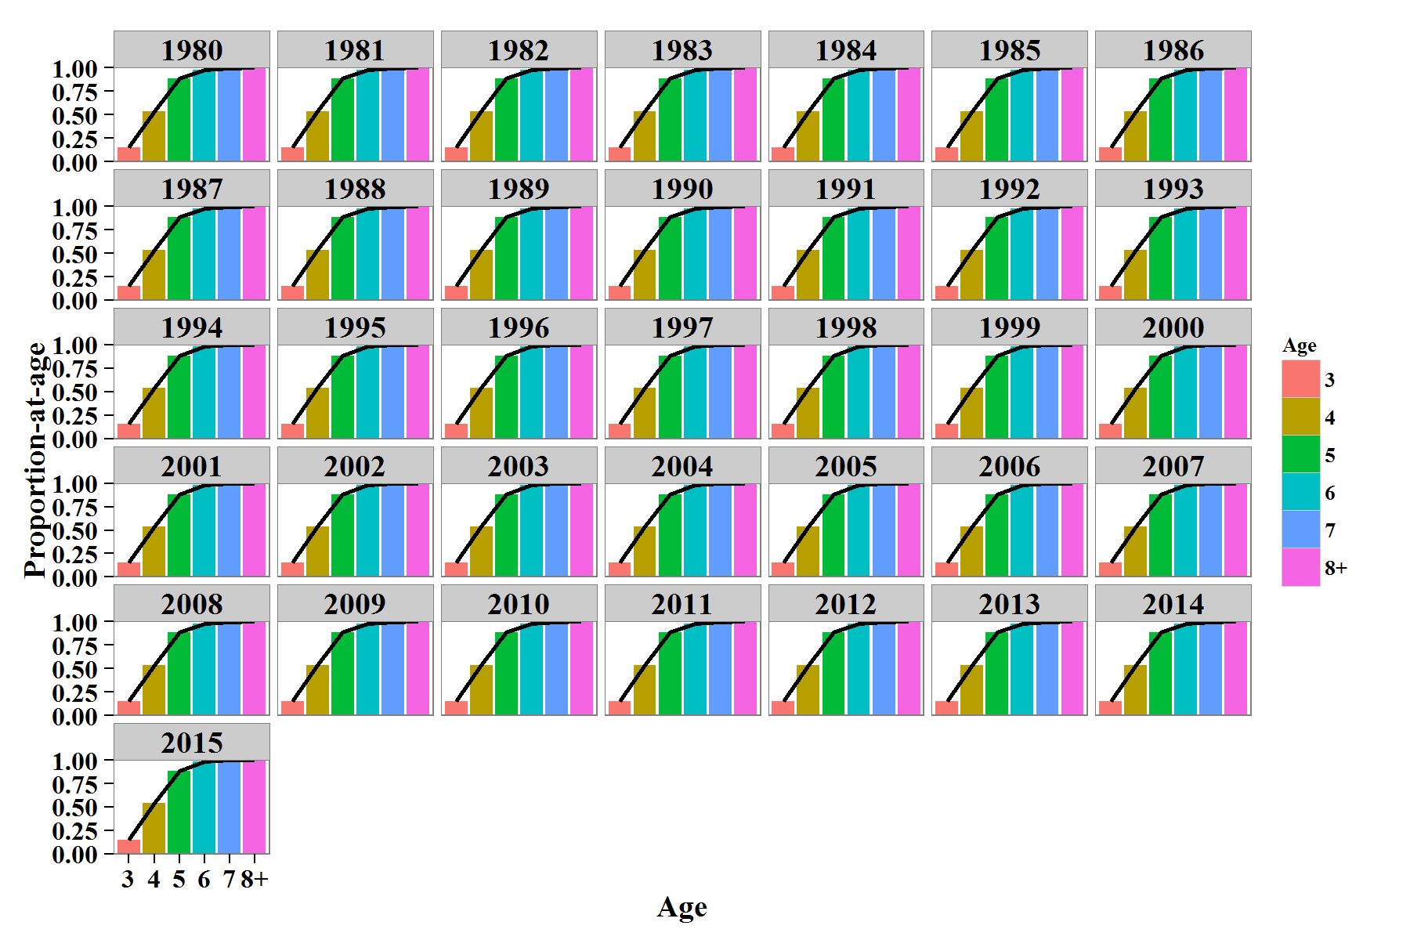
Gear Selectivity | Year | Age | GS | Year | Age | MAT | Year | Age | S
 | 1980 | 3 | 0.152486 | 1980 | 3 | 0.284859 | 1980 | 3 | 0.577259
 | 1981 | 3 | 0.152486 | 1981 | 3 | 0.284859 | 1981 | 3 | 0.577259
 | 1982 | 3 | 0.152486 | 1982 | 3 | 0.284859 | 1982 | 3 | 0.577259
 | 1983 | 3 | 0.152486 | 1983 | 3 | 0.284859 | 1983 | 3 | 0.577259
 | 1984 | 3 | 0.152486 | 1984 | 3 | 0.284859 | 1984 | 3 | 0.577259
 | 1985 | 3 | 0.152486 | 1985 | 3 | 0.284859 | 1985 | 3 | 0.577259
 | 1986 | 3 | 0.152486 | 1986 | 3 | 0.284859 | 1986 | 3 | 0.577259
 | 1987 | 3 | 0.152486 | 1987 | 3 | 0.284859 | 1987 | 3 | 0.577259
 | 1988 | 3 | 0.152486 | 1988 | 3 | 0.284859 | 1988 | 3 | 0.577259
 | 1989 | 3 | 0.152486 | 1989 | 3 | 0.284859 | 1989 | 3 | 0.577259
 | 1990 | 3 | 0.152486 | 1990 | 3 | 0.284859 | 1990 | 3 | 0.577259
 | 1991 | 3 | 0.152486 | 1991 | 3 | 0.284859 | 1991 | 3 | 0.577259
 | 1992 | 3 | 0.152486 | 1992 | 3 | 0.284859 | 1992 | 3 | 0.577259
 | 1993 | 3 | 0.152486 | 1993 | 3 | 0.284859 | 1993 | 3 | 0.577259
 | 1994 | 3 | 0.152486 | 1994 | 3 | 0.284859 | 1994 | 3 | 0.577259
 | 1995 | 3 | 0.152486 | 1995 | 3 | 0.284859 | 1995 | 3 | 0.577259
 | 1996 | 3 | 0.152486 | 1996 | 3 | 0.284859 | 1996 | 3 | 0.577259
 | 1997 | 3 | 0.152486 | 1997 | 3 | 0.284859 | 1997 | 3 | 0.577259
 | 1998 | 3 | 0.152486 | 1998 | 3 | 0.284859 | 1998 | 3 | 0.577259
 | 1999 | 3 | 0.152486 | 1999 | 3 | 0.284859 | 1999 | 3 | 0.763259
 | 2000 | 3 | 0.152486 | 2000 | 3 | 0.284859 | 2000 | 3 | 0.763259
 | 2001 | 3 | 0.152486 | 2001 | 3 | 0.284859 | 2001 | 3 | 0.763259
 | 2002 | 3 | 0.152486 | 2002 | 3 | 0.284859 | 2002 | 3 | 0.763259
 | 2003 | 3 | 0.152486 | 2003 | 3 | 0.284859 | 2003 | 3 | 0.763259
 | 2004 | 3 | 0.152486 | 2004 | 3 | 0.284859 | 2004 | 3 | 0.763259
 | 2005 | 3 | 0.152486 | 2005 | 3 | 0.284859 | 2005 | 3 | 0.763259
 | 2006 | 3 | 0.152486 | 2006 | 3 | 0.284859 | 2006 | 3 | 0.763259
 | 2007 | 3 | 0.152486 | 2007 | 3 | 0.284859 | 2007 | 3 | 0.763259
 | 2008 | 3 | 0.152486 | 2008 | 3 | 0.284859 | 2008 | 3 | 0.763259
 | 2009 | 3 | 0.152486 | 2009 | 3 | 0.284859 | 2009 | 3 | 0.763259
 | 2010 | 3 | 0.152486 | 2010 | 3 | 0.284859 | 2010 | 3 | 0.763259
 | 2011 | 3 | 0.152486 | 2011 | 3 | 0.284859 | 2011 | 3 | 0.763259
Maturity | 2012 | 3 | 0.152486 | 2012 | 3 | 0.284859 | 2012 | 3 | 0.763259
 | 2013 | 3 | 0.152486 | 2013 | 3 | 0.284859 | 2013 | 3 | 0.763259
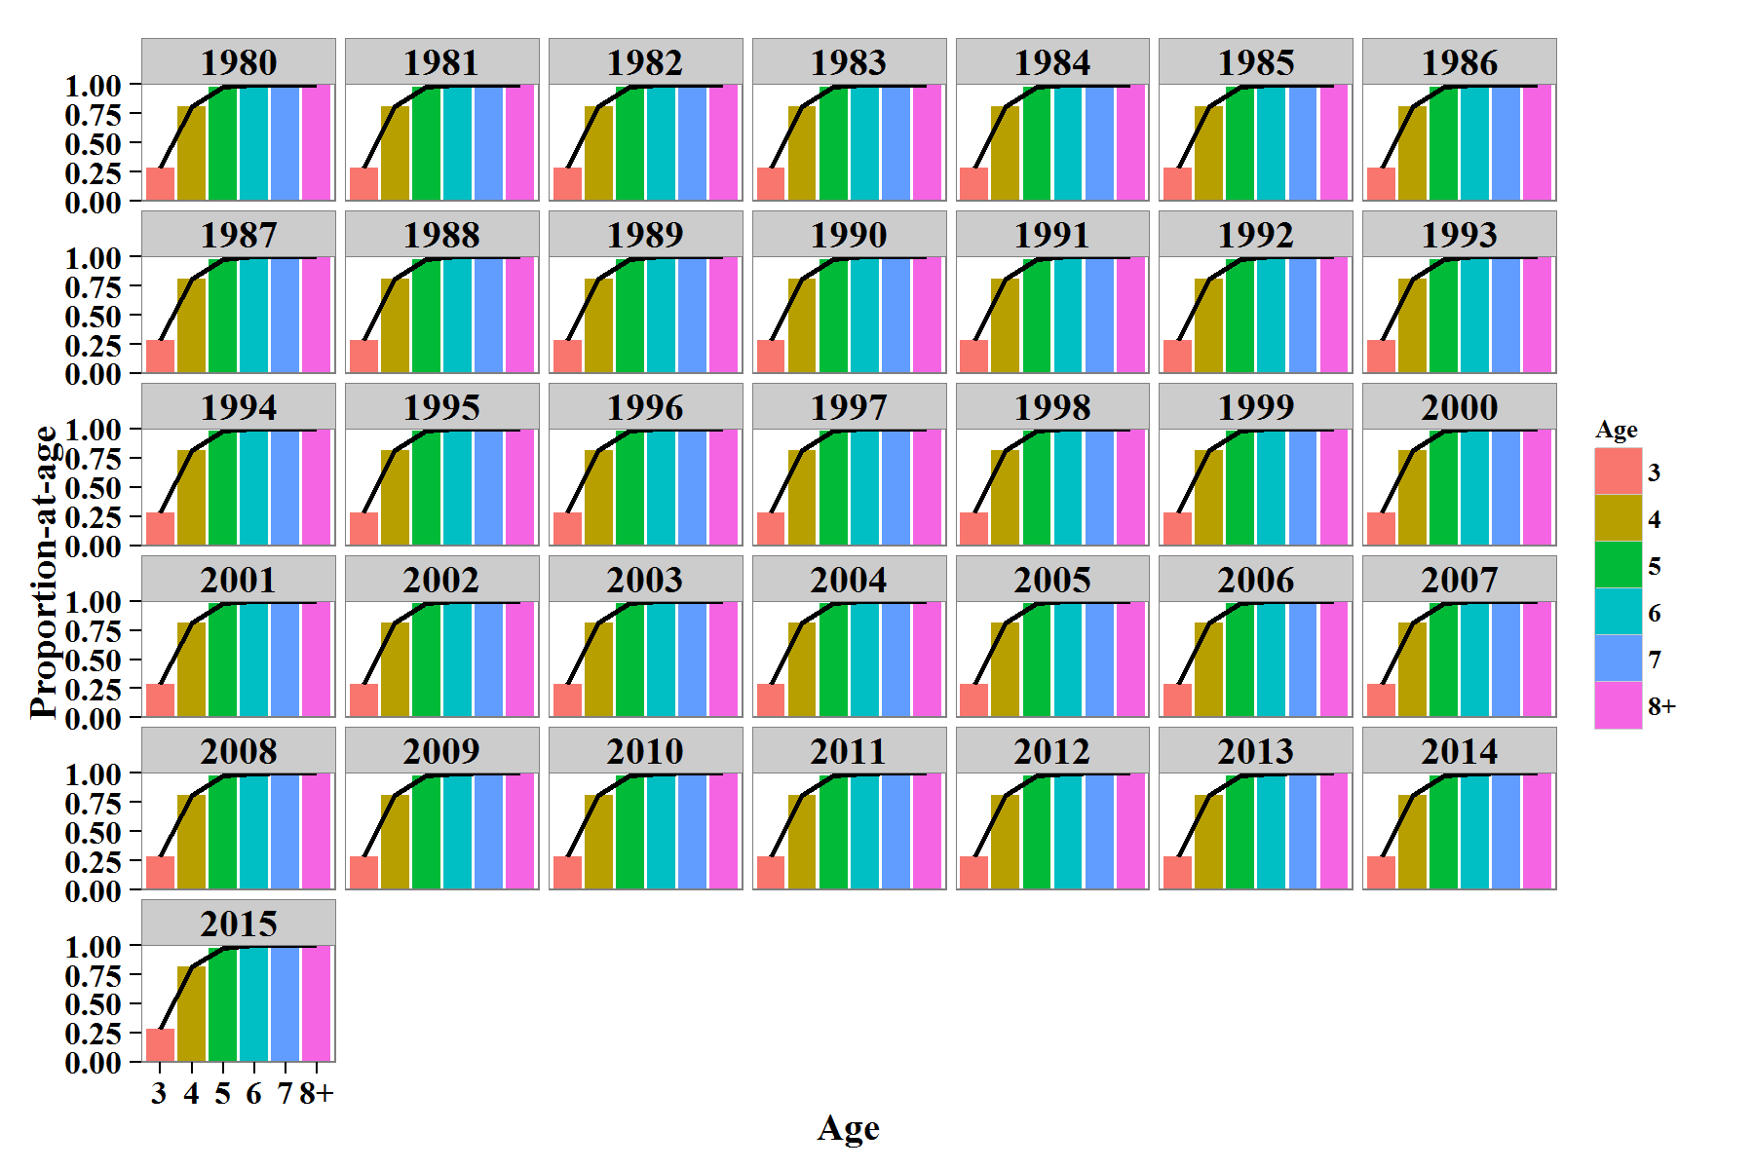
 | 2014 | 3 | 0.152486 | 2014 | 3 | 0.284859 | 2014 | 3 | 0.763259
 | 2015 | 3 | 0.152486 | 2015 | 3 | 0.284859 | 2015 | 3 | 0.763259
 | 1980 | 4 | 0.538227 | 1980 | 4 | 0.813044 | 1980 | 4 | 0.577259
 | 1981 | 4 | 0.538227 | 1981 | 4 | 0.813044 | 1981 | 4 | 0.577259
 | 1982 | 4 | 0.538227 | 1982 | 4 | 0.813044 | 1982 | 4 | 0.577259
 | 1983 | 4 | 0.538227 | 1983 | 4 | 0.813044 | 1983 | 4 | 0.577259
 | 1984 | 4 | 0.538227 | 1984 | 4 | 0.813044 | 1984 | 4 | 0.577259
 | 1985 | 4 | 0.538227 | 1985 | 4 | 0.813044 | 1985 | 4 | 0.577259
 | 1986 | 4 | 0.538227 | 1986 | 4 | 0.813044 | 1986 | 4 | 0.577259
 | 1987 | 4 | 0.538227 | 1987 | 4 | 0.813044 | 1987 | 4 | 0.577259
 | 1988 | 4 | 0.538227 | 1988 | 4 | 0.813044 | 1988 | 4 | 0.577259
 | 1989 | 4 | 0.538227 | 1989 | 4 | 0.813044 | 1989 | 4 | 0.577259
 | 1990 | 4 | 0.538227 | 1990 | 4 | 0.813044 | 1990 | 4 | 0.577259
 | 1991 | 4 | 0.538227 | 1991 | 4 | 0.813044 | 1991 | 4 | 0.577259
 | 1992 | 4 | 0.538227 | 1992 | 4 | 0.813044 | 1992 | 4 | 0.577259
 | 1993 | 4 | 0.538227 | 1993 | 4 | 0.813044 | 1993 | 4 | 0.577259
 | 1994 | 4 | 0.538227 | 1994 | 4 | 0.813044 | 1994 | 4 | 0.577259
 | 1995 | 4 | 0.538227 | 1995 | 4 | 0.813044 | 1995 | 4 | 0.577259
 | 1996 | 4 | 0.538227 | 1996 | 4 | 0.813044 | 1996 | 4 | 0.577259
 | 1997 | 4 | 0.538227 | 1997 | 4 | 0.813044 | 1997 | 4 | 0.577259
 | 1998 | 4 | 0.538227 | 1998 | 4 | 0.813044 | 1998 | 4 | 0.577259
 | 1999 | 4 | 0.538227 | 1999 | 4 | 0.813044 | 1999 | 4 | 0.763259
 | 2000 | 4 | 0.538227 | 2000 | 4 | 0.813044 | 2000 | 4 | 0.763259
 | 2001 | 4 | 0.538227 | 2001 | 4 | 0.813044 | 2001 | 4 | 0.763259
 | 2002 | 4 | 0.538227 | 2002 | 4 | 0.813044 | 2002 | 4 | 0.763259
 | 2003 | 4 | 0.538227 | 2003 | 4 | 0.813044 | 2003 | 4 | 0.763259
 | 2004 | 4 | 0.538227 | 2004 | 4 | 0.813044 | 2004 | 4 | 0.763259
 | 2005 | 4 | 0.538227 | 2005 | 4 | 0.813044 | 2005 | 4 | 0.763259
 | 2006 | 4 | 0.538227 | 2006 | 4 | 0.813044 | 2006 | 4 | 0.763259
 | 2007 | 4 | 0.538227 | 2007 | 4 | 0.813044 | 2007 | 4 | 0.763259
 | 2008 | 4 | 0.538227 | 2008 | 4 | 0.813044 | 2008 | 4 | 0.763259
 | 2009 | 4 | 0.538227 | 2009 | 4 | 0.813044 | 2009 | 4 | 0.763259
 | 2010 | 4 | 0.538227 | 2010 | 4 | 0.813044 | 2010 | 4 | 0.763259
Survival | 2011 | 4 | 0.538227 | 2011 | 4 | 0.813044 | 2011 | 4 | 0.763259
 | 2012 | 4 | 0.538227 | 2012 | 4 | 0.813044 | 2012 | 4 | 0.763259
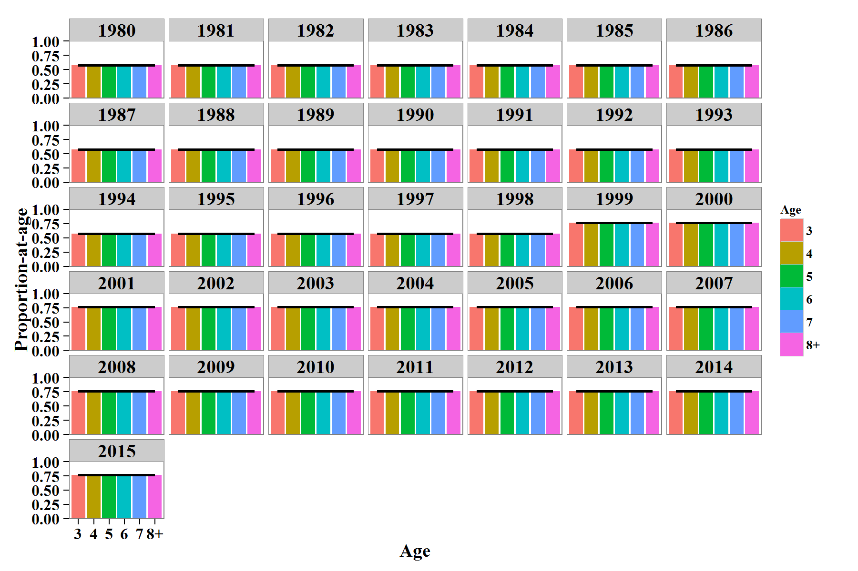
 | 2013 | 4 | 0.538227 | 2013 | 4 | 0.813044 | 2013 | 4 | 0.763259
 | 2014 | 4 | 0.538227 | 2014 | 4 | 0.813044 | 2014 | 4 | 0.763259
 | 2015 | 4 | 0.538227 | 2015 | 4 | 0.813044 | 2015 | 4 | 0.763259
 | 1980 | 5 | 0.883324 | 1980 | 5 | 0.979373 | 1980 | 5 | 0.577259
 | 1981 | 5 | 0.883324 | 1981 | 5 | 0.979373 | 1981 | 5 | 0.577259
 | 1982 | 5 | 0.883324 | 1982 | 5 | 0.979373 | 1982 | 5 | 0.577259
 | 1983 | 5 | 0.883324 | 1983 | 5 | 0.979373 | 1983 | 5 | 0.577259
 | 1984 | 5 | 0.883324 | 1984 | 5 | 0.979373 | 1984 | 5 | 0.577259
 | 1985 | 5 | 0.883324 | 1985 | 5 | 0.979373 | 1985 | 5 | 0.577259
 | 1986 | 5 | 0.883324 | 1986 | 5 | 0.979373 | 1986 | 5 | 0.577259
 | 1987 | 5 | 0.883324 | 1987 | 5 | 0.979373 | 1987 | 5 | 0.577259
 | 1988 | 5 | 0.883324 | 1988 | 5 | 0.979373 | 1988 | 5 | 0.577259
 | 1989 | 5 | 0.883324 | 1989 | 5 | 0.979373 | 1989 | 5 | 0.577259
 | 1990 | 5 | 0.883324 | 1990 | 5 | 0.979373 | 1990 | 5 | 0.577259
 | 1991 | 5 | 0.883324 | 1991 | 5 | 0.979373 | 1991 | 5 | 0.577259
 | 1992 | 5 | 0.883324 | 1992 | 5 | 0.979373 | 1992 | 5 | 0.577259
 | 1993 | 5 | 0.883324 | 1993 | 5 | 0.979373 | 1993 | 5 | 0.577259
 | 1994 | 5 | 0.883324 | 1994 | 5 | 0.979373 | 1994 | 5 | 0.577259
 | 1995 | 5 | 0.883324 | 1995 | 5 | 0.979373 | 1995 | 5 | 0.577259
 | 1996 | 5 | 0.883324 | 1996 | 5 | 0.979373 | 1996 | 5 | 0.577259
 | 1997 | 5 | 0.883324 | 1997 | 5 | 0.979373 | 1997 | 5 | 0.577259
 | 1998 | 5 | 0.883324 | 1998 | 5 | 0.979373 | 1998 | 5 | 0.577259
 | 1999 | 5 | 0.883324 | 1999 | 5 | 0.979373 | 1999 | 5 | 0.763259
 | 2000 | 5 | 0.883324 | 2000 | 5 | 0.979373 | 2000 | 5 | 0.763259
 | 2001 | 5 | 0.883324 | 2001 | 5 | 0.979373 | 2001 | 5 | 0.763259
 | 2002 | 5 | 0.883324 | 2002 | 5 | 0.979373 | 2002 | 5 | 0.763259
 | 2003 | 5 | 0.883324 | 2003 | 5 | 0.979373 | 2003 | 5 | 0.763259
 | 2004 | 5 | 0.883324 | 2004 | 5 | 0.979373 | 2004 | 5 | 0.763259
 | 2005 | 5 | 0.883324 | 2005 | 5 | 0.979373 | 2005 | 5 | 0.763259
 | 2006 | 5 | 0.883324 | 2006 | 5 | 0.979373 | 2006 | 5 | 0.763259
 | 2007 | 5 | 0.883324 | 2007 | 5 | 0.979373 | 2007 | 5 | 0.763259
 | 2008 | 5 | 0.883324 | 2008 | 5 | 0.979373 | 2008 | 5 | 0.763259
 | 2009 | 5 | 0.883324 | 2009 | 5 | 0.979373 | 2009 | 5 | 0.763259
 | 2010 | 5 | 0.883324 | 2010 | 5 | 0.979373 | 2010 | 5 | 0.763259
 | 2011 | 5 | 0.883324 | 2011 | 5 | 0.979373 | 2011 | 5 | 0.763259
 | 2012 | 5 | 0.883324 | 2012 | 5 | 0.979373 | 2012 | 5 | 0.763259
 | 2013 | 5 | 0.883324 | 2013 | 5 | 0.979373 | 2013 | 5 | 0.763259
 | 2014 | 5 | 0.883324 | 2014 | 5 | 0.979373 | 2014 | 5 | 0.763259
 | 2015 | 5 | 0.883324 | 2015 | 5 | 0.979373 | 2015 | 5 | 0.763259
 | 1980 | 6 | 0.980405 | 1980 | 6 | 0.998075 | 1980 | 6 | 0.577259
 | 1981 | 6 | 0.980405 | 1981 | 6 | 0.998075 | 1981 | 6 | 0.577259
 | 1982 | 6 | 0.980405 | 1982 | 6 | 0.998075 | 1982 | 6 | 0.577259
 | 1983 | 6 | 0.980405 | 1983 | 6 | 0.998075 | 1983 | 6 | 0.577259
 | 1984 | 6 | 0.980405 | 1984 | 6 | 0.998075 | 1984 | 6 | 0.577259
 | 1985 | 6 | 0.980405 | 1985 | 6 | 0.998075 | 1985 | 6 | 0.577259
 | 1986 | 6 | 0.980405 | 1986 | 6 | 0.998075 | 1986 | 6 | 0.577259
 | 1987 | 6 | 0.980405 | 1987 | 6 | 0.998075 | 1987 | 6 | 0.577259
 | 1988 | 6 | 0.980405 | 1988 | 6 | 0.998075 | 1988 | 6 | 0.577259
 | 1989 | 6 | 0.980405 | 1989 | 6 | 0.998075 | 1989 | 6 | 0.577259
 | 1990 | 6 | 0.980405 | 1990 | 6 | 0.998075 | 1990 | 6 | 0.577259
 | 1991 | 6 | 0.980405 | 1991 | 6 | 0.998075 | 1991 | 6 | 0.577259
 | 1992 | 6 | 0.980405 | 1992 | 6 | 0.998075 | 1992 | 6 | 0.577259
 | 1993 | 6 | 0.980405 | 1993 | 6 | 0.998075 | 1993 | 6 | 0.577259
 | 1994 | 6 | 0.980405 | 1994 | 6 | 0.998075 | 1994 | 6 | 0.577259
 | 1995 | 6 | 0.980405 | 1995 | 6 | 0.998075 | 1995 | 6 | 0.577259
 | 1996 | 6 | 0.980405 | 1996 | 6 | 0.998075 | 1996 | 6 | 0.577259
 | 1997 | 6 | 0.980405 | 1997 | 6 | 0.998075 | 1997 | 6 | 0.577259
 | 1998 | 6 | 0.980405 | 1998 | 6 | 0.998075 | 1998 | 6 | 0.577259
 | 1999 | 6 | 0.980405 | 1999 | 6 | 0.998075 | 1999 | 6 | 0.763259
 | 2000 | 6 | 0.980405 | 2000 | 6 | 0.998075 | 2000 | 6 | 0.763259
 | 2001 | 6 | 0.980405 | 2001 | 6 | 0.998075 | 2001 | 6 | 0.763259
 | 2002 | 6 | 0.980405 | 2002 | 6 | 0.998075 | 2002 | 6 | 0.763259
 | 2003 | 6 | 0.980405 | 2003 | 6 | 0.998075 | 2003 | 6 | 0.763259
 | 2004 | 6 | 0.980405 | 2004 | 6 | 0.998075 | 2004 | 6 | 0.763259
 | 2005 | 6 | 0.980405 | 2005 | 6 | 0.998075 | 2005 | 6 | 0.763259
 | 2006 | 6 | 0.980405 | 2006 | 6 | 0.998075 | 2006 | 6 | 0.763259
 | 2007 | 6 | 0.980405 | 2007 | 6 | 0.998075 | 2007 | 6 | 0.763259
 | 2008 | 6 | 0.980405 | 2008 | 6 | 0.998075 | 2008 | 6 | 0.763259
 | 2009 | 6 | 0.980405 | 2009 | 6 | 0.998075 | 2009 | 6 | 0.763259
 | 2010 | 6 | 0.980405 | 2010 | 6 | 0.998075 | 2010 | 6 | 0.763259
 | 2011 | 6 | 0.980405 | 2011 | 6 | 0.998075 | 2011 | 6 | 0.763259
 | 2012 | 6 | 0.980405 | 2012 | 6 | 0.998075 | 2012 | 6 | 0.763259
 | 2013 | 6 | 0.980405 | 2013 | 6 | 0.998075 | 2013 | 6 | 0.763259
 | 2014 | 6 | 0.980405 | 2014 | 6 | 0.998075 | 2014 | 6 | 0.763259
 | 2015 | 6 | 0.980405 | 2015 | 6 | 0.998075 | 2015 | 6 | 0.763259
 | 1980 | 7 | 0.997333 | 1980 | 7 | 0.999823 | 1980 | 7 | 0.577259
 | 1981 | 7 | 0.997333 | 1981 | 7 | 0.999823 | 1981 | 7 | 0.577259
 | 1982 | 7 | 0.997333 | 1982 | 7 | 0.999823 | 1982 | 7 | 0.577259
 | 1983 | 7 | 0.997333 | 1983 | 7 | 0.999823 | 1983 | 7 | 0.577259
 | 1984 | 7 | 0.997333 | 1984 | 7 | 0.999823 | 1984 | 7 | 0.577259
 | 1985 | 7 | 0.997333 | 1985 | 7 | 0.999823 | 1985 | 7 | 0.577259
 | 1986 | 7 | 0.997333 | 1986 | 7 | 0.999823 | 1986 | 7 | 0.577259
 | 1987 | 7 | 0.997333 | 1987 | 7 | 0.999823 | 1987 | 7 | 0.577259
 | 1988 | 7 | 0.997333 | 1988 | 7 | 0.999823 | 1988 | 7 | 0.577259
 | 1989 | 7 | 0.997333 | 1989 | 7 | 0.999823 | 1989 | 7 | 0.577259
 | 1990 | 7 | 0.997333 | 1990 | 7 | 0.999823 | 1990 | 7 | 0.577259
 | 1991 | 7 | 0.997333 | 1991 | 7 | 0.999823 | 1991 | 7 | 0.577259
 | 1992 | 7 | 0.997333 | 1992 | 7 | 0.999823 | 1992 | 7 | 0.577259
 | 1993 | 7 | 0.997333 | 1993 | 7 | 0.999823 | 1993 | 7 | 0.577259
 | 1994 | 7 | 0.997333 | 1994 | 7 | 0.999823 | 1994 | 7 | 0.577259
 | 1995 | 7 | 0.997333 | 1995 | 7 | 0.999823 | 1995 | 7 | 0.577259
 | 1996 | 7 | 0.997333 | 1996 | 7 | 0.999823 | 1996 | 7 | 0.577259
 | 1997 | 7 | 0.997333 | 1997 | 7 | 0.999823 | 1997 | 7 | 0.577259
 | 1998 | 7 | 0.997333 | 1998 | 7 | 0.999823 | 1998 | 7 | 0.577259
 | 1999 | 7 | 0.997333 | 1999 | 7 | 0.999823 | 1999 | 7 | 0.763259
 | 2000 | 7 | 0.997333 | 2000 | 7 | 0.999823 | 2000 | 7 | 0.763259
 | 2001 | 7 | 0.997333 | 2001 | 7 | 0.999823 | 2001 | 7 | 0.763259
 | 2002 | 7 | 0.997333 | 2002 | 7 | 0.999823 | 2002 | 7 | 0.763259
 | 2003 | 7 | 0.997333 | 2003 | 7 | 0.999823 | 2003 | 7 | 0.763259
 | 2004 | 7 | 0.997333 | 2004 | 7 | 0.999823 | 2004 | 7 | 0.763259
 | 2005 | 7 | 0.997333 | 2005 | 7 | 0.999823 | 2005 | 7 | 0.763259
 | 2006 | 7 | 0.997333 | 2006 | 7 | 0.999823 | 2006 | 7 | 0.763259
 | 2007 | 7 | 0.997333 | 2007 | 7 | 0.999823 | 2007 | 7 | 0.763259
 | 2008 | 7 | 0.997333 | 2008 | 7 | 0.999823 | 2008 | 7 | 0.763259
 | 2009 | 7 | 0.997333 | 2009 | 7 | 0.999823 | 2009 | 7 | 0.763259
 | 2010 | 7 | 0.997333 | 2010 | 7 | 0.999823 | 2010 | 7 | 0.763259
 | 2011 | 7 | 0.997333 | 2011 | 7 | 0.999823 | 2011 | 7 | 0.763259
 | 2012 | 7 | 0.997333 | 2012 | 7 | 0.999823 | 2012 | 7 | 0.763259
 | 2013 | 7 | 0.997333 | 2013 | 7 | 0.999823 | 2013 | 7 | 0.763259
 | 2014 | 7 | 0.997333 | 2014 | 7 | 0.999823 | 2014 | 7 | 0.763259
 | 2015 | 7 | 0.997333 | 2015 | 7 | 0.999823 | 2015 | 7 | 0.763259
 | 1980 | 8+ | 1 | 1980 | 8+ | 0.999984 | 1980 | 8+ | 0.577259
 | 1981 | 8+ | 1 | 1981 | 8+ | 0.999984 | 1981 | 8+ | 0.577259
 | 1982 | 8+ | 1 | 1982 | 8+ | 0.999984 | 1982 | 8+ | 0.577259
 | 1983 | 8+ | 1 | 1983 | 8+ | 0.999984 | 1983 | 8+ | 0.577259
 | 1984 | 8+ | 1 | 1984 | 8+ | 0.999984 | 1984 | 8+ | 0.577259
 | 1985 | 8+ | 1 | 1985 | 8+ | 0.999984 | 1985 | 8+ | 0.577259
 | 1986 | 8+ | 1 | 1986 | 8+ | 0.999984 | 1986 | 8+ | 0.577259
 | 1987 | 8+ | 1 | 1987 | 8+ | 0.999984 | 1987 | 8+ | 0.577259
 | 1988 | 8+ | 1 | 1988 | 8+ | 0.999984 | 1988 | 8+ | 0.577259
 | 1989 | 8+ | 1 | 1989 | 8+ | 0.999984 | 1989 | 8+ | 0.577259
 | 1990 | 8+ | 1 | 1990 | 8+ | 0.999984 | 1990 | 8+ | 0.577259
 | 1991 | 8+ | 1 | 1991 | 8+ | 0.999984 | 1991 | 8+ | 0.577259
 | 1992 | 8+ | 1 | 1992 | 8+ | 0.999984 | 1992 | 8+ | 0.577259
 | 1993 | 8+ | 1 | 1993 | 8+ | 0.999984 | 1993 | 8+ | 0.577259
 | 1994 | 8+ | 1 | 1994 | 8+ | 0.999984 | 1994 | 8+ | 0.577259
 | 1995 | 8+ | 1 | 1995 | 8+ | 0.999984 | 1995 | 8+ | 0.577259
 | 1996 | 8+ | 1 | 1996 | 8+ | 0.999984 | 1996 | 8+ | 0.577259
 | 1997 | 8+ | 1 | 1997 | 8+ | 0.999984 | 1997 | 8+ | 0.577259
 | 1998 | 8+ | 1 | 1998 | 8+ | 0.999984 | 1998 | 8+ | 0.577259
 | 1999 | 8+ | 1 | 1999 | 8+ | 0.999984 | 1999 | 8+ | 0.763259
 | 2000 | 8+ | 1 | 2000 | 8+ | 0.999984 | 2000 | 8+ | 0.763259
 | 2001 | 8+ | 1 | 2001 | 8+ | 0.999984 | 2001 | 8+ | 0.763259
 | 2002 | 8+ | 1 | 2002 | 8+ | 0.999984 | 2002 | 8+ | 0.763259
 | 2003 | 8+ | 1 | 2003 | 8+ | 0.999984 | 2003 | 8+ | 0.763259
 | 2004 | 8+ | 1 | 2004 | 8+ | 0.999984 | 2004 | 8+ | 0.763259
 | 2005 | 8+ | 1 | 2005 | 8+ | 0.999984 | 2005 | 8+ | 0.763259
 | 2006 | 8+ | 1 | 2006 | 8+ | 0.999984 | 2006 | 8+ | 0.763259
 | 2007 | 8+ | 1 | 2007 | 8+ | 0.999984 | 2007 | 8+ | 0.763259
 | 2008 | 8+ | 1 | 2008 | 8+ | 0.999984 | 2008 | 8+ | 0.763259
 | 2009 | 8+ | 1 | 2009 | 8+ | 0.999984 | 2009 | 8+ | 0.763259
 | 2010 | 8+ | 1 | 2010 | 8+ | 0.999984 | 2010 | 8+ | 0.763259
 | 2011 | 8+ | 1 | 2011 | 8+ | 0.999984 | 2011 | 8+ | 0.763259
 | 2012 | 8+ | 1 | 2012 | 8+ | 0.999984 | 2012 | 8+ | 0.763259
 | 2013 | 8+ | 1 | 2013 | 8+ | 0.999984 | 2013 | 8+ | 0.763259
 | 2014 | 8+ | 1 | 2014 | 8+ | 0.999984 | 2014 | 8+ | 0.763259
 | 2015 | 8+ | 1 | 2015 | 8+ | 0.999984 | 2015 | 8+ | 0.763259

Figure 8
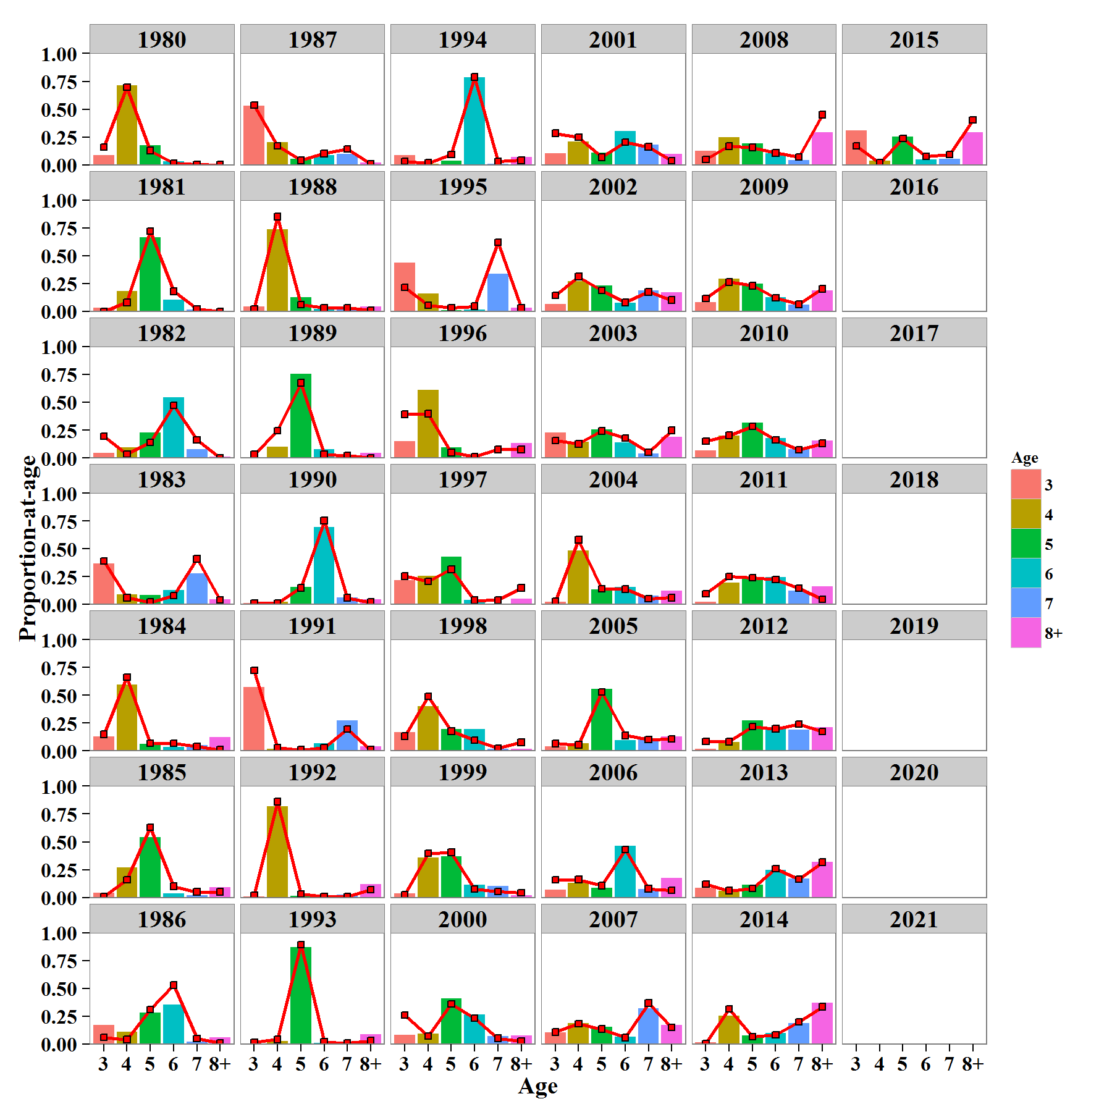
Catch Age Composition | Year | Age | EST | OBS
 | 1980 | 3 | 0.0847775 | 0.160562
 | 1980 | 4 | 0.71173 | 0.696965
 | 1980 | 5 | 0.173962 | 0.12752
 | 1980 | 6 | 0.0295306 | 0.0124888
 | 1980 | 7 | 1.45829E-08 | 0.00246416
 | 1980 | 8+ | 1.02211E-08 | 0
 | 1981 | 3 | 0.0334243 | 0
 | 1981 | 4 | 0.180394 | 0.08
 | 1981 | 5 | 0.665805 | 0.72
 | 1981 | 6 | 0.104384 | 0.18
 | 1981 | 7 | 0.0159923 | 0.02
 | 1981 | 8+ | 1.31872E-08 | 0
 | 1982 | 3 | 0.0445993 | 0.193548
 | 1982 | 4 | 0.0933293 | 0.0322581
 | 1982 | 5 | 0.226134 | 0.139785
 | 1982 | 6 | 0.546422 | 0.473118
 | 1982 | 7 | 0.0777883 | 0.16129
 | 1982 | 8+ | 0.0117275 | 0
 | 1983 | 3 | 0.369751 | 0.39
 | 1983 | 4 | 0.0908397 | 0.06
 | 1983 | 5 | 0.0833517 | 0.02
 | 1983 | 6 | 0.129202 | 0.08
 | 1983 | 7 | 0.281543 | 0.41
 | 1983 | 8+ | 0.0453133 | 0.04
 | 1984 | 3 | 0.127601 | 0.148515
 | 1984 | 4 | 0.595279 | 0.663366
 | 1984 | 5 | 0.0632204 | 0.0693069
 | 1984 | 6 | 0.0365777 | 0.0693069
 | 1984 | 7 | 0.0509056 | 0.039604
 | 1984 | 8+ | 0.126416 | 0.00990099
 | 1985 | 3 | 0.0444701 | 0.01
 | 1985 | 4 | 0.26783 | 0.16
 | 1985 | 5 | 0.542209 | 0.63
 | 1985 | 6 | 0.0364538 | 0.1
 | 1985 | 7 | 0.0189594 | 0.05
 | 1985 | 8+ | 0.0900777 | 0.05
 | 1986 | 3 | 0.171423 | 0.06
 | 1986 | 4 | 0.110328 | 0.04
 | 1986 | 5 | 0.282001 | 0.31
 | 1986 | 6 | 0.353077 | 0.53
 | 1986 | 7 | 0.0211844 | 0.05
 | 1986 | 8+ | 0.0619866 | 0.01
 | 1987 | 3 | 0.529358 | 0.535354
 | 1987 | 4 | 0.202456 | 0.171717
 | 1987 | 5 | 0.0558529 | 0.040404
 | 1987 | 6 | 0.089229 | 0.10101
 | 1987 | 7 | 0.100031 | 0.141414
 | 1987 | 8+ | 0.0230726 | 0.010101
 | 1988 | 3 | 0.0423568 | 0.02
 | 1988 | 4 | 0.735551 | 0.85
 | 1988 | 5 | 0.124478 | 0.06
 | 1988 | 6 | 0.0221685 | 0.03
 | 1988 | 7 | 0.032025 | 0.03
 | 1988 | 8+ | 0.0434212 | 0.01
 | 1989 | 3 | 0.00680732 | 0.0306122
 | 1989 | 4 | 0.101991 | 0.244898
 | 1989 | 5 | 0.75647 | 0.673469
 | 1989 | 6 | 0.0797128 | 0.0306122
 | 1989 | 7 | 0.0126962 | 0.0204082
 | 1989 | 8+ | 0.042323 | 0
 | 1990 | 3 | 0.0137105 | 0.00990099
 | 1990 | 4 | 0.025816 | 0.00990099
 | 1990 | 5 | 0.158013 | 0.148515
 | 1990 | 6 | 0.694646 | 0.752475
 | 1990 | 7 | 0.0644271 | 0.0594059
 | 1990 | 8+ | 0.0433876 | 0.019802
 | 1991 | 3 | 0.572782 | 0.722772
 | 1991 | 4 | 0.0215882 | 0.029703
 | 1991 | 5 | 0.0178072 | 0.00990099
 | 1991 | 6 | 0.0696628 | 0.029703
 | 1991 | 7 | 0.276097 | 0.19802
 | 1991 | 8+ | 0.0420625 | 0.00990099
 | 1992 | 3 | 0.0103588 | 0.02
 | 1992 | 4 | 0.820557 | 0.86
 | 1992 | 5 | 0.0139384 | 0.03
 | 1992 | 6 | 0.00755512 | 0.01
 | 1992 | 7 | 0.0268669 | 0.01
 | 1992 | 8+ | 0.120724 | 0.07
 | 1993 | 3 | 0.00296366 | 0.0129199
 | 1993 | 4 | 0.0250296 | 0.0413437
 | 1993 | 5 | 0.869471 | 0.891473
 | 1993 | 6 | 0.00944973 | 0.0180879
 | 1993 | 7 | 0.00461932 | 0.00775194
 | 1993 | 8+ | 0.0884663 | 0.0284238
 | 1994 | 3 | 0.0846231 | 0.0313112
 | 1994 | 4 | 0.0111979 | 0.0176125
 | 1994 | 5 | 0.0384268 | 0.0919765
 | 1994 | 6 | 0.786199 | 0.78865
 | 1994 | 7 | 0.00750491 | 0.0293542
 | 1994 | 8+ | 0.0720486 | 0.0410959
 | 1995 | 3 | 0.440188 | 0.216667
 | 1995 | 4 | 0.158205 | 0.05625
 | 1995 | 5 | 0.00884322 | 0.03125
 | 1995 | 6 | 0.0186737 | 0.0458333
 | 1995 | 7 | 0.340414 | 0.620833
 | 1995 | 8+ | 0.0336761 | 0.0291667
 | 1996 | 3 | 0.150122 | 0.391911
 | 1996 | 4 | 0.611587 | 0.396095
 | 1996 | 5 | 0.0969977 | 0.0488145
 | 1996 | 6 | 0.00349076 | 0.0125523
 | 1996 | 7 | 0.00666016 | 0.0753138
 | 1996 | 8+ | 0.131143 | 0.0753138
 | 1997 | 3 | 0.220083 | 0.254274
 | 1997 | 4 | 0.257487 | 0.207265
 | 1997 | 5 | 0.430666 | 0.316239
 | 1997 | 6 | 0.0407161 | 0.0363248
 | 1997 | 7 | 0.00129217 | 0.0384615
 | 1997 | 8+ | 0.0497557 | 0.147436
 | 1998 | 3 | 0.167693 | 0.132118
 | 1998 | 4 | 0.40443 | 0.489749
 | 1998 | 5 | 0.195376 | 0.177677
 | 1998 | 6 | 0.196076 | 0.0979499
 | 1998 | 7 | 0.0163827 | 0.0250569
 | 1998 | 8+ | 0.020042 | 0.0774487
 | 1999 | 3 | 0.0358494 | 0.026253
 | 1999 | 4 | 0.357469 | 0.396181
 | 1999 | 5 | 0.372495 | 0.405728
 | 1999 | 6 | 0.113409 | 0.0763723
 | 1999 | 7 | 0.102171 | 0.052506
 | 1999 | 8+ | 0.0186062 | 0.0429594
 | 2000 | 3 | 0.0816571 | 0.260802
 | 2000 | 4 | 0.0954606 | 0.0709877
 | 2000 | 5 | 0.408325 | 0.359568
 | 2000 | 6 | 0.266153 | 0.233025
 | 2000 | 7 | 0.0725733 | 0.0509259
 | 2000 | 8+ | 0.0758307 | 0.0246914
 | 2001 | 3 | 0.102703 | 0.283447
 | 2001 | 4 | 0.206901 | 0.247166
 | 2001 | 5 | 0.108517 | 0.0680272
 | 2001 | 6 | 0.303701 | 0.204082
 | 2001 | 7 | 0.179718 | 0.160998
 | 2001 | 8+ | 0.0984595 | 0.0362812
 | 2002 | 3 | 0.0655104 | 0.144195
 | 2002 | 4 | 0.270276 | 0.312734
 | 2002 | 5 | 0.231624 | 0.187266
 | 2002 | 6 | 0.0753217 | 0.0805243
 | 2002 | 7 | 0.188272 | 0.174157
 | 2002 | 8+ | 0.168996 | 0.101124
 | 2003 | 3 | 0.230594 | 0.155056
 | 2003 | 4 | 0.143757 | 0.125843
 | 2003 | 5 | 0.25689 | 0.242697
 | 2003 | 6 | 0.139097 | 0.177528
 | 2003 | 7 | 0.0406366 | 0.0516854
 | 2003 | 8+ | 0.189026 | 0.247191
 | 2004 | 3 | 0.0254441 | 0.0283401
 | 2004 | 4 | 0.483886 | 0.580972
 | 2004 | 5 | 0.134333 | 0.139676
 | 2004 | 6 | 0.15593 | 0.137652
 | 2004 | 7 | 0.0764884 | 0.0526316
 | 2004 | 8+ | 0.123919 | 0.0607287
 | 2005 | 3 | 0.0436298 | 0.0666667
 | 2005 | 4 | 0.0663082 | 0.0545455
 | 2005 | 5 | 0.555725 | 0.529293
 | 2005 | 6 | 0.0991945 | 0.139394
 | 2005 | 7 | 0.103993 | 0.10303
 | 2005 | 8+ | 0.13115 | 0.107071
 | 2006 | 3 | 0.068736 | 0.159046
 | 2006 | 4 | 0.129149 | 0.161034
 | 2006 | 5 | 0.0864741 | 0.107356
 | 2006 | 6 | 0.465845 | 0.429423
 | 2006 | 7 | 0.0750935 | 0.0775348
 | 2006 | 8+ | 0.174702 | 0.0656064
 | 2007 | 3 | 0.102427 | 0.108434
 | 2007 | 4 | 0.185034 | 0.182731
 | 2007 | 5 | 0.153605 | 0.134538
 | 2007 | 6 | 0.0662958 | 0.0582329
 | 2007 | 7 | 0.322806 | 0.36747
 | 2007 | 8+ | 0.169832 | 0.148594
 | 2008 | 3 | 0.123685 | 0.0495238
 | 2008 | 4 | 0.245478 | 0.167619
 | 2008 | 5 | 0.194397 | 0.15619
 | 2008 | 6 | 0.103214 | 0.106667
 | 2008 | 7 | 0.0401696 | 0.0704762
 | 2008 | 8+ | 0.293057 | 0.449524
 | 2009 | 3 | 0.0799456 | 0.116981
 | 2009 | 4 | 0.291307 | 0.264151
 | 2009 | 5 | 0.251395 | 0.230189
 | 2009 | 6 | 0.126287 | 0.122642
 | 2009 | 7 | 0.0603116 | 0.0641509
 | 2009 | 8+ | 0.190753 | 0.201887
 | 2010 | 3 | 0.0692859 | 0.15146
 | 2010 | 4 | 0.200285 | 0.202555
 | 2010 | 5 | 0.319405 | 0.282847
 | 2010 | 6 | 0.17601 | 0.162409
 | 2010 | 7 | 0.0796903 | 0.0711679
 | 2010 | 8+ | 0.155324 | 0.129562
 | 2011 | 3 | 0.0252098 | 0.0951456
 | 2011 | 4 | 0.197386 | 0.250485
 | 2011 | 5 | 0.246557 | 0.240777
 | 2011 | 6 | 0.24783 | 0.223301
 | 2011 | 7 | 0.1226 | 0.145631
 | 2011 | 8+ | 0.160417 | 0.0446602
 | 2012 | 3 | 0.0180694 | 0.0858779
 | 2012 | 4 | 0.0824228 | 0.0839695
 | 2012 | 5 | 0.275829 | 0.217557
 | 2012 | 6 | 0.214692 | 0.198473
 | 2012 | 7 | 0.193041 | 0.240458
 | 2012 | 8+ | 0.215946 | 0.173664
 | 2013 | 3 | 0.0882939 | 0.118881
 | 2013 | 4 | 0.059252 | 0.0606061
 | 2013 | 5 | 0.116512 | 0.0815851
 | 2013 | 6 | 0.245151 | 0.258741
 | 2013 | 7 | 0.171167 | 0.16317
 | 2013 | 8+ | 0.319625 | 0.317016
 | 2014 | 3 | 0.0162455 | 0.0056391
 | 2014 | 4 | 0.252226 | 0.31391
 | 2014 | 5 | 0.0761529 | 0.0657895
 | 2014 | 6 | 0.0982394 | 0.0827068
 | 2014 | 7 | 0.187807 | 0.197368
 | 2014 | 8+ | 0.36933 | 0.334586
 | 2015 | 3 | 0.311203 | 0.17105
 | 2015 | 4 | 0.0395474 | 0.01692
 | 2015 | 5 | 0.255038 | 0.23684
 | 2015 | 6 | 0.0465126 | 0.07707
 | 2015 | 7 | 0.0531441 | 0.09398
 | 2015 | 8+ | 0.294555 | 0.40414
 | 2016 | 3
 | 2017 | 3
 | 2018 | 3
 | 2019 | 3
 | 2020 | 3
 | 2021 | 3

Figure 9
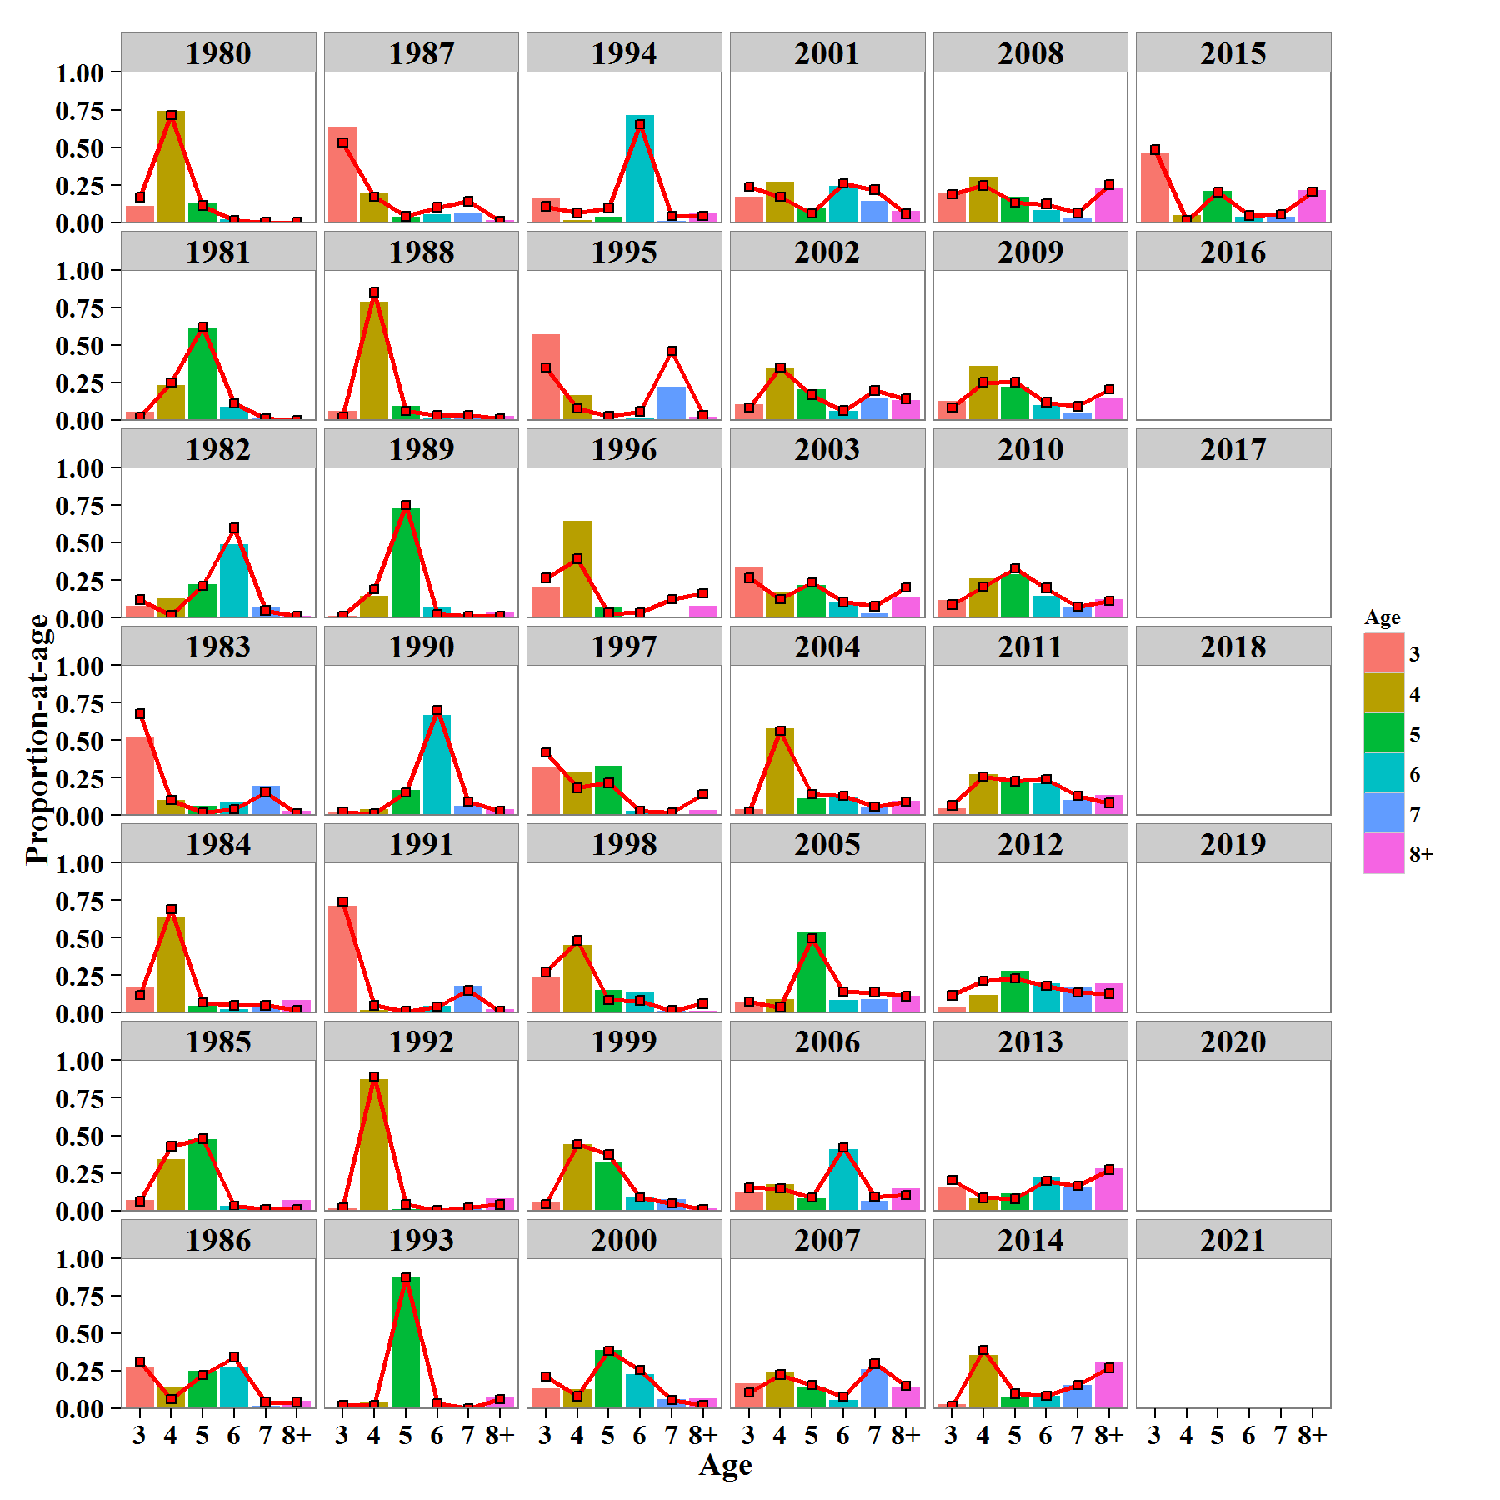
Spawning Age Composition | Year | Age | EST | OBS
 | 1980 | 3 | 0.111252 | 0.167845
 | 1980 | 4 | 0.740965 | 0.714579
 | 1980 | 5 | 0.128074 | 0.110875
 | 1980 | 6 | 0.0197089 | 0.0134343
 | 1980 | 7 | 9.5609E-09 | 0.0000001
 | 1980 | 8+ | 6.68171E-09 | 0.0000001
 | 1981 | 3 | 0.0537286 | 0.02
 | 1981 | 4 | 0.231737 | 0.25
 | 1981 | 5 | 0.61367 | 0.62
 | 1981 | 6 | 0.0876588 | 0.11
 | 1981 | 7 | 0.0132057 | 0.01
 | 1981 | 8+ | 1.08594E-08 | 0
 | 1982 | 3 | 0.078718 | 0.119119
 | 1982 | 4 | 0.130562 | 0.0157089
 | 1982 | 5 | 0.223294 | 0.212325
 | 1982 | 6 | 0.488803 | 0.59616
 | 1982 | 7 | 0.0683491 | 0.0464017
 | 1982 | 8+ | 0.0102743 | 0.0103652
 | 1983 | 3 | 0.52004 | 0.674681
 | 1983 | 4 | 0.100749 | 0.1012
 | 1983 | 5 | 0.0645818 | 0.0171821
 | 1983 | 6 | 0.0903576 | 0.0405835
 | 1983 | 7 | 0.193262 | 0.152917
 | 1983 | 8+ | 0.03101 | 0.0134364
 | 1984 | 3 | 0.172959 | 0.12
 | 1984 | 4 | 0.63716 | 0.69
 | 1984 | 5 | 0.0474072 | 0.07
 | 1984 | 6 | 0.0247824 | 0.05
 | 1984 | 7 | 0.0338597 | 0.05
 | 1984 | 8+ | 0.083832 | 0.02
 | 1985 | 3 | 0.0721692 | 0.0625
 | 1985 | 4 | 0.340448 | 0.427083
 | 1985 | 5 | 0.474842 | 0.479167
 | 1985 | 6 | 0.028671 | 0.03125
 | 1985 | 7 | 0.0146221 | 0.0104167
 | 1985 | 8+ | 0.0692477 | 0.0104167
 | 1986 | 3 | 0.274014 | 0.31
 | 1986 | 4 | 0.138641 | 0.06
 | 1986 | 5 | 0.246006 | 0.22
 | 1986 | 6 | 0.277382 | 0.34
 | 1986 | 7 | 0.0163283 | 0.04
 | 1986 | 8+ | 0.0476284 | 0.04
 | 1987 | 3 | 0.638041 | 0.53
 | 1987 | 4 | 0.194032 | 0.17
 | 1987 | 5 | 0.0380267 | 0.04
 | 1987 | 6 | 0.0551599 | 0.1
 | 1987 | 7 | 0.0607648 | 0.14
 | 1987 | 8+ | 0.0139756 | 0.01
 | 1988 | 3 | 0.0576698 | 0.02
 | 1988 | 4 | 0.786263 | 0.85
 | 1988 | 5 | 0.0921211 | 0.06
 | 1988 | 6 | 0.0147603 | 0.03
 | 1988 | 7 | 0.020916 | 0.03
 | 1988 | 8+ | 0.0282698 | 0.01
 | 1989 | 3 | 0.0126838 | 0.01
 | 1989 | 4 | 0.146703 | 0.19
 | 1989 | 5 | 0.726828 | 0.75
 | 1989 | 6 | 0.0679957 | 0.02
 | 1989 | 7 | 0.0105957 | 0.01
 | 1989 | 8+ | 0.0351946 | 0.01
 | 1990 | 3 | 0.025984 | 0.02
 | 1990 | 4 | 0.0387658 | 0.01
 | 1990 | 5 | 0.16737 | 0.15
 | 1990 | 6 | 0.66641 | 0.7
 | 1990 | 7 | 0.0607071 | 0.09
 | 1990 | 8+ | 0.0407624 | 0.03
 | 1991 | 3 | 0.715014 | 0.74
 | 1991 | 4 | 0.021565 | 0.05
 | 1991 | 5 | 0.0127962 | 0.01
 | 1991 | 6 | 0.0456509 | 0.04
 | 1991 | 7 | 0.177939 | 0.15
 | 1991 | 8+ | 0.0270348 | 0.01
 | 1992 | 3 | 0.0138914 | 0.02
 | 1992 | 4 | 0.872203 | 0.89
 | 1992 | 5 | 0.0104586 | 0.04
 | 1992 | 6 | 0.00513583 | 0
 | 1992 | 7 | 0.0179392 | 0.02
 | 1992 | 8+ | 0.080372 | 0.04
 | 1993 | 3 | 0.00577651 | 0.02
 | 1993 | 4 | 0.0375816 | 0.02
 | 1993 | 5 | 0.868013 | 0.87
 | 1993 | 6 | 0.00836056 | 0.03
 | 1993 | 7 | 0.0039971 | 0
 | 1993 | 8+ | 0.0762716 | 0.06
 | 1994 | 3 | 0.159693 | 0.105263
 | 1994 | 4 | 0.0165228 | 0.0631579
 | 1994 | 5 | 0.0389219 | 0.0947368
 | 1994 | 6 | 0.714222 | 0.652632
 | 1994 | 7 | 0.00668369 | 0.0421053
 | 1994 | 8+ | 0.0639563 | 0.0421053
 | 1995 | 3 | 0.573019 | 0.347938
 | 1995 | 4 | 0.1636 | 0.0773196
 | 1995 | 5 | 0.00648408 | 0.0257732
 | 1995 | 6 | 0.0124238 | 0.056701
 | 1995 | 7 | 0.222523 | 0.46134
 | 1995 | 8+ | 0.0219502 | 0.0309278
 | 1996 | 3 | 0.203662 | 0.263636
 | 1996 | 4 | 0.641753 | 0.390486
 | 1996 | 5 | 0.0682735 | 0.0302725
 | 1996 | 6 | 0.00218481 | 0.031568
 | 1996 | 7 | 0.00407961 | 0.123019
 | 1996 | 8+ | 0.0800468 | 0.161018
 | 1997 | 3 | 0.320435 | 0.416829
 | 1997 | 4 | 0.290612 | 0.182728
 | 1997 | 5 | 0.32761 | 0.215116
 | 1997 | 6 | 0.0275913 | 0.0289277
 | 1997 | 7 | 0.000857272 | 0.0173527
 | 1997 | 8+ | 0.0328952 | 0.139047
 | 1998 | 3 | 0.236423 | 0.27193
 | 1998 | 4 | 0.449548 | 0.482456
 | 1998 | 5 | 0.151662 | 0.0859649
 | 1998 | 6 | 0.137364 | 0.0824561
 | 1998 | 7 | 0.0112649 | 0.0157895
 | 1998 | 8+ | 0.0137391 | 0.0614035
 | 1999 | 3 | 0.0565021 | 0.0409639
 | 1999 | 4 | 0.443038 | 0.443373
 | 1999 | 5 | 0.320673 | 0.373494
 | 1999 | 6 | 0.0879417 | 0.086747
 | 1999 | 7 | 0.0777332 | 0.0481928
 | 1999 | 8+ | 0.0141118 | 0.00722892
 | 2000 | 3 | 0.13455 | 0.209246
 | 2000 | 4 | 0.125674 | 0.080292
 | 2000 | 5 | 0.385524 | 0.381995
 | 2000 | 6 | 0.22892 | 0.253041
 | 2000 | 7 | 0.0613769 | 0.053528
 | 2000 | 8+ | 0.0639552 | 0.0218978
 | 2001 | 3 | 0.170093 | 0.2373
 | 2001 | 4 | 0.268629 | 0.1708
 | 2001 | 5 | 0.0972447 | 0.0585
 | 2001 | 6 | 0.244579 | 0.2594
 | 2001 | 7 | 0.141939 | 0.2167
 | 2001 | 8+ | 0.0775144 | 0.0569
 | 2002 | 3 | 0.105864 | 0.0824
 | 2002 | 4 | 0.344659 | 0.3491
 | 2002 | 5 | 0.206643 | 0.1684
 | 2002 | 6 | 0.060685 | 0.0631
 | 2002 | 7 | 0.1489 | 0.1964
 | 2002 | 8+ | 0.13325 | 0.1403
 | 2003 | 3 | 0.339303 | 0.2645
 | 2003 | 4 | 0.168569 | 0.1216
 | 2003 | 5 | 0.214934 | 0.2345
 | 2003 | 6 | 0.105832 | 0.104
 | 2003 | 7 | 0.030391 | 0.0758
 | 2003 | 8+ | 0.14097 | 0.1992
 | 2004 | 3 | 0.0382596 | 0.0222
 | 2004 | 4 | 0.577727 | 0.5612
 | 2004 | 5 | 0.113612 | 0.1403
 | 2004 | 6 | 0.119623 | 0.1291
 | 2004 | 7 | 0.0576498 | 0.0579
 | 2004 | 8+ | 0.0931286 | 0.089
 | 2005 | 3 | 0.0756195 | 0.0756
 | 2005 | 4 | 0.0912428 | 0.0378
 | 2005 | 5 | 0.541585 | 0.496
 | 2005 | 6 | 0.0876807 | 0.1414
 | 2005 | 7 | 0.0903095 | 0.1374
 | 2005 | 8+ | 0.113563 | 0.1115
 | 2006 | 3 | 0.1177 | 0.1509
 | 2006 | 4 | 0.175753 | 0.1468
 | 2006 | 5 | 0.0835101 | 0.0865
 | 2006 | 6 | 0.408328 | 0.4205
 | 2006 | 7 | 0.0646755 | 0.0925
 | 2006 | 8+ | 0.150033 | 0.1026
 | 2007 | 3 | 0.166959 | 0.1033
 | 2007 | 4 | 0.239035 | 0.2226
 | 2007 | 5 | 0.140039 | 0.153
 | 2007 | 6 | 0.0547516 | 0.0755
 | 2007 | 7 | 0.261854 | 0.2962
 | 2007 | 8+ | 0.13736 | 0.1491
 | 2008 | 3 | 0.19304 | 0.1855
 | 2008 | 4 | 0.302758 | 0.2457
 | 2008 | 5 | 0.168215 | 0.1325
 | 2008 | 6 | 0.0807376 | 0.1228
 | 2008 | 7 | 0.030851 | 0.0626
 | 2008 | 8+ | 0.224399 | 0.2506
 | 2009 | 3 | 0.125056 | 0.0817
 | 2009 | 4 | 0.360931 | 0.2509
 | 2009 | 5 | 0.219565 | 0.2528
 | 2009 | 6 | 0.0998746 | 0.1178
 | 2009 | 7 | 0.0468457 | 0.0912
 | 2009 | 8+ | 0.147727 | 0.2053
 | 2010 | 3 | 0.11453 | 0.0856102
 | 2010 | 4 | 0.261033 | 0.205829
 | 2010 | 5 | 0.290732 | 0.327869
 | 2010 | 6 | 0.144592 | 0.196721
 | 2010 | 7 | 0.0642551 | 0.0728597
 | 2010 | 8+ | 0.124858 | 0.111111
 | 2011 | 3 | 0.0441261 | 0.0658
 | 2011 | 4 | 0.271322 | 0.2567
 | 2011 | 5 | 0.234762 | 0.2263
 | 2011 | 6 | 0.212342 | 0.2398
 | 2011 | 7 | 0.103043 | 0.13
 | 2011 | 8+ | 0.134405 | 0.081
 | 2012 | 3 | 0.033503 | 0.1173
 | 2012 | 4 | 0.120389 | 0.2119
 | 2012 | 5 | 0.280876 | 0.2294
 | 2012 | 6 | 0.197184 | 0.1786
 | 2012 | 7 | 0.174 | 0.1348
 | 2012 | 8+ | 0.194048 | 0.1278
 | 2013 | 3 | 0.151338 | 0.20283
 | 2013 | 4 | 0.0812216 | 0.0849057
 | 2013 | 5 | 0.114758 | 0.0786164
 | 2013 | 6 | 0.22011 | 0.198113
 | 2013 | 7 | 0.151132 | 0.163522
 | 2013 | 8+ | 0.281441 | 0.272013
 | 2014 | 3 | 0.0293196 | 0.0121212
 | 2014 | 4 | 0.353675 | 0.387879
 | 2014 | 5 | 0.0723227 | 0.0969697
 | 2014 | 6 | 0.0832634 | 0.0808081
 | 2014 | 7 | 0.155893 | 0.153535
 | 2014 | 8+ | 0.305525 | 0.268687
 | 2015 | 3 | 0.459195 | 0.483333
 | 2015 | 4 | 0.0461086 | 0.011111
 | 2015 | 5 | 0.208582 | 0.201852
 | 2015 | 6 | 0.0343857 | 0.046296
 | 2015 | 7 | 0.0385736 | 0.053704
 | 2015 | 8+ | 0.213155 | 0.203704
 | 2016 | 3
 | 2017 | 3
 | 2018 | 3
 | 2019 | 3
 | 2020 | 3
 | 2021 | 3

Figure 10
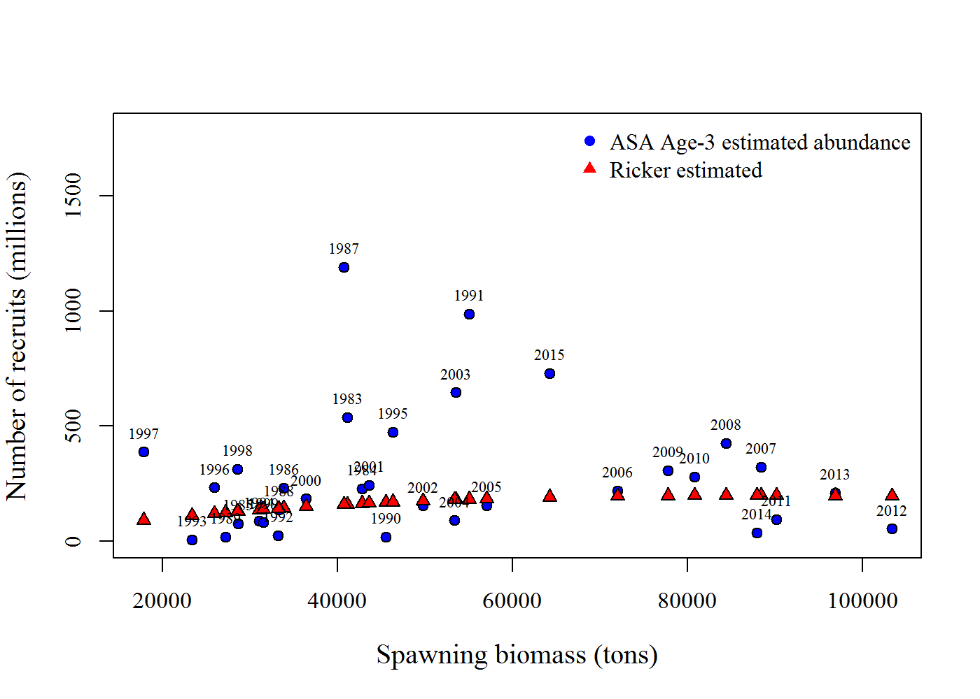
Year | tot_sp_B_tons | SR | init_age_3
1983 | 41119.513217 | 160.543 | 538.138
1984 | 42845.411054 | 163.958 | 228.682
1985 | 28635.331467 | 129.27 | 75.3783
1986 | 33864.833881 | 143.858 | 230.679
1987 | 40712.207059 | 159.708 | 1192.14
1988 | 33262.086907 | 142.291 | 137.253
1989 | 27197.799775 | 124.851 | 18.0837
1990 | 45507.506779 | 168.836 | 18.6726
1991 | 55071.099451 | 182.812 | 986.884
1992 | 33251.284199 | 142.263 | 25.0804
1993 | 23348.949492 | 112.089 | 5.91787
1994 | 31061.421107 | 136.321 | 86.7951
1995 | 46350.338411 | 170.285 | 474.884
1996 | 25910.954827 | 120.737 | 232.822
1997 | 17819.396371 | 91.2255 | 387.545
1998 | 28572.058467 | 129.08 | 313.543
1999 | 31517.118984 | 137.59 | 82.4081
2000 | 36440.507948 | 150.231 | 184.271
2001 | 43575.696113 | 165.342 | 243.052
2002 | 49761.789281 | 175.708 | 153.546
2003 | 53501.179479 | 180.872 | 646.052
2004 | 53406.710906 | 180.752 | 90.0161
2005 | 57078.418836 | 185.103 | 156.341
2006 | 71995.745056 | 196.294 | 219.612
2007 | 88437.134857 | 199.157 | 321.189
2008 | 84399.347428 | 199.202 | 426.344
2009 | 77767.146542 | 198.266 | 307.341
2010 | 80846.469278 | 198.866 | 279.936
2011 | 90171.410304 | 199.008 | 93.7033
2012 | 103348.2881 | 195.684 | 53.6302
2013 | 96899.953703 | 197.762 | 209.273
2014 | 87953.989285 | 199.185 | 35.8543
2015 | 64229.259904 | 191.672 | 729.351

Figure 11
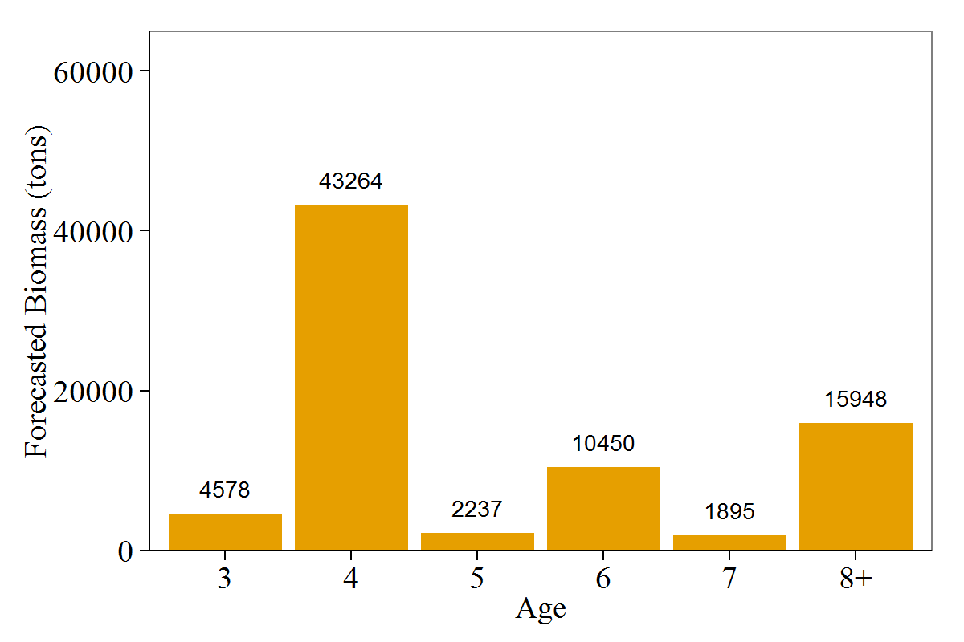
Age2 | for_mat_baa_tons
3 | 4577.812562
4 | 43263.519919
5 | 2236.9320311
6 | 10450.428801
7 | 1894.9161137
8+ | 15947.992681

Figure 12
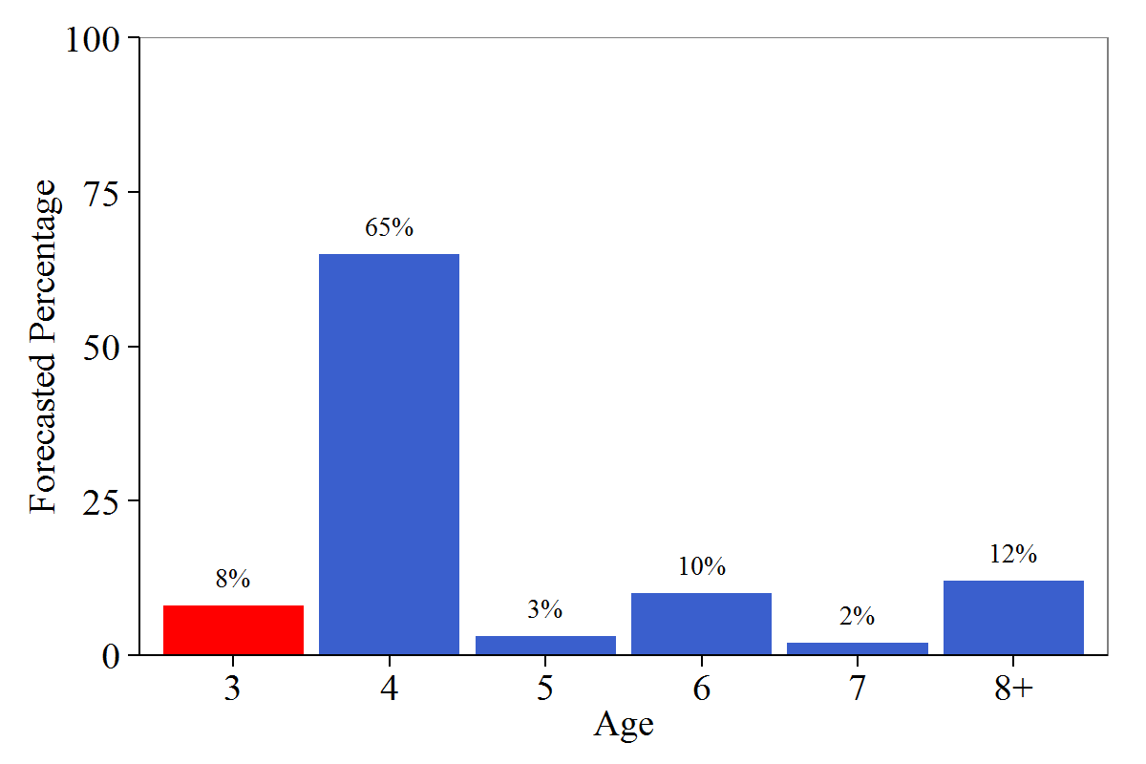
Age2 | for_mat_prop
3 | 0.0825678
4 | 0.656686
5 | 0.026626
6 | 0.099984
7 | 0.0161503
8+ | 0.117986

Figure 13
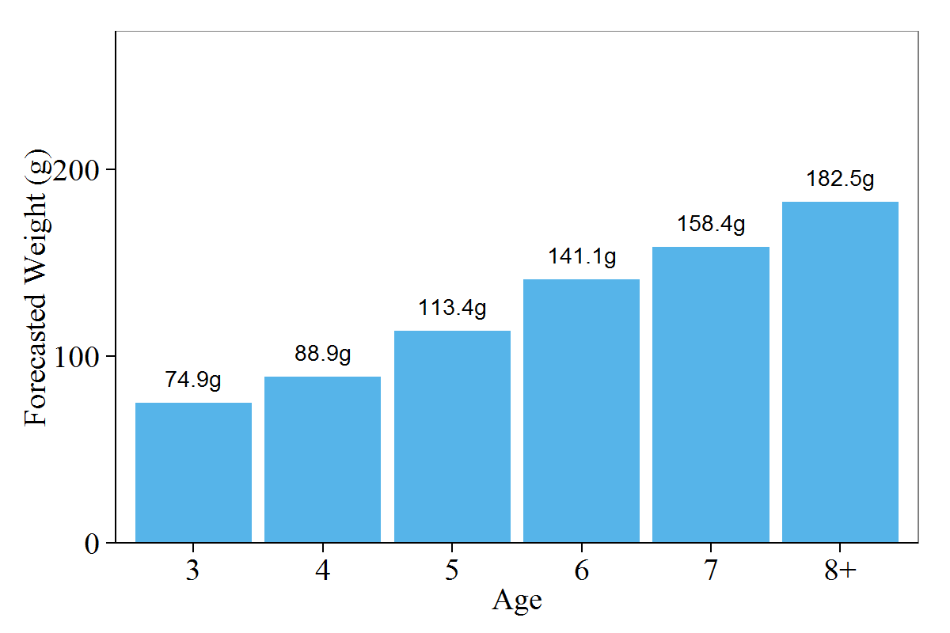
Age2 | fw_a_a
3 | 74.9
4 | 88.9
5 | 113.4
6 | 141.1
7 | 158.4
8+ | 182.5

Figure 14
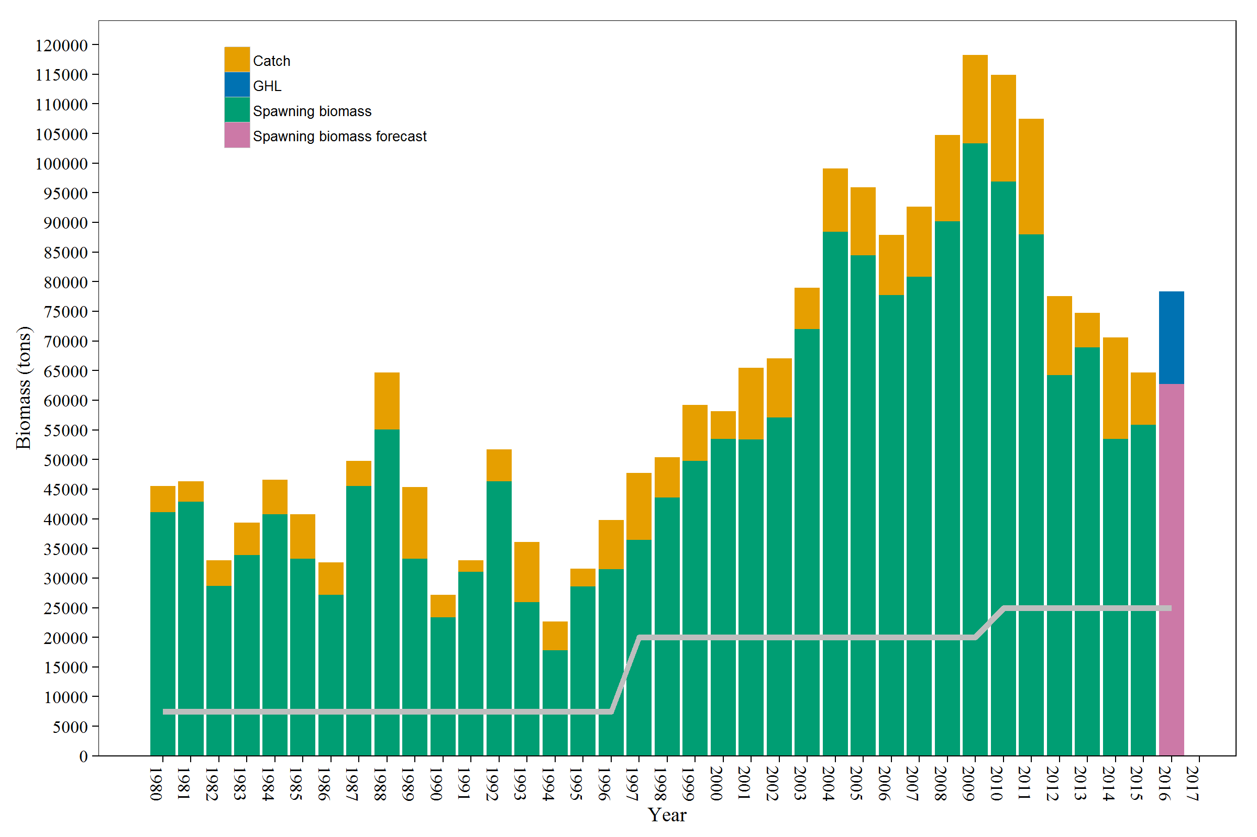
Year | variable | value
1980 | Spawning biomass | 41119.513217
1980 | Catch | 4384.9070747
1980 | GHL | 0
1980 | Spawning biomass forecast | 0
1981 | Spawning biomass | 42845.411054
1981 | Catch | 3506.0296744
1981 | GHL | 0
1981 | Spawning biomass forecast | 0
1982 | Spawning biomass | 28635.331467
1982 | Catch | 4362.970965
1982 | GHL | 0
1982 | Spawning biomass forecast | 0
1983 | Spawning biomass | 33864.833881
1983 | Catch | 5449.9658282
1983 | GHL | 0
1983 | Spawning biomass forecast | 0
1984 | Spawning biomass | 40712.207059
1984 | Catch | 5830.0447541
1984 | GHL | 0
1984 | Spawning biomass forecast | 0
1985 | Spawning biomass | 33262.086907
1985 | Catch | 7475.0325184
1985 | GHL | 0
1985 | Spawning biomass forecast | 0
1986 | Spawning biomass | 27197.799775
1986 | Catch | 5443.0212306
1986 | GHL | 0
1986 | Spawning biomass forecast | 0
1987 | Spawning biomass | 45507.506779
1987 | Catch | 4215.9218678
1987 | GHL | 0
1987 | Spawning biomass forecast | 0
1988 | Spawning biomass | 55071.099451
1988 | Catch | 9575.0567693
1988 | GHL | 0
1988 | Spawning biomass forecast | 0
1989 | Spawning biomass | 33251.284199
1989 | Catch | 12134.967702
1989 | GHL | 0
1989 | Spawning biomass forecast | 0
1990 | Spawning biomass | 23348.949492
1990 | Catch | 3803.9859785
1990 | GHL | 0
1990 | Spawning biomass forecast | 0
1991 | Spawning biomass | 31061.421107
1991 | Catch | 1908.0006173
1991 | GHL | 0
1991 | Spawning biomass forecast | 0
1992 | Spawning biomass | 46350.338411
1992 | Catch | 5367.9534381
1992 | GHL | 0
1992 | Spawning biomass forecast | 0
1993 | Spawning biomass | 25910.954827
1993 | Catch | 10185.96089
1993 | GHL | 0
1993 | Spawning biomass forecast | 0
1994 | Spawning biomass | 17819.396371
1994 | Catch | 4886.9022686
1994 | GHL | 0
1994 | Spawning biomass forecast | 0
1995 | Spawning biomass | 28572.058467
1995 | Catch | 2977.9095659
1995 | GHL | 0
1995 | Spawning biomass forecast | 0
1996 | Spawning biomass | 31517.118984
1996 | Catch | 8249.0795652
1996 | GHL | 0
1996 | Spawning biomass forecast | 0
1997 | Spawning biomass | 36440.507948
1997 | Catch | 11254.436826
1997 | GHL | 0
1997 | Spawning biomass forecast | 0
1998 | Spawning biomass | 43575.696113
1998 | Catch | 6786.6355078
1998 | GHL | 0
1998 | Spawning biomass forecast | 0
1999 | Spawning biomass | 49761.789281
1999 | Catch | 9421.5040014
1999 | GHL | 0
1999 | Spawning biomass forecast | 0
2000 | Spawning biomass | 53501.179479
2000 | Catch | 4619.3699156
2000 | GHL | 0
2000 | Spawning biomass forecast | 0
2001 | Spawning biomass | 53406.710906
2001 | Catch | 12060.010141
2001 | GHL | 0
2001 | Spawning biomass forecast | 0
2002 | Spawning biomass | 57078.418836
2002 | Catch | 9935.5144514
2002 | GHL | 0
2002 | Spawning biomass forecast | 0
2003 | Spawning biomass | 71995.745056
2003 | Catch | 6956.0616416
2003 | GHL | 0
2003 | Spawning biomass forecast | 0
2004 | Spawning biomass | 88437.134857
2004 | Catch | 10616.636169
2004 | GHL | 0
2004 | Spawning biomass forecast | 0
2005 | Spawning biomass | 84399.347428
2005 | Catch | 11520.315704
2005 | GHL | 0
2005 | Spawning biomass forecast | 0
2006 | Spawning biomass | 77767.146542
2006 | Catch | 10069.445975
2006 | GHL | 0
2006 | Spawning biomass forecast | 0
2007 | Spawning biomass | 80846.469278
2007 | Catch | 11762.274301
2007 | GHL | 0
2007 | Spawning biomass forecast | 0
2008 | Spawning biomass | 90171.410304
2008 | Catch | 14560.395952
2008 | GHL | 0
2008 | Spawning biomass forecast | 0
2009 | Spawning biomass | 103348.2881
2009 | Catch | 14874.115391
2009 | GHL | 0
2009 | Spawning biomass forecast | 0
2010 | Spawning biomass | 96899.953703
2010 | Catch | 17963.689676
2010 | GHL | 0
2010 | Spawning biomass forecast | 0
2011 | Spawning biomass | 87953.989285
2011 | Catch | 19539.231465
2011 | GHL | 0
2011 | Spawning biomass forecast | 0
2012 | Spawning biomass | 64229.259904
2012 | Catch | 13308.494455
2012 | GHL | 0
2012 | Spawning biomass forecast | 0
2013 | Spawning biomass | 68947.176966
2013 | Catch | 5785.7316078
2013 | GHL | 0
2013 | Spawning biomass forecast | 0
2014 | Spawning biomass | 53490.707467
2014 | Catch | 17077.426751
2014 | GHL | 0
2014 | Spawning biomass forecast | 0
2015 | Spawning biomass | 55803.809608
2015 | Catch | 8855.7948808
2015 | GHL | 0
2015 | Spawning biomass forecast | 0
2016 | Spawning biomass forecast | 62697.3
2016 | GHL | 15674.3
2016 | Catch | 0
2016 | Spawning biomass | 0

Figure 15
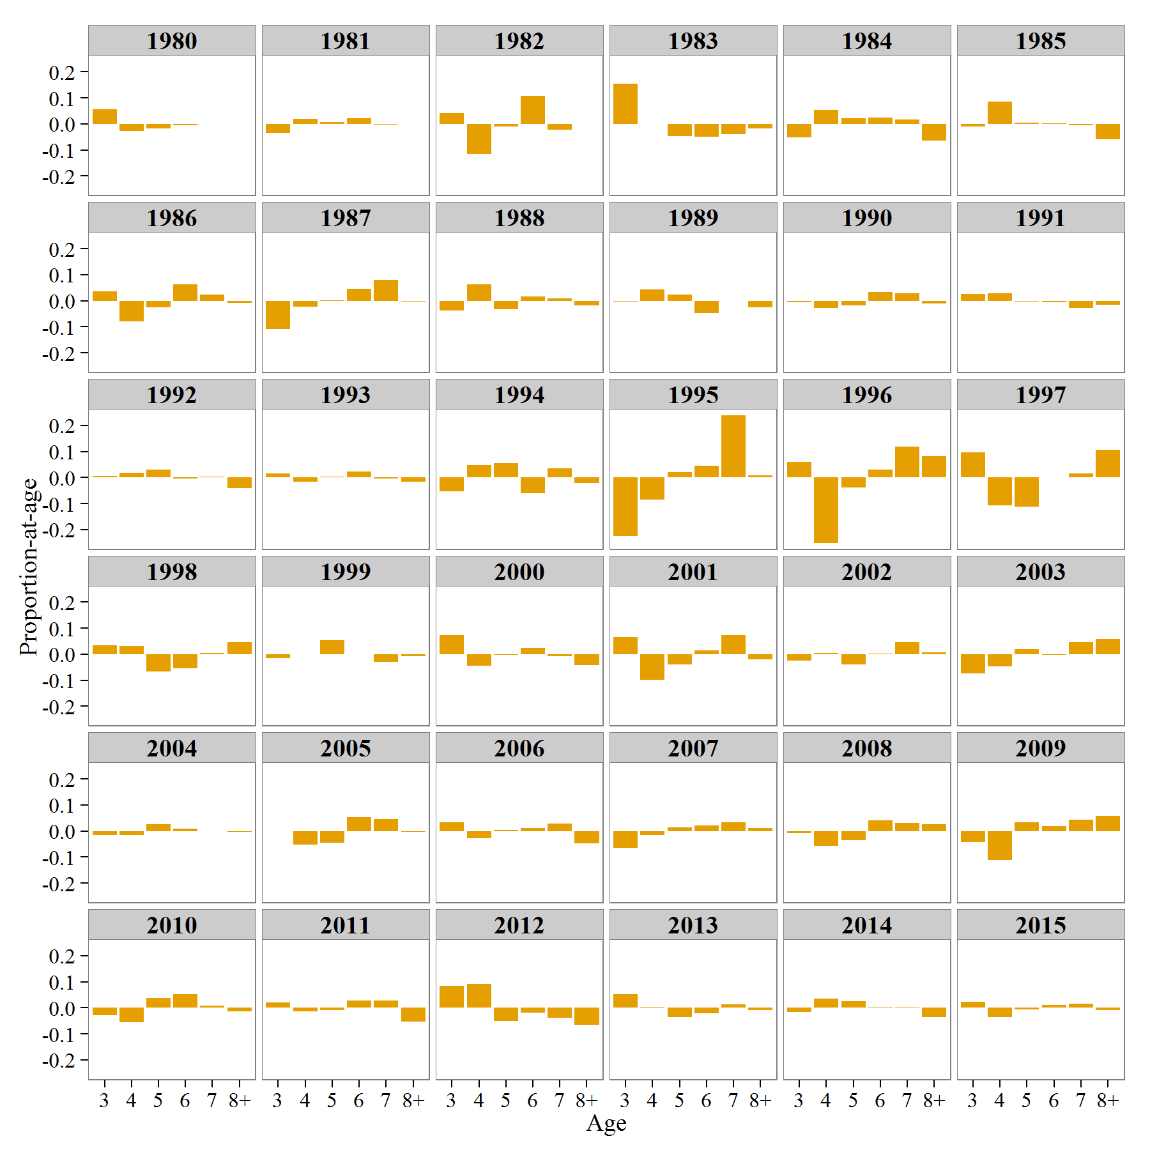
Spawning Age Composition Residuals | Year | Age | FREQ | Variable
 | 1980 | 3 | 0.0565933 | Estimated
 | 1981 | 3 | -0.0337286 | Estimated
 | 1982 | 3 | 0.0404012 | Estimated
 | 1983 | 3 | 0.15464 | Estimated
 | 1984 | 3 | -0.0529586 | Estimated
 | 1985 | 3 | -0.00966923 | Estimated
 | 1986 | 3 | 0.035986 | Estimated
 | 1987 | 3 | -0.108041 | Estimated
 | 1988 | 3 | -0.0376698 | Estimated
 | 1989 | 3 | -0.00268378 | Estimated
 | 1990 | 3 | -0.00598399 | Estimated
 | 1991 | 3 | 0.0249864 | Estimated
 | 1992 | 3 | 0.00610855 | Estimated
 | 1993 | 3 | 0.0142235 | Estimated
 | 1994 | 3 | -0.0544297 | Estimated
 | 1995 | 3 | -0.225081 | Estimated
 | 1996 | 3 | 0.0599737 | Estimated
 | 1997 | 3 | 0.0963946 | Estimated
 | 1998 | 3 | 0.0355073 | Estimated
 | 1999 | 3 | -0.0155382 | Estimated
 | 2000 | 3 | 0.074696 | Estimated
 | 2001 | 3 | 0.0672069 | Estimated
 | 2002 | 3 | -0.0234638 | Estimated
 | 2003 | 3 | -0.0748033 | Estimated
 | 2004 | 3 | -0.0160596 | Estimated
 | 2005 | 3 | -1.94747E-05 | Estimated
 | 2006 | 3 | 0.0331995 | Estimated
 | 2007 | 3 | -0.0636593 | Estimated
 | 2008 | 3 | -0.00753969 | Estimated
 | 2009 | 3 | -0.0433561 | Estimated
 | 2010 | 3 | -0.0289197 | Estimated
 | 2011 | 3 | 0.0216739 | Estimated
 | 2012 | 3 | 0.083797 | Estimated
 | 2013 | 3 | 0.0514921 | Estimated
 | 2014 | 3 | -0.0171984 | Estimated
 | 2015 | 3 | 0.0241383 | Estimated
 | 1980 | 4 | -0.026386 | Estimated
 | 1981 | 4 | 0.0182632 | Estimated
 | 1982 | 4 | -0.114853 | Estimated
 | 1983 | 4 | 0.000450971 | Estimated
 | 1984 | 4 | 0.0528399 | Estimated
 | 1985 | 4 | 0.0866354 | Estimated
 | 1986 | 4 | -0.0786409 | Estimated
 | 1987 | 4 | -0.0240323 | Estimated
 | 1988 | 4 | 0.063737 | Estimated
 | 1989 | 4 | 0.0432972 | Estimated
 | 1990 | 4 | -0.0287658 | Estimated
 | 1991 | 4 | 0.028435 | Estimated
 | 1992 | 4 | 0.0177971 | Estimated
 | 1993 | 4 | -0.0175816 | Estimated
 | 1994 | 4 | 0.0466351 | Estimated
 | 1995 | 4 | -0.0862801 | Estimated
 | 1996 | 4 | -0.251267 | Estimated
 | 1997 | 4 | -0.107883 | Estimated
 | 1998 | 4 | 0.0329085 | Estimated
 | 1999 | 4 | 0.000335161 | Estimated
 | 2000 | 4 | -0.0453819 | Estimated
 | 2001 | 4 | -0.0978295 | Estimated
 | 2002 | 4 | 0.0044414 | Estimated
 | 2003 | 4 | -0.0469692 | Estimated
 | 2004 | 4 | -0.0165265 | Estimated
 | 2005 | 4 | -0.0534428 | Estimated
 | 2006 | 4 | -0.0289526 | Estimated
 | 2007 | 4 | -0.0164355 | Estimated
 | 2008 | 4 | -0.0570579 | Estimated
 | 2009 | 4 | -0.110031 | Estimated
 | 2010 | 4 | -0.0552047 | Estimated
 | 2011 | 4 | -0.014622 | Estimated
 | 2012 | 4 | 0.0915111 | Estimated
 | 2013 | 4 | 0.00368402 | Estimated
 | 2014 | 4 | 0.0342033 | Estimated
 | 2015 | 4 | -0.0349976 | Estimated
 | 1980 | 5 | -0.0171987 | Estimated
 | 1981 | 5 | 0.00632983 | Estimated
 | 1982 | 5 | -0.0109683 | Estimated
 | 1983 | 5 | -0.0473996 | Estimated
 | 1984 | 5 | 0.0225928 | Estimated
 | 1985 | 5 | 0.00432465 | Estimated
 | 1986 | 5 | -0.0260059 | Estimated
 | 1987 | 5 | 0.00197331 | Estimated
 | 1988 | 5 | -0.0321211 | Estimated
 | 1989 | 5 | 0.0231725 | Estimated
 | 1990 | 5 | -0.0173705 | Estimated
 | 1991 | 5 | -0.00279616 | Estimated
 | 1992 | 5 | 0.0295414 | Estimated
 | 1993 | 5 | 0.00198735 | Estimated
 | 1994 | 5 | 0.0558149 | Estimated
 | 1995 | 5 | 0.0192891 | Estimated
 | 1996 | 5 | -0.038001 | Estimated
 | 1997 | 5 | -0.112495 | Estimated
 | 1998 | 5 | -0.0656968 | Estimated
 | 1999 | 5 | 0.0528211 | Estimated
 | 2000 | 5 | -0.0035288 | Estimated
 | 2001 | 5 | -0.0387447 | Estimated
 | 2002 | 5 | -0.0382427 | Estimated
 | 2003 | 5 | 0.0195657 | Estimated
 | 2004 | 5 | 0.0266875 | Estimated
 | 2005 | 5 | -0.0455845 | Estimated
 | 2006 | 5 | 0.00298987 | Estimated
 | 2007 | 5 | 0.0129609 | Estimated
 | 2008 | 5 | -0.0357146 | Estimated
 | 2009 | 5 | 0.0332348 | Estimated
 | 2010 | 5 | 0.0371371 | Estimated
 | 2011 | 5 | -0.00846178 | Estimated
 | 2012 | 5 | -0.051476 | Estimated
 | 2013 | 5 | -0.0361419 | Estimated
 | 2014 | 5 | 0.024647 | Estimated
 | 2015 | 5 | -0.00672995 | Estimated
 | 1980 | 6 | -0.00627452 | Estimated
 | 1981 | 6 | 0.0223412 | Estimated
 | 1982 | 6 | 0.107357 | Estimated
 | 1983 | 6 | -0.0497741 | Estimated
 | 1984 | 6 | 0.0252176 | Estimated
 | 1985 | 6 | 0.00257896 | Estimated
 | 1986 | 6 | 0.0626175 | Estimated
 | 1987 | 6 | 0.0448401 | Estimated
 | 1988 | 6 | 0.0152397 | Estimated
 | 1989 | 6 | -0.0479957 | Estimated
 | 1990 | 6 | 0.0335898 | Estimated
 | 1991 | 6 | -0.00565092 | Estimated
 | 1992 | 6 | -0.00513583 | Estimated
 | 1993 | 6 | 0.0216394 | Estimated
 | 1994 | 6 | -0.0615908 | Estimated
 | 1995 | 6 | 0.0442772 | Estimated
 | 1996 | 6 | 0.0293832 | Estimated
 | 1997 | 6 | 0.00133642 | Estimated
 | 1998 | 6 | -0.0549079 | Estimated
 | 1999 | 6 | -0.0011947 | Estimated
 | 2000 | 6 | 0.024121 | Estimated
 | 2001 | 6 | 0.0148209 | Estimated
 | 2002 | 6 | 0.00241505 | Estimated
 | 2003 | 6 | -0.0018319 | Estimated
 | 2004 | 6 | 0.00947706 | Estimated
 | 2005 | 6 | 0.0537193 | Estimated
 | 2006 | 6 | 0.0121721 | Estimated
 | 2007 | 6 | 0.0207484 | Estimated
 | 2008 | 6 | 0.0420624 | Estimated
 | 2009 | 6 | 0.0179254 | Estimated
 | 2010 | 6 | 0.0521296 | Estimated
 | 2011 | 6 | 0.027458 | Estimated
 | 2012 | 6 | -0.0185842 | Estimated
 | 2013 | 6 | -0.0219964 | Estimated
 | 2014 | 6 | -0.0024553 | Estimated
 | 2015 | 6 | 0.0119103 | Estimated
 | 1980 | 7 | 9.04391E-08 | Estimated
 | 1981 | 7 | -0.00320565 | Estimated
 | 1982 | 7 | -0.0219474 | Estimated
 | 1983 | 7 | -0.0403441 | Estimated
 | 1984 | 7 | 0.0161403 | Estimated
 | 1985 | 7 | -0.00420539 | Estimated
 | 1986 | 7 | 0.0236717 | Estimated
 | 1987 | 7 | 0.0792352 | Estimated
 | 1988 | 7 | 0.00908398 | Estimated
 | 1989 | 7 | -0.000595667 | Estimated
 | 1990 | 7 | 0.0292929 | Estimated
 | 1991 | 7 | -0.0279395 | Estimated
 | 1992 | 7 | 0.00206083 | Estimated
 | 1993 | 7 | -0.0039971 | Estimated
 | 1994 | 7 | 0.0354216 | Estimated
 | 1995 | 7 | 0.238817 | Estimated
 | 1996 | 7 | 0.11894 | Estimated
 | 1997 | 7 | 0.0164955 | Estimated
 | 1998 | 7 | 0.00452453 | Estimated
 | 1999 | 7 | -0.0295405 | Estimated
 | 2000 | 7 | -0.00784895 | Estimated
 | 2001 | 7 | 0.0747607 | Estimated
 | 2002 | 7 | 0.0475002 | Estimated
 | 2003 | 7 | 0.045409 | Estimated
 | 2004 | 7 | 0.000250208 | Estimated
 | 2005 | 7 | 0.0470905 | Estimated
 | 2006 | 7 | 0.0278245 | Estimated
 | 2007 | 7 | 0.0343459 | Estimated
 | 2008 | 7 | 0.031749 | Estimated
 | 2009 | 7 | 0.0443543 | Estimated
 | 2010 | 7 | 0.0086046 | Estimated
 | 2011 | 7 | 0.0269566 | Estimated
 | 2012 | 7 | -0.0392002 | Estimated
 | 2013 | 7 | 0.0123904 | Estimated
 | 2014 | 7 | -0.00235809 | Estimated
 | 2015 | 7 | 0.0151304 | Estimated
 | 1980 | 8+ | 9.33183E-08 | Estimated
 | 1981 | 8+ | -1.08594E-08 | Estimated
 | 1982 | 8+ | 9.09123E-05 | Estimated
 | 1983 | 8+ | -0.0175736 | Estimated
 | 1984 | 8+ | -0.063832 | Estimated
 | 1985 | 8+ | -0.0588311 | Estimated
 | 1986 | 8+ | -0.00762841 | Estimated
 | 1987 | 8+ | -0.0039756 | Estimated
 | 1988 | 8+ | -0.0182698 | Estimated
 | 1989 | 8+ | -0.0251946 | Estimated
 | 1990 | 8+ | -0.0107624 | Estimated
 | 1991 | 8+ | -0.0170348 | Estimated
 | 1992 | 8+ | -0.040372 | Estimated
 | 1993 | 8+ | -0.0162716 | Estimated
 | 1994 | 8+ | -0.021851 | Estimated
 | 1995 | 8+ | 0.00897763 | Estimated
 | 1996 | 8+ | 0.0809717 | Estimated
 | 1997 | 8+ | 0.106151 | Estimated
 | 1998 | 8+ | 0.0476644 | Estimated
 | 1999 | 8+ | -0.00688288 | Estimated
 | 2000 | 8+ | -0.0420574 | Estimated
 | 2001 | 8+ | -0.0206144 | Estimated
 | 2002 | 8+ | 0.00704988 | Estimated
 | 2003 | 8+ | 0.0582297 | Estimated
 | 2004 | 8+ | -0.00412862 | Estimated
 | 2005 | 8+ | -0.00206309 | Estimated
 | 2006 | 8+ | -0.0474333 | Estimated
 | 2007 | 8+ | 0.0117395 | Estimated
 | 2008 | 8+ | 0.0262009 | Estimated
 | 2009 | 8+ | 0.057573 | Estimated
 | 2010 | 8+ | -0.0137469 | Estimated
 | 2011 | 8+ | -0.0534046 | Estimated
 | 2012 | 8+ | -0.0662479 | Estimated
 | 2013 | 8+ | -0.00942817 | Estimated
 | 2014 | 8+ | -0.0368386 | Estimated
 | 2015 | 8+ | -0.00945145 | Estimated

Figure 8a-Extra
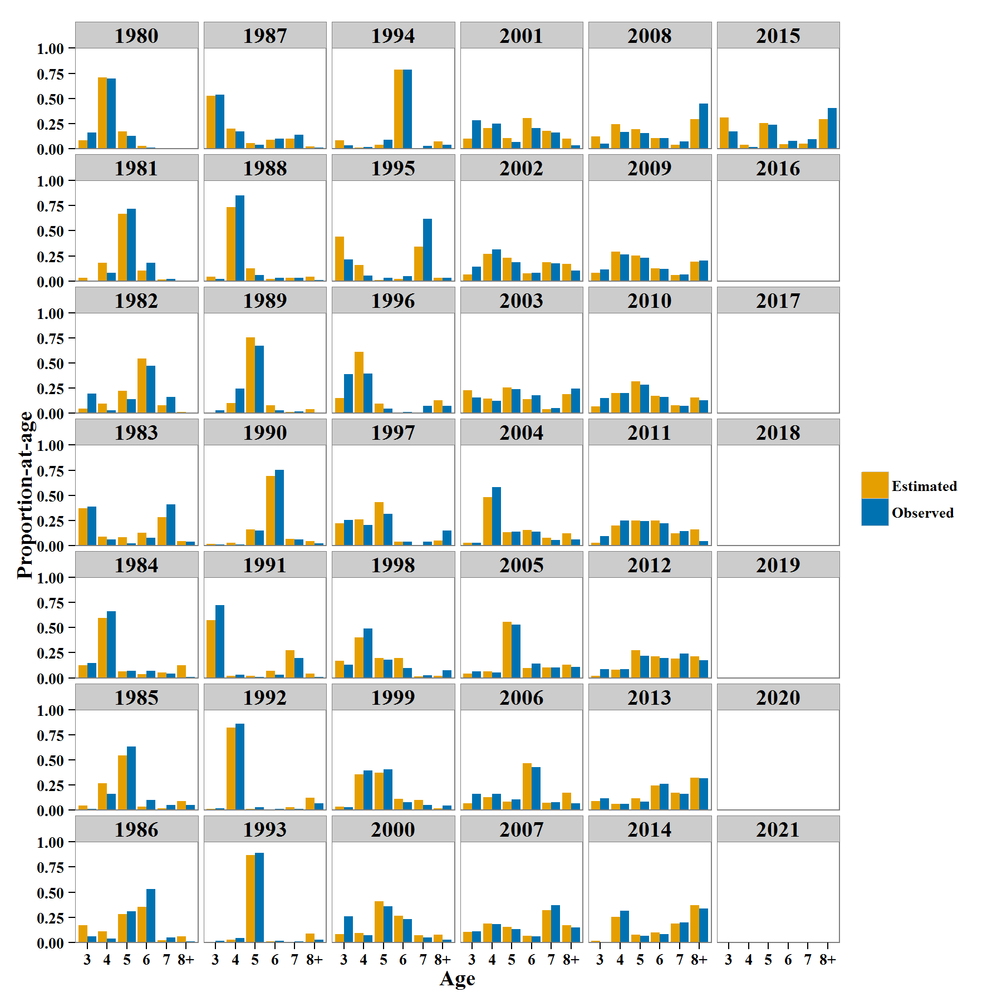
Catch Age Composition | Year | Age | EST | Variable
 | 1980 | 3 | 0.160562 | Observed
 | 1981 | 3 | 0 | Observed
 | 1982 | 3 | 0.193548 | Observed
 | 1983 | 3 | 0.39 | Observed
 | 1984 | 3 | 0.148515 | Observed
 | 1985 | 3 | 0.01 | Observed
 | 1986 | 3 | 0.06 | Observed
 | 1987 | 3 | 0.535354 | Observed
 | 1988 | 3 | 0.02 | Observed
 | 1989 | 3 | 0.0306122 | Observed
 | 1990 | 3 | 0.00990099 | Observed
 | 1991 | 3 | 0.722772 | Observed
 | 1992 | 3 | 0.02 | Observed
 | 1993 | 3 | 0.0129199 | Observed
 | 1994 | 3 | 0.0313112 | Observed
 | 1995 | 3 | 0.216667 | Observed
 | 1996 | 3 | 0.391911 | Observed
 | 1997 | 3 | 0.254274 | Observed
 | 1998 | 3 | 0.132118 | Observed
 | 1999 | 3 | 0.026253 | Observed
 | 2000 | 3 | 0.260802 | Observed
 | 2001 | 3 | 0.283447 | Observed
 | 2002 | 3 | 0.144195 | Observed
 | 2003 | 3 | 0.155056 | Observed
 | 2004 | 3 | 0.0283401 | Observed
 | 2005 | 3 | 0.0666667 | Observed
 | 2006 | 3 | 0.159046 | Observed
 | 2007 | 3 | 0.108434 | Observed
 | 2008 | 3 | 0.0495238 | Observed
 | 2009 | 3 | 0.116981 | Observed
 | 2010 | 3 | 0.15146 | Observed
 | 2011 | 3 | 0.0951456 | Observed
 | 2012 | 3 | 0.0858779 | Observed
 | 2013 | 3 | 0.118881 | Observed
 | 2014 | 3 | 0.0056391 | Observed
 | 2015 | 3 | 0.17105 | Observed
 | 1980 | 4 | 0.696965 | Observed
 | 1981 | 4 | 0.08 | Observed
 | 1982 | 4 | 0.0322581 | Observed
 | 1983 | 4 | 0.06 | Observed
 | 1984 | 4 | 0.663366 | Observed
 | 1985 | 4 | 0.16 | Observed
 | 1986 | 4 | 0.04 | Observed
 | 1987 | 4 | 0.171717 | Observed
 | 1988 | 4 | 0.85 | Observed
 | 1989 | 4 | 0.244898 | Observed
 | 1990 | 4 | 0.00990099 | Observed
 | 1991 | 4 | 0.029703 | Observed
 | 1992 | 4 | 0.86 | Observed
 | 1993 | 4 | 0.0413437 | Observed
 | 1994 | 4 | 0.0176125 | Observed
 | 1995 | 4 | 0.05625 | Observed
 | 1996 | 4 | 0.396095 | Observed
 | 1997 | 4 | 0.207265 | Observed
 | 1998 | 4 | 0.489749 | Observed
 | 1999 | 4 | 0.396181 | Observed
 | 2000 | 4 | 0.0709877 | Observed
 | 2001 | 4 | 0.247166 | Observed
 | 2002 | 4 | 0.312734 | Observed
 | 2003 | 4 | 0.125843 | Observed
 | 2004 | 4 | 0.580972 | Observed
 | 2005 | 4 | 0.0545455 | Observed
 | 2006 | 4 | 0.161034 | Observed
 | 2007 | 4 | 0.182731 | Observed
 | 2008 | 4 | 0.167619 | Observed
 | 2009 | 4 | 0.264151 | Observed
 | 2010 | 4 | 0.202555 | Observed
 | 2011 | 4 | 0.250485 | Observed
 | 2012 | 4 | 0.0839695 | Observed
 | 2013 | 4 | 0.0606061 | Observed
 | 2014 | 4 | 0.31391 | Observed
 | 2015 | 4 | 0.01692 | Observed
 | 1980 | 5 | 0.12752 | Observed
 | 1981 | 5 | 0.72 | Observed
 | 1982 | 5 | 0.139785 | Observed
 | 1983 | 5 | 0.02 | Observed
 | 1984 | 5 | 0.0693069 | Observed
 | 1985 | 5 | 0.63 | Observed
 | 1986 | 5 | 0.31 | Observed
 | 1987 | 5 | 0.040404 | Observed
 | 1988 | 5 | 0.06 | Observed
 | 1989 | 5 | 0.673469 | Observed
 | 1990 | 5 | 0.148515 | Observed
 | 1991 | 5 | 0.00990099 | Observed
 | 1992 | 5 | 0.03 | Observed
 | 1993 | 5 | 0.891473 | Observed
 | 1994 | 5 | 0.0919765 | Observed
 | 1995 | 5 | 0.03125 | Observed
 | 1996 | 5 | 0.0488145 | Observed
 | 1997 | 5 | 0.316239 | Observed
 | 1998 | 5 | 0.177677 | Observed
 | 1999 | 5 | 0.405728 | Observed
 | 2000 | 5 | 0.359568 | Observed
 | 2001 | 5 | 0.0680272 | Observed
 | 2002 | 5 | 0.187266 | Observed
 | 2003 | 5 | 0.242697 | Observed
 | 2004 | 5 | 0.139676 | Observed
 | 2005 | 5 | 0.529293 | Observed
 | 2006 | 5 | 0.107356 | Observed
 | 2007 | 5 | 0.134538 | Observed
 | 2008 | 5 | 0.15619 | Observed
 | 2009 | 5 | 0.230189 | Observed
 | 2010 | 5 | 0.282847 | Observed
 | 2011 | 5 | 0.240777 | Observed
 | 2012 | 5 | 0.217557 | Observed
 | 2013 | 5 | 0.0815851 | Observed
 | 2014 | 5 | 0.0657895 | Observed
 | 2015 | 5 | 0.23684 | Observed
 | 1980 | 6 | 0.0124888 | Observed
 | 1981 | 6 | 0.18 | Observed
 | 1982 | 6 | 0.473118 | Observed
 | 1983 | 6 | 0.08 | Observed
 | 1984 | 6 | 0.0693069 | Observed
 | 1985 | 6 | 0.1 | Observed
 | 1986 | 6 | 0.53 | Observed
 | 1987 | 6 | 0.10101 | Observed
 | 1988 | 6 | 0.03 | Observed
 | 1989 | 6 | 0.0306122 | Observed
 | 1990 | 6 | 0.752475 | Observed
 | 1991 | 6 | 0.029703 | Observed
 | 1992 | 6 | 0.01 | Observed
 | 1993 | 6 | 0.0180879 | Observed
 | 1994 | 6 | 0.78865 | Observed
 | 1995 | 6 | 0.0458333 | Observed
 | 1996 | 6 | 0.0125523 | Observed
 | 1997 | 6 | 0.0363248 | Observed
 | 1998 | 6 | 0.0979499 | Observed
 | 1999 | 6 | 0.0763723 | Observed
 | 2000 | 6 | 0.233025 | Observed
 | 2001 | 6 | 0.204082 | Observed
 | 2002 | 6 | 0.0805243 | Observed
 | 2003 | 6 | 0.177528 | Observed
 | 2004 | 6 | 0.137652 | Observed
 | 2005 | 6 | 0.139394 | Observed
 | 2006 | 6 | 0.429423 | Observed
 | 2007 | 6 | 0.0582329 | Observed
 | 2008 | 6 | 0.106667 | Observed
 | 2009 | 6 | 0.122642 | Observed
 | 2010 | 6 | 0.162409 | Observed
 | 2011 | 6 | 0.223301 | Observed
 | 2012 | 6 | 0.198473 | Observed
 | 2013 | 6 | 0.258741 | Observed
 | 2014 | 6 | 0.0827068 | Observed
 | 2015 | 6 | 0.07707 | Observed
 | 1980 | 7 | 0.00246416 | Observed
 | 1981 | 7 | 0.02 | Observed
 | 1982 | 7 | 0.16129 | Observed
 | 1983 | 7 | 0.41 | Observed
 | 1984 | 7 | 0.039604 | Observed
 | 1985 | 7 | 0.05 | Observed
 | 1986 | 7 | 0.05 | Observed
 | 1987 | 7 | 0.141414 | Observed
 | 1988 | 7 | 0.03 | Observed
 | 1989 | 7 | 0.0204082 | Observed
 | 1990 | 7 | 0.0594059 | Observed
 | 1991 | 7 | 0.19802 | Observed
 | 1992 | 7 | 0.01 | Observed
 | 1993 | 7 | 0.00775194 | Observed
 | 1994 | 7 | 0.0293542 | Observed
 | 1995 | 7 | 0.620833 | Observed
 | 1996 | 7 | 0.0753138 | Observed
 | 1997 | 7 | 0.0384615 | Observed
 | 1998 | 7 | 0.0250569 | Observed
 | 1999 | 7 | 0.052506 | Observed
 | 2000 | 7 | 0.0509259 | Observed
 | 2001 | 7 | 0.160998 | Observed
 | 2002 | 7 | 0.174157 | Observed
 | 2003 | 7 | 0.0516854 | Observed
 | 2004 | 7 | 0.0526316 | Observed
 | 2005 | 7 | 0.10303 | Observed
 | 2006 | 7 | 0.0775348 | Observed
 | 2007 | 7 | 0.36747 | Observed
 | 2008 | 7 | 0.0704762 | Observed
 | 2009 | 7 | 0.0641509 | Observed
 | 2010 | 7 | 0.0711679 | Observed
 | 2011 | 7 | 0.145631 | Observed
 | 2012 | 7 | 0.240458 | Observed
 | 2013 | 7 | 0.16317 | Observed
 | 2014 | 7 | 0.197368 | Observed
 | 2015 | 7 | 0.09398 | Observed
 | 1980 | 8+ | 0 | Observed
 | 1981 | 8+ | 0 | Observed
 | 1982 | 8+ | 0 | Observed
 | 1983 | 8+ | 0.04 | Observed
 | 1984 | 8+ | 0.00990099 | Observed
 | 1985 | 8+ | 0.05 | Observed
 | 1986 | 8+ | 0.01 | Observed
 | 1987 | 8+ | 0.010101 | Observed
 | 1988 | 8+ | 0.01 | Observed
 | 1989 | 8+ | 0 | Observed
 | 1990 | 8+ | 0.019802 | Observed
 | 1991 | 8+ | 0.00990099 | Observed
 | 1992 | 8+ | 0.07 | Observed
 | 1993 | 8+ | 0.0284238 | Observed
 | 1994 | 8+ | 0.0410959 | Observed
 | 1995 | 8+ | 0.0291667 | Observed
 | 1996 | 8+ | 0.0753138 | Observed
 | 1997 | 8+ | 0.147436 | Observed
 | 1998 | 8+ | 0.0774487 | Observed
 | 1999 | 8+ | 0.0429594 | Observed
 | 2000 | 8+ | 0.0246914 | Observed
 | 2001 | 8+ | 0.0362812 | Observed
 | 2002 | 8+ | 0.101124 | Observed
 | 2003 | 8+ | 0.247191 | Observed
 | 2004 | 8+ | 0.0607287 | Observed
 | 2005 | 8+ | 0.107071 | Observed
 | 2006 | 8+ | 0.0656064 | Observed
 | 2007 | 8+ | 0.148594 | Observed
 | 2008 | 8+ | 0.449524 | Observed
 | 2009 | 8+ | 0.201887 | Observed
 | 2010 | 8+ | 0.129562 | Observed
 | 2011 | 8+ | 0.0446602 | Observed
 | 2012 | 8+ | 0.173664 | Observed
 | 2013 | 8+ | 0.317016 | Observed
 | 2014 | 8+ | 0.334586 | Observed
 | 2015 | 8+ | 0.40414 | Observed
 | 1980 | 3 | 0.0847775 | Estimated
 | 1981 | 3 | 0.0334243 | Estimated
 | 1982 | 3 | 0.0445993 | Estimated
 | 1983 | 3 | 0.369751 | Estimated
 | 1984 | 3 | 0.127601 | Estimated
 | 1985 | 3 | 0.0444701 | Estimated
 | 1986 | 3 | 0.171423 | Estimated
 | 1987 | 3 | 0.529358 | Estimated
 | 1988 | 3 | 0.0423568 | Estimated
 | 1989 | 3 | 0.00680732 | Estimated
 | 1990 | 3 | 0.0137105 | Estimated
 | 1991 | 3 | 0.572782 | Estimated
 | 1992 | 3 | 0.0103588 | Estimated
 | 1993 | 3 | 0.00296366 | Estimated
 | 1994 | 3 | 0.0846231 | Estimated
 | 1995 | 3 | 0.440188 | Estimated
 | 1996 | 3 | 0.150122 | Estimated
 | 1997 | 3 | 0.220083 | Estimated
 | 1998 | 3 | 0.167693 | Estimated
 | 1999 | 3 | 0.0358494 | Estimated
 | 2000 | 3 | 0.0816571 | Estimated
 | 2001 | 3 | 0.102703 | Estimated
 | 2002 | 3 | 0.0655104 | Estimated
 | 2003 | 3 | 0.230594 | Estimated
 | 2004 | 3 | 0.0254441 | Estimated
 | 2005 | 3 | 0.0436298 | Estimated
 | 2006 | 3 | 0.068736 | Estimated
 | 2007 | 3 | 0.102427 | Estimated
 | 2008 | 3 | 0.123685 | Estimated
 | 2009 | 3 | 0.0799456 | Estimated
 | 2010 | 3 | 0.0692859 | Estimated
 | 2011 | 3 | 0.0252098 | Estimated
 | 2012 | 3 | 0.0180694 | Estimated
 | 2013 | 3 | 0.0882939 | Estimated
 | 2014 | 3 | 0.0162455 | Estimated
 | 2015 | 3 | 0.311203 | Estimated
 | 1980 | 4 | 0.71173 | Estimated
 | 1981 | 4 | 0.180394 | Estimated
 | 1982 | 4 | 0.0933293 | Estimated
 | 1983 | 4 | 0.0908397 | Estimated
 | 1984 | 4 | 0.595279 | Estimated
 | 1985 | 4 | 0.26783 | Estimated
 | 1986 | 4 | 0.110328 | Estimated
 | 1987 | 4 | 0.202456 | Estimated
 | 1988 | 4 | 0.735551 | Estimated
 | 1989 | 4 | 0.101991 | Estimated
 | 1990 | 4 | 0.025816 | Estimated
 | 1991 | 4 | 0.0215882 | Estimated
 | 1992 | 4 | 0.820557 | Estimated
 | 1993 | 4 | 0.0250296 | Estimated
 | 1994 | 4 | 0.0111979 | Estimated
 | 1995 | 4 | 0.158205 | Estimated
 | 1996 | 4 | 0.611587 | Estimated
 | 1997 | 4 | 0.257487 | Estimated
 | 1998 | 4 | 0.40443 | Estimated
 | 1999 | 4 | 0.357469 | Estimated
 | 2000 | 4 | 0.0954606 | Estimated
 | 2001 | 4 | 0.206901 | Estimated
 | 2002 | 4 | 0.270276 | Estimated
 | 2003 | 4 | 0.143757 | Estimated
 | 2004 | 4 | 0.483886 | Estimated
 | 2005 | 4 | 0.0663082 | Estimated
 | 2006 | 4 | 0.129149 | Estimated
 | 2007 | 4 | 0.185034 | Estimated
 | 2008 | 4 | 0.245478 | Estimated
 | 2009 | 4 | 0.291307 | Estimated
 | 2010 | 4 | 0.200285 | Estimated
 | 2011 | 4 | 0.197386 | Estimated
 | 2012 | 4 | 0.0824228 | Estimated
 | 2013 | 4 | 0.059252 | Estimated
 | 2014 | 4 | 0.252226 | Estimated
 | 2015 | 4 | 0.0395474 | Estimated
 | 1980 | 5 | 0.173962 | Estimated
 | 1981 | 5 | 0.665805 | Estimated
 | 1982 | 5 | 0.226134 | Estimated
 | 1983 | 5 | 0.0833517 | Estimated
 | 1984 | 5 | 0.0632204 | Estimated
 | 1985 | 5 | 0.542209 | Estimated
 | 1986 | 5 | 0.282001 | Estimated
 | 1987 | 5 | 0.0558529 | Estimated
 | 1988 | 5 | 0.124478 | Estimated
 | 1989 | 5 | 0.75647 | Estimated
 | 1990 | 5 | 0.158013 | Estimated
 | 1991 | 5 | 0.0178072 | Estimated
 | 1992 | 5 | 0.0139384 | Estimated
 | 1993 | 5 | 0.869471 | Estimated
 | 1994 | 5 | 0.0384268 | Estimated
 | 1995 | 5 | 0.00884322 | Estimated
 | 1996 | 5 | 0.0969977 | Estimated
 | 1997 | 5 | 0.430666 | Estimated
 | 1998 | 5 | 0.195376 | Estimated
 | 1999 | 5 | 0.372495 | Estimated
 | 2000 | 5 | 0.408325 | Estimated
 | 2001 | 5 | 0.108517 | Estimated
 | 2002 | 5 | 0.231624 | Estimated
 | 2003 | 5 | 0.25689 | Estimated
 | 2004 | 5 | 0.134333 | Estimated
 | 2005 | 5 | 0.555725 | Estimated
 | 2006 | 5 | 0.0864741 | Estimated
 | 2007 | 5 | 0.153605 | Estimated
 | 2008 | 5 | 0.194397 | Estimated
 | 2009 | 5 | 0.251395 | Estimated
 | 2010 | 5 | 0.319405 | Estimated
 | 2011 | 5 | 0.246557 | Estimated
 | 2012 | 5 | 0.275829 | Estimated
 | 2013 | 5 | 0.116512 | Estimated
 | 2014 | 5 | 0.0761529 | Estimated
 | 2015 | 5 | 0.255038 | Estimated
 | 1980 | 6 | 0.0295306 | Estimated
 | 1981 | 6 | 0.104384 | Estimated
 | 1982 | 6 | 0.546422 | Estimated
 | 1983 | 6 | 0.129202 | Estimated
 | 1984 | 6 | 0.0365777 | Estimated
 | 1985 | 6 | 0.0364538 | Estimated
 | 1986 | 6 | 0.353077 | Estimated
 | 1987 | 6 | 0.089229 | Estimated
 | 1988 | 6 | 0.0221685 | Estimated
 | 1989 | 6 | 0.0797128 | Estimated
 | 1990 | 6 | 0.694646 | Estimated
 | 1991 | 6 | 0.0696628 | Estimated
 | 1992 | 6 | 0.00755512 | Estimated
 | 1993 | 6 | 0.00944973 | Estimated
 | 1994 | 6 | 0.786199 | Estimated
 | 1995 | 6 | 0.0186737 | Estimated
 | 1996 | 6 | 0.00349076 | Estimated
 | 1997 | 6 | 0.0407161 | Estimated
 | 1998 | 6 | 0.196076 | Estimated
 | 1999 | 6 | 0.113409 | Estimated
 | 2000 | 6 | 0.266153 | Estimated
 | 2001 | 6 | 0.303701 | Estimated
 | 2002 | 6 | 0.0753217 | Estimated
 | 2003 | 6 | 0.139097 | Estimated
 | 2004 | 6 | 0.15593 | Estimated
 | 2005 | 6 | 0.0991945 | Estimated
 | 2006 | 6 | 0.465845 | Estimated
 | 2007 | 6 | 0.0662958 | Estimated
 | 2008 | 6 | 0.103214 | Estimated
 | 2009 | 6 | 0.126287 | Estimated
 | 2010 | 6 | 0.17601 | Estimated
 | 2011 | 6 | 0.24783 | Estimated
 | 2012 | 6 | 0.214692 | Estimated
 | 2013 | 6 | 0.245151 | Estimated
 | 2014 | 6 | 0.0982394 | Estimated
 | 2015 | 6 | 0.0465126 | Estimated
 | 1980 | 7 | 1.45829E-08 | Estimated
 | 1981 | 7 | 0.0159923 | Estimated
 | 1982 | 7 | 0.0777883 | Estimated
 | 1983 | 7 | 0.281543 | Estimated
 | 1984 | 7 | 0.0509056 | Estimated
 | 1985 | 7 | 0.0189594 | Estimated
 | 1986 | 7 | 0.0211844 | Estimated
 | 1987 | 7 | 0.100031 | Estimated
 | 1988 | 7 | 0.032025 | Estimated
 | 1989 | 7 | 0.0126962 | Estimated
 | 1990 | 7 | 0.0644271 | Estimated
 | 1991 | 7 | 0.276097 | Estimated
 | 1992 | 7 | 0.0268669 | Estimated
 | 1993 | 7 | 0.00461932 | Estimated
 | 1994 | 7 | 0.00750491 | Estimated
 | 1995 | 7 | 0.340414 | Estimated
 | 1996 | 7 | 0.00666016 | Estimated
 | 1997 | 7 | 0.00129217 | Estimated
 | 1998 | 7 | 0.0163827 | Estimated
 | 1999 | 7 | 0.102171 | Estimated
 | 2000 | 7 | 0.0725733 | Estimated
 | 2001 | 7 | 0.179718 | Estimated
 | 2002 | 7 | 0.188272 | Estimated
 | 2003 | 7 | 0.0406366 | Estimated
 | 2004 | 7 | 0.0764884 | Estimated
 | 2005 | 7 | 0.103993 | Estimated
 | 2006 | 7 | 0.0750935 | Estimated
 | 2007 | 7 | 0.322806 | Estimated
 | 2008 | 7 | 0.0401696 | Estimated
 | 2009 | 7 | 0.0603116 | Estimated
 | 2010 | 7 | 0.0796903 | Estimated
 | 2011 | 7 | 0.1226 | Estimated
 | 2012 | 7 | 0.193041 | Estimated
 | 2013 | 7 | 0.171167 | Estimated
 | 2014 | 7 | 0.187807 | Estimated
 | 2015 | 7 | 0.0531441 | Estimated
 | 1980 | 8+ | 1.02211E-08 | Estimated
 | 1981 | 8+ | 1.31872E-08 | Estimated
 | 1982 | 8+ | 0.0117275 | Estimated
 | 1983 | 8+ | 0.0453133 | Estimated
 | 1984 | 8+ | 0.126416 | Estimated
 | 1985 | 8+ | 0.0900777 | Estimated
 | 1986 | 8+ | 0.0619866 | Estimated
 | 1987 | 8+ | 0.0230726 | Estimated
 | 1988 | 8+ | 0.0434212 | Estimated
 | 1989 | 8+ | 0.042323 | Estimated
 | 1990 | 8+ | 0.0433876 | Estimated
 | 1991 | 8+ | 0.0420625 | Estimated
 | 1992 | 8+ | 0.120724 | Estimated
 | 1993 | 8+ | 0.0884663 | Estimated
 | 1994 | 8+ | 0.0720486 | Estimated
 | 1995 | 8+ | 0.0336761 | Estimated
 | 1996 | 8+ | 0.131143 | Estimated
 | 1997 | 8+ | 0.0497557 | Estimated
 | 1998 | 8+ | 0.020042 | Estimated
 | 1999 | 8+ | 0.0186062 | Estimated
 | 2000 | 8+ | 0.0758307 | Estimated
 | 2001 | 8+ | 0.0984595 | Estimated
 | 2002 | 8+ | 0.168996 | Estimated
 | 2003 | 8+ | 0.189026 | Estimated
 | 2004 | 8+ | 0.123919 | Estimated
 | 2005 | 8+ | 0.13115 | Estimated
 | 2006 | 8+ | 0.174702 | Estimated
 | 2007 | 8+ | 0.169832 | Estimated
 | 2008 | 8+ | 0.293057 | Estimated
 | 2009 | 8+ | 0.190753 | Estimated
 | 2010 | 8+ | 0.155324 | Estimated
 | 2011 | 8+ | 0.160417 | Estimated
 | 2012 | 8+ | 0.215946 | Estimated
 | 2013 | 8+ | 0.319625 | Estimated
 | 2014 | 8+ | 0.36933 | Estimated
 | 2015 | 8+ | 0.294555 | Estimated
 | 2016 | 3 |  | Estimated
 | 2017 | 3 |  | Estimated
 | 2018 | 3 |  | Estimated
 | 2019 | 3 |  | Estimated
 | 2020 | 3 |  | Estimated
 | 2021 | 3 |  | Estimated

Figure 9a-Extra
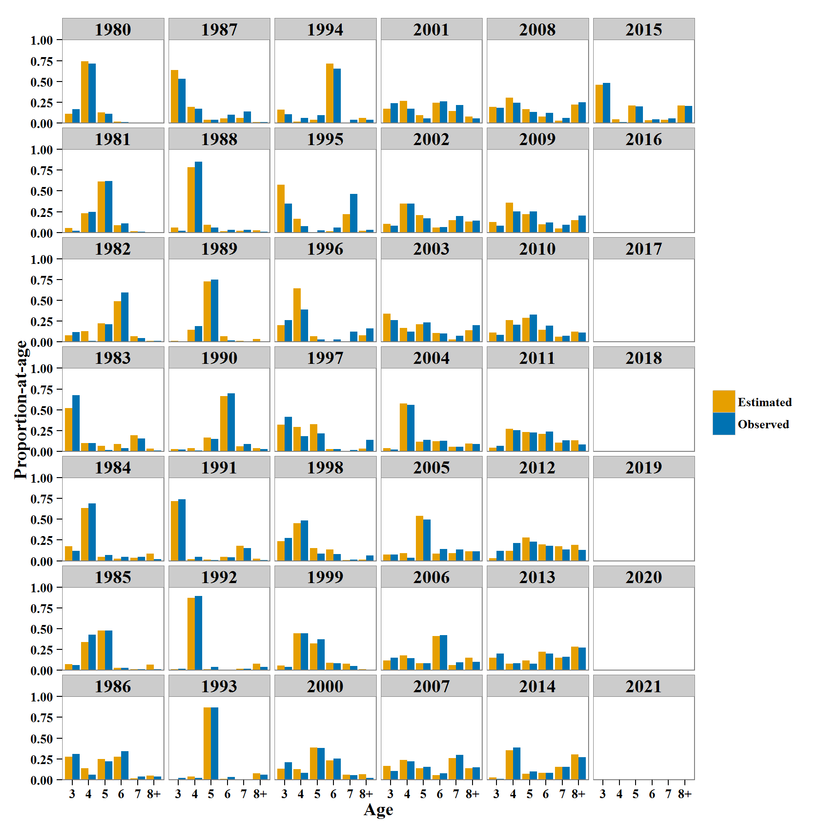
Spawning Age Composition | Year | Age | EST | Variable
 | 1980 | 3 | 0.111252 | Estimated
 | 1981 | 3 | 0.0537286 | Estimated
 | 1982 | 3 | 0.078718 | Estimated
 | 1983 | 3 | 0.52004 | Estimated
 | 1984 | 3 | 0.172959 | Estimated
 | 1985 | 3 | 0.0721692 | Estimated
 | 1986 | 3 | 0.274014 | Estimated
 | 1987 | 3 | 0.638041 | Estimated
 | 1988 | 3 | 0.0576698 | Estimated
 | 1989 | 3 | 0.0126838 | Estimated
 | 1990 | 3 | 0.025984 | Estimated
 | 1991 | 3 | 0.715014 | Estimated
 | 1992 | 3 | 0.0138914 | Estimated
 | 1993 | 3 | 0.00577651 | Estimated
 | 1994 | 3 | 0.159693 | Estimated
 | 1995 | 3 | 0.573019 | Estimated
 | 1996 | 3 | 0.203662 | Estimated
 | 1997 | 3 | 0.320435 | Estimated
 | 1998 | 3 | 0.236423 | Estimated
 | 1999 | 3 | 0.0565021 | Estimated
 | 2000 | 3 | 0.13455 | Estimated
 | 2001 | 3 | 0.170093 | Estimated
 | 2002 | 3 | 0.105864 | Estimated
 | 2003 | 3 | 0.339303 | Estimated
 | 2004 | 3 | 0.0382596 | Estimated
 | 2005 | 3 | 0.0756195 | Estimated
 | 2006 | 3 | 0.1177 | Estimated
 | 2007 | 3 | 0.166959 | Estimated
 | 2008 | 3 | 0.19304 | Estimated
 | 2009 | 3 | 0.125056 | Estimated
 | 2010 | 3 | 0.11453 | Estimated
 | 2011 | 3 | 0.0441261 | Estimated
 | 2012 | 3 | 0.033503 | Estimated
 | 2013 | 3 | 0.151338 | Estimated
 | 2014 | 3 | 0.0293196 | Estimated
 | 2015 | 3 | 0.459195 | Estimated
 | 1980 | 4 | 0.740965 | Estimated
 | 1981 | 4 | 0.231737 | Estimated
 | 1982 | 4 | 0.130562 | Estimated
 | 1983 | 4 | 0.100749 | Estimated
 | 1984 | 4 | 0.63716 | Estimated
 | 1985 | 4 | 0.340448 | Estimated
 | 1986 | 4 | 0.138641 | Estimated
 | 1987 | 4 | 0.194032 | Estimated
 | 1988 | 4 | 0.786263 | Estimated
 | 1989 | 4 | 0.146703 | Estimated
 | 1990 | 4 | 0.0387658 | Estimated
 | 1991 | 4 | 0.021565 | Estimated
 | 1992 | 4 | 0.872203 | Estimated
 | 1993 | 4 | 0.0375816 | Estimated
 | 1994 | 4 | 0.0165228 | Estimated
 | 1995 | 4 | 0.1636 | Estimated
 | 1996 | 4 | 0.641753 | Estimated
 | 1997 | 4 | 0.290612 | Estimated
 | 1998 | 4 | 0.449548 | Estimated
 | 1999 | 4 | 0.443038 | Estimated
 | 2000 | 4 | 0.125674 | Estimated
 | 2001 | 4 | 0.268629 | Estimated
 | 2002 | 4 | 0.344659 | Estimated
 | 2003 | 4 | 0.168569 | Estimated
 | 2004 | 4 | 0.577727 | Estimated
 | 2005 | 4 | 0.0912428 | Estimated
 | 2006 | 4 | 0.175753 | Estimated
 | 2007 | 4 | 0.239035 | Estimated
 | 2008 | 4 | 0.302758 | Estimated
 | 2009 | 4 | 0.360931 | Estimated
 | 2010 | 4 | 0.261033 | Estimated
 | 2011 | 4 | 0.271322 | Estimated
 | 2012 | 4 | 0.120389 | Estimated
 | 2013 | 4 | 0.0812216 | Estimated
 | 2014 | 4 | 0.353675 | Estimated
 | 2015 | 4 | 0.0461086 | Estimated
 | 1980 | 5 | 0.128074 | Estimated
 | 1981 | 5 | 0.61367 | Estimated
 | 1982 | 5 | 0.223294 | Estimated
 | 1983 | 5 | 0.0645818 | Estimated
 | 1984 | 5 | 0.0474072 | Estimated
 | 1985 | 5 | 0.474842 | Estimated
 | 1986 | 5 | 0.246006 | Estimated
 | 1987 | 5 | 0.0380267 | Estimated
 | 1988 | 5 | 0.0921211 | Estimated
 | 1989 | 5 | 0.726828 | Estimated
 | 1990 | 5 | 0.16737 | Estimated
 | 1991 | 5 | 0.0127962 | Estimated
 | 1992 | 5 | 0.0104586 | Estimated
 | 1993 | 5 | 0.868013 | Estimated
 | 1994 | 5 | 0.0389219 | Estimated
 | 1995 | 5 | 0.00648408 | Estimated
 | 1996 | 5 | 0.0682735 | Estimated
 | 1997 | 5 | 0.32761 | Estimated
 | 1998 | 5 | 0.151662 | Estimated
 | 1999 | 5 | 0.320673 | Estimated
 | 2000 | 5 | 0.385524 | Estimated
 | 2001 | 5 | 0.0972447 | Estimated
 | 2002 | 5 | 0.206643 | Estimated
 | 2003 | 5 | 0.214934 | Estimated
 | 2004 | 5 | 0.113612 | Estimated
 | 2005 | 5 | 0.541585 | Estimated
 | 2006 | 5 | 0.0835101 | Estimated
 | 2007 | 5 | 0.140039 | Estimated
 | 2008 | 5 | 0.168215 | Estimated
 | 2009 | 5 | 0.219565 | Estimated
 | 2010 | 5 | 0.290732 | Estimated
 | 2011 | 5 | 0.234762 | Estimated
 | 2012 | 5 | 0.280876 | Estimated
 | 2013 | 5 | 0.114758 | Estimated
 | 2014 | 5 | 0.0723227 | Estimated
 | 2015 | 5 | 0.208582 | Estimated
 | 1980 | 6 | 0.0197089 | Estimated
 | 1981 | 6 | 0.0876588 | Estimated
 | 1982 | 6 | 0.488803 | Estimated
 | 1983 | 6 | 0.0903576 | Estimated
 | 1984 | 6 | 0.0247824 | Estimated
 | 1985 | 6 | 0.028671 | Estimated
 | 1986 | 6 | 0.277382 | Estimated
 | 1987 | 6 | 0.0551599 | Estimated
 | 1988 | 6 | 0.0147603 | Estimated
 | 1989 | 6 | 0.0679957 | Estimated
 | 1990 | 6 | 0.66641 | Estimated
 | 1991 | 6 | 0.0456509 | Estimated
 | 1992 | 6 | 0.00513583 | Estimated
 | 1993 | 6 | 0.00836056 | Estimated
 | 1994 | 6 | 0.714222 | Estimated
 | 1995 | 6 | 0.0124238 | Estimated
 | 1996 | 6 | 0.00218481 | Estimated
 | 1997 | 6 | 0.0275913 | Estimated
 | 1998 | 6 | 0.137364 | Estimated
 | 1999 | 6 | 0.0879417 | Estimated
 | 2000 | 6 | 0.22892 | Estimated
 | 2001 | 6 | 0.244579 | Estimated
 | 2002 | 6 | 0.060685 | Estimated
 | 2003 | 6 | 0.105832 | Estimated
 | 2004 | 6 | 0.119623 | Estimated
 | 2005 | 6 | 0.0876807 | Estimated
 | 2006 | 6 | 0.408328 | Estimated
 | 2007 | 6 | 0.0547516 | Estimated
 | 2008 | 6 | 0.0807376 | Estimated
 | 2009 | 6 | 0.0998746 | Estimated
 | 2010 | 6 | 0.144592 | Estimated
 | 2011 | 6 | 0.212342 | Estimated
 | 2012 | 6 | 0.197184 | Estimated
 | 2013 | 6 | 0.22011 | Estimated
 | 2014 | 6 | 0.0832634 | Estimated
 | 2015 | 6 | 0.0343857 | Estimated
 | 1980 | 7 | 9.5609E-09 | Estimated
 | 1981 | 7 | 0.0132057 | Estimated
 | 1982 | 7 | 0.0683491 | Estimated
 | 1983 | 7 | 0.193262 | Estimated
 | 1984 | 7 | 0.0338597 | Estimated
 | 1985 | 7 | 0.0146221 | Estimated
 | 1986 | 7 | 0.0163283 | Estimated
 | 1987 | 7 | 0.0607648 | Estimated
 | 1988 | 7 | 0.020916 | Estimated
 | 1989 | 7 | 0.0105957 | Estimated
 | 1990 | 7 | 0.0607071 | Estimated
 | 1991 | 7 | 0.177939 | Estimated
 | 1992 | 7 | 0.0179392 | Estimated
 | 1993 | 7 | 0.0039971 | Estimated
 | 1994 | 7 | 0.00668369 | Estimated
 | 1995 | 7 | 0.222523 | Estimated
 | 1996 | 7 | 0.00407961 | Estimated
 | 1997 | 7 | 0.000857272 | Estimated
 | 1998 | 7 | 0.0112649 | Estimated
 | 1999 | 7 | 0.0777332 | Estimated
 | 2000 | 7 | 0.0613769 | Estimated
 | 2001 | 7 | 0.141939 | Estimated
 | 2002 | 7 | 0.1489 | Estimated
 | 2003 | 7 | 0.030391 | Estimated
 | 2004 | 7 | 0.0576498 | Estimated
 | 2005 | 7 | 0.0903095 | Estimated
 | 2006 | 7 | 0.0646755 | Estimated
 | 2007 | 7 | 0.261854 | Estimated
 | 2008 | 7 | 0.030851 | Estimated
 | 2009 | 7 | 0.0468457 | Estimated
 | 2010 | 7 | 0.0642551 | Estimated
 | 2011 | 7 | 0.103043 | Estimated
 | 2012 | 7 | 0.174 | Estimated
 | 2013 | 7 | 0.151132 | Estimated
 | 2014 | 7 | 0.155893 | Estimated
 | 2015 | 7 | 0.0385736 | Estimated
 | 1980 | 8+ | 6.68171E-09 | Estimated
 | 1981 | 8+ | 1.08594E-08 | Estimated
 | 1982 | 8+ | 0.0102743 | Estimated
 | 1983 | 8+ | 0.03101 | Estimated
 | 1984 | 8+ | 0.083832 | Estimated
 | 1985 | 8+ | 0.0692477 | Estimated
 | 1986 | 8+ | 0.0476284 | Estimated
 | 1987 | 8+ | 0.0139756 | Estimated
 | 1988 | 8+ | 0.0282698 | Estimated
 | 1989 | 8+ | 0.0351946 | Estimated
 | 1990 | 8+ | 0.0407624 | Estimated
 | 1991 | 8+ | 0.0270348 | Estimated
 | 1992 | 8+ | 0.080372 | Estimated
 | 1993 | 8+ | 0.0762716 | Estimated
 | 1994 | 8+ | 0.0639563 | Estimated
 | 1995 | 8+ | 0.0219502 | Estimated
 | 1996 | 8+ | 0.0800468 | Estimated
 | 1997 | 8+ | 0.0328952 | Estimated
 | 1998 | 8+ | 0.0137391 | Estimated
 | 1999 | 8+ | 0.0141118 | Estimated
 | 2000 | 8+ | 0.0639552 | Estimated
 | 2001 | 8+ | 0.0775144 | Estimated
 | 2002 | 8+ | 0.13325 | Estimated
 | 2003 | 8+ | 0.14097 | Estimated
 | 2004 | 8+ | 0.0931286 | Estimated
 | 2005 | 8+ | 0.113563 | Estimated
 | 2006 | 8+ | 0.150033 | Estimated
 | 2007 | 8+ | 0.13736 | Estimated
 | 2008 | 8+ | 0.224399 | Estimated
 | 2009 | 8+ | 0.147727 | Estimated
 | 2010 | 8+ | 0.124858 | Estimated
 | 2011 | 8+ | 0.134405 | Estimated
 | 2012 | 8+ | 0.194048 | Estimated
 | 2013 | 8+ | 0.281441 | Estimated
 | 2014 | 8+ | 0.305525 | Estimated
 | 2015 | 8+ | 0.213155 | Estimated
 | 1980 | 3 | 0.167845 | Observed
 | 1981 | 3 | 0.02 | Observed
 | 1982 | 3 | 0.119119 | Observed
 | 1983 | 3 | 0.674681 | Observed
 | 1984 | 3 | 0.12 | Observed
 | 1985 | 3 | 0.0625 | Observed
 | 1986 | 3 | 0.31 | Observed
 | 1987 | 3 | 0.53 | Observed
 | 1988 | 3 | 0.02 | Observed
 | 1989 | 3 | 0.01 | Observed
 | 1990 | 3 | 0.02 | Observed
 | 1991 | 3 | 0.74 | Observed
 | 1992 | 3 | 0.02 | Observed
 | 1993 | 3 | 0.02 | Observed
 | 1994 | 3 | 0.105263 | Observed
 | 1995 | 3 | 0.347938 | Observed
 | 1996 | 3 | 0.263636 | Observed
 | 1997 | 3 | 0.416829 | Observed
 | 1998 | 3 | 0.27193 | Observed
 | 1999 | 3 | 0.0409639 | Observed
 | 2000 | 3 | 0.209246 | Observed
 | 2001 | 3 | 0.2373 | Observed
 | 2002 | 3 | 0.0824 | Observed
 | 2003 | 3 | 0.2645 | Observed
 | 2004 | 3 | 0.0222 | Observed
 | 2005 | 3 | 0.0756 | Observed
 | 2006 | 3 | 0.1509 | Observed
 | 2007 | 3 | 0.1033 | Observed
 | 2008 | 3 | 0.1855 | Observed
 | 2009 | 3 | 0.0817 | Observed
 | 2010 | 3 | 0.0856102 | Observed
 | 2011 | 3 | 0.0658 | Observed
 | 2012 | 3 | 0.1173 | Observed
 | 2013 | 3 | 0.20283 | Observed
 | 2014 | 3 | 0.0121212 | Observed
 | 2015 | 3 | 0.483333 | Observed
 | 1980 | 4 | 0.714579 | Observed
 | 1981 | 4 | 0.25 | Observed
 | 1982 | 4 | 0.0157089 | Observed
 | 1983 | 4 | 0.1012 | Observed
 | 1984 | 4 | 0.69 | Observed
 | 1985 | 4 | 0.427083 | Observed
 | 1986 | 4 | 0.06 | Observed
 | 1987 | 4 | 0.17 | Observed
 | 1988 | 4 | 0.85 | Observed
 | 1989 | 4 | 0.19 | Observed
 | 1990 | 4 | 0.01 | Observed
 | 1991 | 4 | 0.05 | Observed
 | 1992 | 4 | 0.89 | Observed
 | 1993 | 4 | 0.02 | Observed
 | 1994 | 4 | 0.0631579 | Observed
 | 1995 | 4 | 0.0773196 | Observed
 | 1996 | 4 | 0.390486 | Observed
 | 1997 | 4 | 0.182728 | Observed
 | 1998 | 4 | 0.482456 | Observed
 | 1999 | 4 | 0.443373 | Observed
 | 2000 | 4 | 0.080292 | Observed
 | 2001 | 4 | 0.1708 | Observed
 | 2002 | 4 | 0.3491 | Observed
 | 2003 | 4 | 0.1216 | Observed
 | 2004 | 4 | 0.5612 | Observed
 | 2005 | 4 | 0.0378 | Observed
 | 2006 | 4 | 0.1468 | Observed
 | 2007 | 4 | 0.2226 | Observed
 | 2008 | 4 | 0.2457 | Observed
 | 2009 | 4 | 0.2509 | Observed
 | 2010 | 4 | 0.205829 | Observed
 | 2011 | 4 | 0.2567 | Observed
 | 2012 | 4 | 0.2119 | Observed
 | 2013 | 4 | 0.0849057 | Observed
 | 2014 | 4 | 0.387879 | Observed
 | 2015 | 4 | 0.011111 | Observed
 | 1980 | 5 | 0.110875 | Observed
 | 1981 | 5 | 0.62 | Observed
 | 1982 | 5 | 0.212325 | Observed
 | 1983 | 5 | 0.0171821 | Observed
 | 1984 | 5 | 0.07 | Observed
 | 1985 | 5 | 0.479167 | Observed
 | 1986 | 5 | 0.22 | Observed
 | 1987 | 5 | 0.04 | Observed
 | 1988 | 5 | 0.06 | Observed
 | 1989 | 5 | 0.75 | Observed
 | 1990 | 5 | 0.15 | Observed
 | 1991 | 5 | 0.01 | Observed
 | 1992 | 5 | 0.04 | Observed
 | 1993 | 5 | 0.87 | Observed
 | 1994 | 5 | 0.0947368 | Observed
 | 1995 | 5 | 0.0257732 | Observed
 | 1996 | 5 | 0.0302725 | Observed
 | 1997 | 5 | 0.215116 | Observed
 | 1998 | 5 | 0.0859649 | Observed
 | 1999 | 5 | 0.373494 | Observed
 | 2000 | 5 | 0.381995 | Observed
 | 2001 | 5 | 0.0585 | Observed
 | 2002 | 5 | 0.1684 | Observed
 | 2003 | 5 | 0.2345 | Observed
 | 2004 | 5 | 0.1403 | Observed
 | 2005 | 5 | 0.496 | Observed
 | 2006 | 5 | 0.0865 | Observed
 | 2007 | 5 | 0.153 | Observed
 | 2008 | 5 | 0.1325 | Observed
 | 2009 | 5 | 0.2528 | Observed
 | 2010 | 5 | 0.327869 | Observed
 | 2011 | 5 | 0.2263 | Observed
 | 2012 | 5 | 0.2294 | Observed
 | 2013 | 5 | 0.0786164 | Observed
 | 2014 | 5 | 0.0969697 | Observed
 | 2015 | 5 | 0.201852 | Observed
 | 1980 | 6 | 0.0134343 | Observed
 | 1981 | 6 | 0.11 | Observed
 | 1982 | 6 | 0.59616 | Observed
 | 1983 | 6 | 0.0405835 | Observed
 | 1984 | 6 | 0.05 | Observed
 | 1985 | 6 | 0.03125 | Observed
 | 1986 | 6 | 0.34 | Observed
 | 1987 | 6 | 0.1 | Observed
 | 1988 | 6 | 0.03 | Observed
 | 1989 | 6 | 0.02 | Observed
 | 1990 | 6 | 0.7 | Observed
 | 1991 | 6 | 0.04 | Observed
 | 1992 | 6 | 0 | Observed
 | 1993 | 6 | 0.03 | Observed
 | 1994 | 6 | 0.652632 | Observed
 | 1995 | 6 | 0.056701 | Observed
 | 1996 | 6 | 0.031568 | Observed
 | 1997 | 6 | 0.0289277 | Observed
 | 1998 | 6 | 0.0824561 | Observed
 | 1999 | 6 | 0.086747 | Observed
 | 2000 | 6 | 0.253041 | Observed
 | 2001 | 6 | 0.2594 | Observed
 | 2002 | 6 | 0.0631 | Observed
 | 2003 | 6 | 0.104 | Observed
 | 2004 | 6 | 0.1291 | Observed
 | 2005 | 6 | 0.1414 | Observed
 | 2006 | 6 | 0.4205 | Observed
 | 2007 | 6 | 0.0755 | Observed
 | 2008 | 6 | 0.1228 | Observed
 | 2009 | 6 | 0.1178 | Observed
 | 2010 | 6 | 0.196721 | Observed
 | 2011 | 6 | 0.2398 | Observed
 | 2012 | 6 | 0.1786 | Observed
 | 2013 | 6 | 0.198113 | Observed
 | 2014 | 6 | 0.0808081 | Observed
 | 2015 | 6 | 0.046296 | Observed
 | 1980 | 7 | 0.0000001 | Observed
 | 1981 | 7 | 0.01 | Observed
 | 1982 | 7 | 0.0464017 | Observed
 | 1983 | 7 | 0.152917 | Observed
 | 1984 | 7 | 0.05 | Observed
 | 1985 | 7 | 0.0104167 | Observed
 | 1986 | 7 | 0.04 | Observed
 | 1987 | 7 | 0.14 | Observed
 | 1988 | 7 | 0.03 | Observed
 | 1989 | 7 | 0.01 | Observed
 | 1990 | 7 | 0.09 | Observed
 | 1991 | 7 | 0.15 | Observed
 | 1992 | 7 | 0.02 | Observed
 | 1993 | 7 | 0 | Observed
 | 1994 | 7 | 0.0421053 | Observed
 | 1995 | 7 | 0.46134 | Observed
 | 1996 | 7 | 0.123019 | Observed
 | 1997 | 7 | 0.0173527 | Observed
 | 1998 | 7 | 0.0157895 | Observed
 | 1999 | 7 | 0.0481928 | Observed
 | 2000 | 7 | 0.053528 | Observed
 | 2001 | 7 | 0.2167 | Observed
 | 2002 | 7 | 0.1964 | Observed
 | 2003 | 7 | 0.0758 | Observed
 | 2004 | 7 | 0.0579 | Observed
 | 2005 | 7 | 0.1374 | Observed
 | 2006 | 7 | 0.0925 | Observed
 | 2007 | 7 | 0.2962 | Observed
 | 2008 | 7 | 0.0626 | Observed
 | 2009 | 7 | 0.0912 | Observed
 | 2010 | 7 | 0.0728597 | Observed
 | 2011 | 7 | 0.13 | Observed
 | 2012 | 7 | 0.1348 | Observed
 | 2013 | 7 | 0.163522 | Observed
 | 2014 | 7 | 0.153535 | Observed
 | 2015 | 7 | 0.053704 | Observed
 | 1980 | 8+ | 0.0000001 | Observed
 | 1981 | 8+ | 0 | Observed
 | 1982 | 8+ | 0.0103652 | Observed
 | 1983 | 8+ | 0.0134364 | Observed
 | 1984 | 8+ | 0.02 | Observed
 | 1985 | 8+ | 0.0104167 | Observed
 | 1986 | 8+ | 0.04 | Observed
 | 1987 | 8+ | 0.01 | Observed
 | 1988 | 8+ | 0.01 | Observed
 | 1989 | 8+ | 0.01 | Observed
 | 1990 | 8+ | 0.03 | Observed
 | 1991 | 8+ | 0.01 | Observed
 | 1992 | 8+ | 0.04 | Observed
 | 1993 | 8+ | 0.06 | Observed
 | 1994 | 8+ | 0.0421053 | Observed
 | 1995 | 8+ | 0.0309278 | Observed
 | 1996 | 8+ | 0.161018 | Observed
 | 1997 | 8+ | 0.139047 | Observed
 | 1998 | 8+ | 0.0614035 | Observed
 | 1999 | 8+ | 0.00722892 | Observed
 | 2000 | 8+ | 0.0218978 | Observed
 | 2001 | 8+ | 0.0569 | Observed
 | 2002 | 8+ | 0.1403 | Observed
 | 2003 | 8+ | 0.1992 | Observed
 | 2004 | 8+ | 0.089 | Observed
 | 2005 | 8+ | 0.1115 | Observed
 | 2006 | 8+ | 0.1026 | Observed
 | 2007 | 8+ | 0.1491 | Observed
 | 2008 | 8+ | 0.2506 | Observed
 | 2009 | 8+ | 0.2053 | Observed
 | 2010 | 8+ | 0.111111 | Observed
 | 2011 | 8+ | 0.081 | Observed
 | 2012 | 8+ | 0.1278 | Observed
 | 2013 | 8+ | 0.272013 | Observed
 | 2014 | 8+ | 0.268687 | Observed
 | 2015 | 8+ | 0.203704 | Observed
 | 2016 | 3 |  | Estimated
 | 2017 | 3 |  | Estimated
 | 2018 | 3 |  | Estimated
 | 2019 | 3 |  | Estimated
 | 2020 | 3 |  | Estimated
 | 2021 | 3 |  | Estimated

Model Analysis
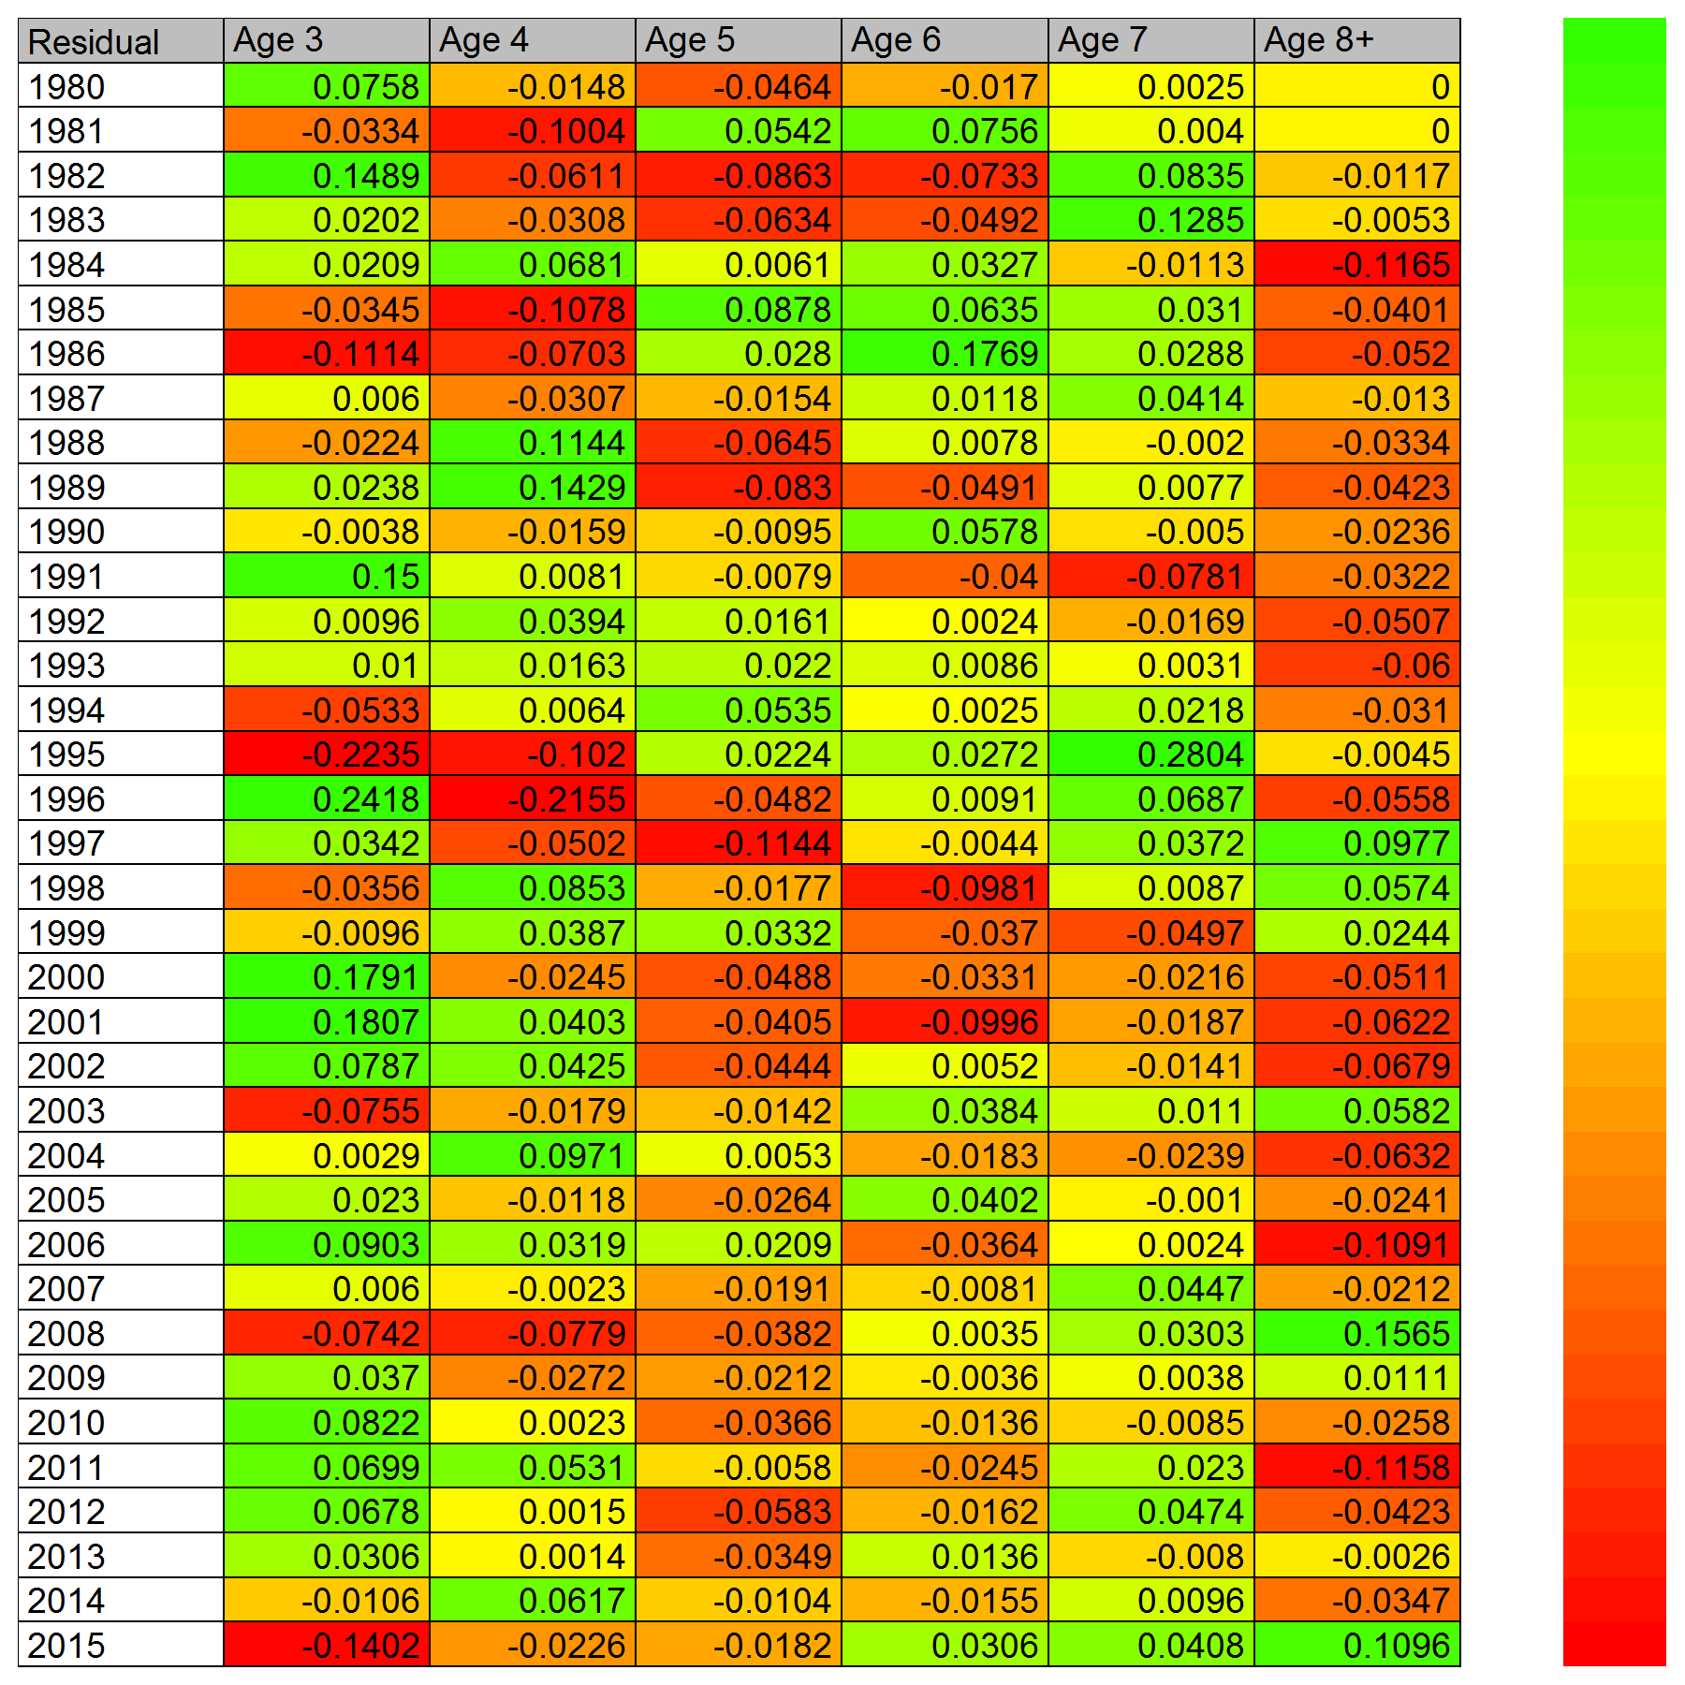
Spawning Age Composition
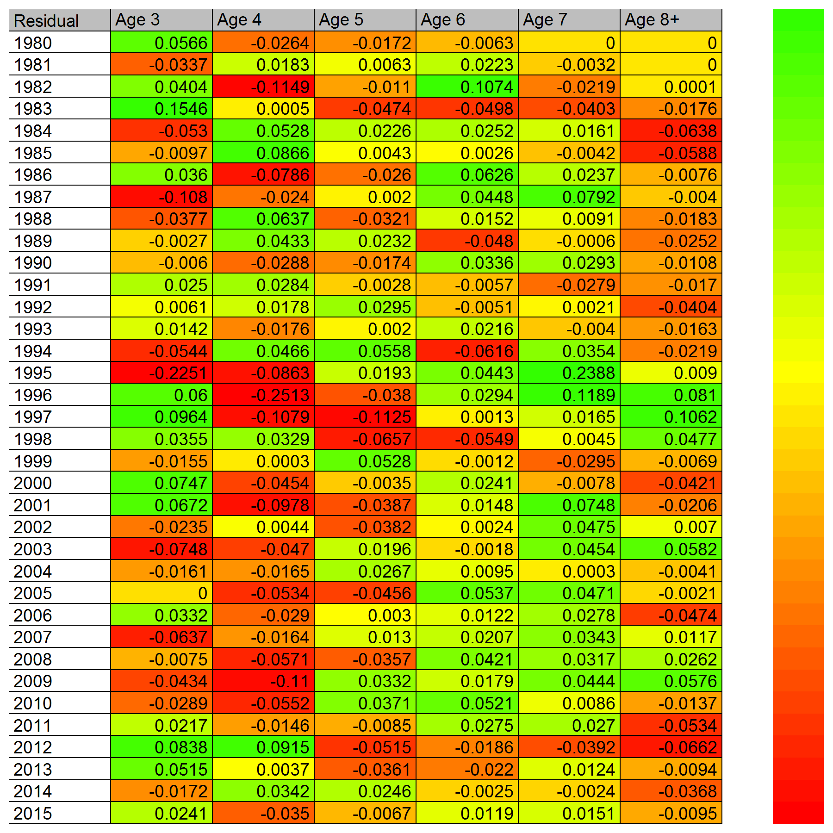

Catch Age Composition

